Color palettes
AX7 - Fabrikam
R | G | B | R | G | B
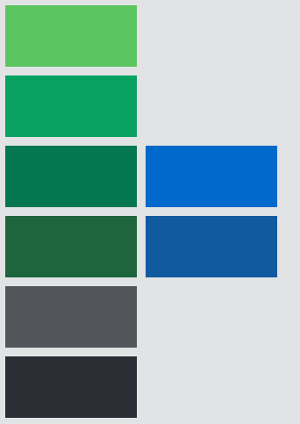
90 | 196 | 96

8 | 161 | 96

5 | 119 | 80 | 0 | 105 | 203

30 | 100 | 60 | 18 | 90 | 160

82 | 85 | 90

43 | 46 | 53

AX7 - Adventure Works

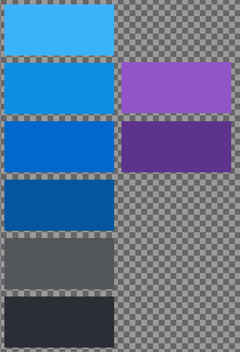
111 | 178 | 247

82 | 143 | 220 | 131 | 86 | 195

60 | 105 | 200 | 84 | 54 | 137

50 | 87 | 156

82 | 85 | 90

43 | 46 | 53

