Introduction
Configuration Workbook for high availability for Office 365 federated authentication in Azure

This configuration workbook allows you to fill in the configuration tables to build out the following infrastructure in Microsoft Azure:
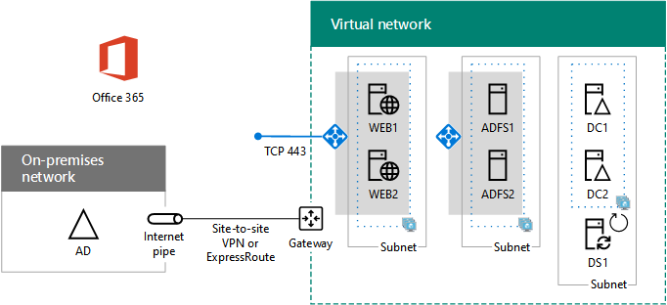

The sheets contain a series of tables to collect the settings for configuring the Azure infrastructure and each virtual machine. The PowerShell sheet contains the
Azure PowerShell command blocks to create the Azure infrastructure and configure each virtual machine based on the values in the tables.

See the article at: | https://docs.microsoft.com/office365/enterprise/deploy-high-availability-federated-authentication-for-office-365-in-azure

NOTE:
In order for the Azure PowerShell command blocks to work, you must have a correctly configured and specified Azure infrastructure
including a paid Azure subscription, resource groups, storage accounts, a cross-premises virtual network, and availability sets.

