Application_Screen
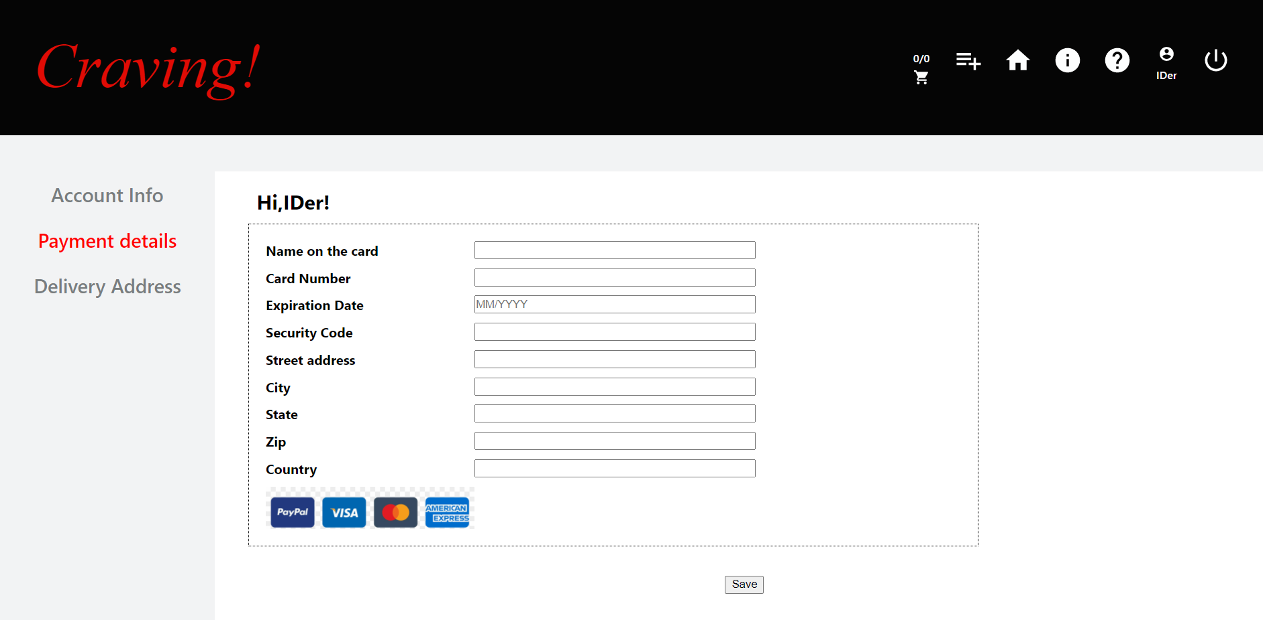

Test Case 14
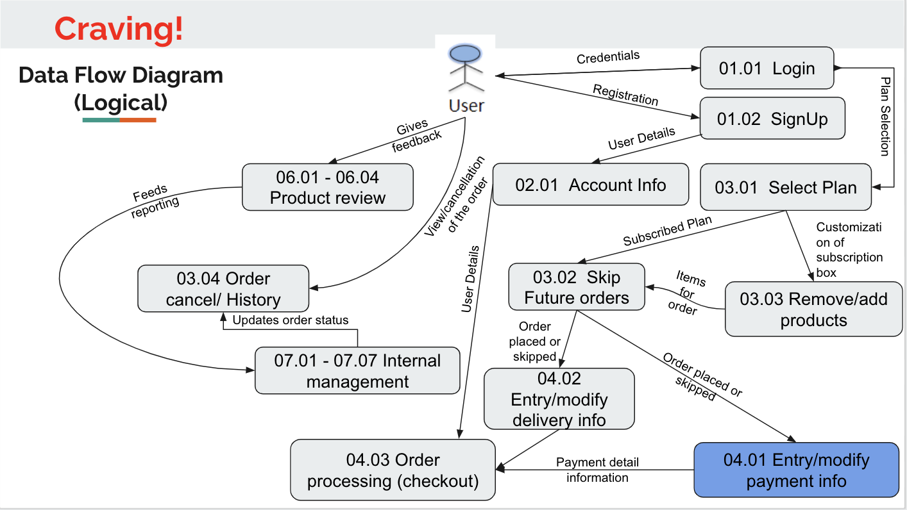
TC Title: | TC14. Entry/modify payment info - DF-Out - Data Flow Out

TC Objective: | This test case validates the data flows out to the Payment processing feature

TC Description
 | Step | Step Description | Expected Results
 | 1 | Verify that the data is available on the Payment details page and the user is able to proceed to Order Processing page. When user proceeds to the Order processing page the page should load and the Payment infromation entered in the Entry/modify payment info screen shoud be rendered on Order processing page. | Subscribed customer when logged in should be able to proceed to the order processing page only if the data is transmitted from the Payment Details page to the Order Processing page

