Application_Screen
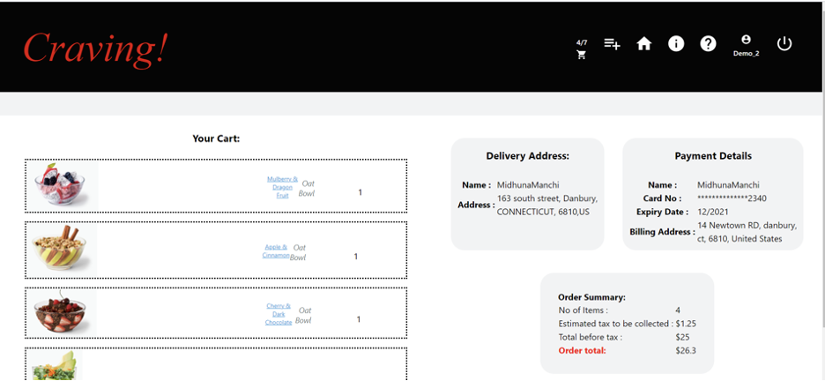

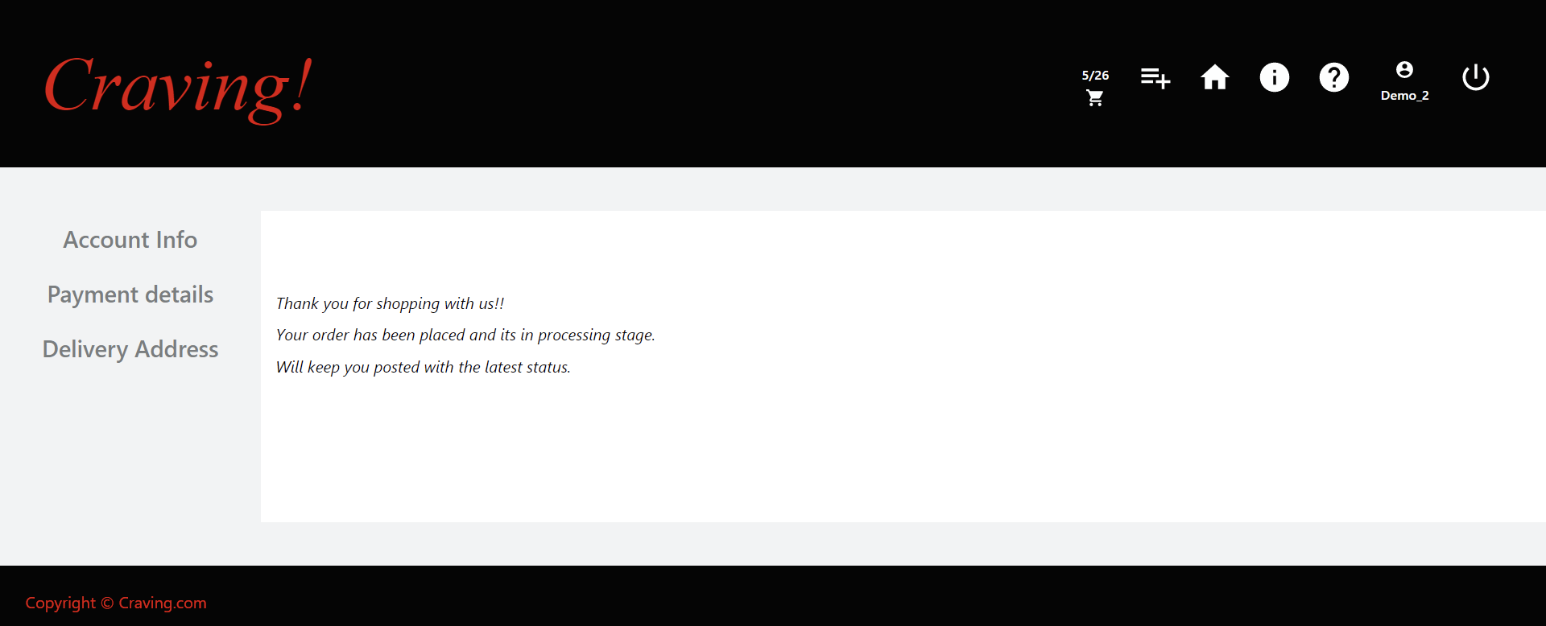

Test Case 6
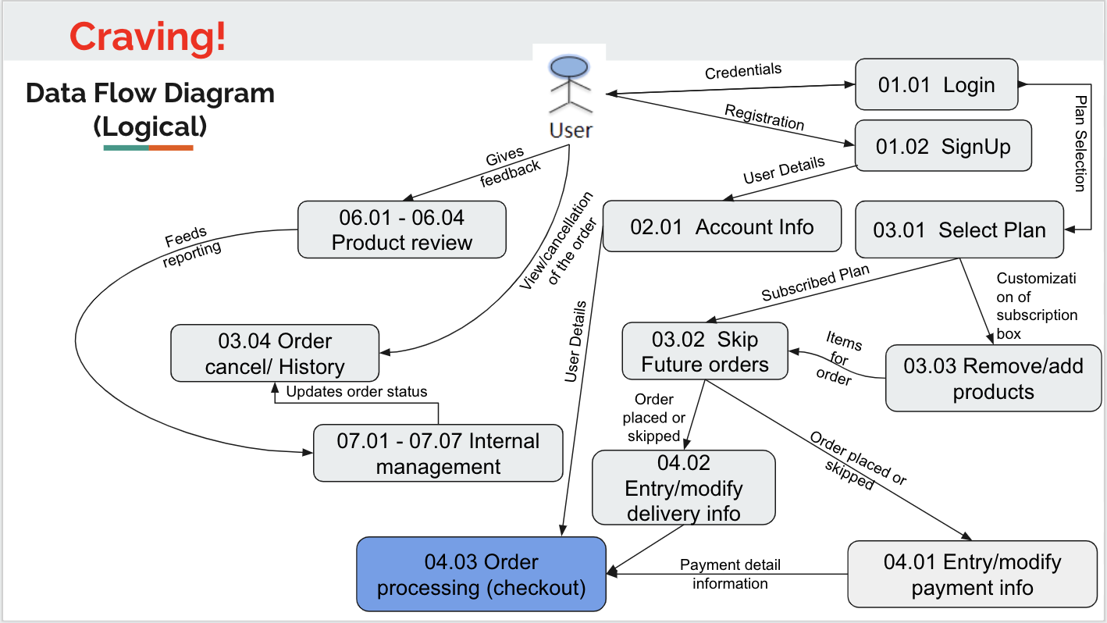
TC Title: | TC6. Order Processing - DF-Out - Data Flow In

TC Objective: | This test case validates the data flows in to the Order Processing feature from the Payment Info and Delivery Address features

TC Description
 | Step | Step Description | Expected Results
 | 1 | Verify that the data is available on both the Delivery Address and Payment Info pages and the user is able to proceed to order processing page. When user proceeds to the Order processing page the page should load and the Payment information entered in the Entry/modify payment info screen and address entered on the Address Details page should be displayed on the rendered screen in two boxes next to each other. | Subscribed customer when logged in should be able to proceed to the Order Processing page only if the data is transmitted from both the Payment details and Address Details pages to the Order Processing page. Both data boxes with payment info and delivery address are rendered on the screen.

Test Case 7
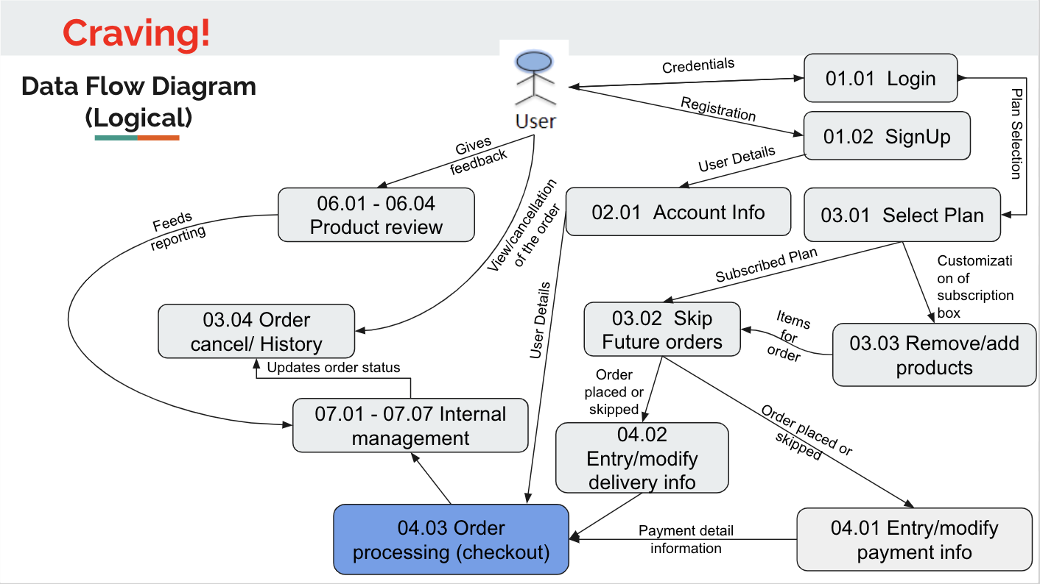
TC Title: | TC7. Order Processing - DF-Out - Data Flow Out

TC Objective: | This test case validates the data flows out to the Order Processing feature to the Confirmation page.

TC Description
 | Step | Step Description | Expected Results
 | 1 | Verify that when user clicks on the Place Your Order Button on the Order Processing page the data flows to the Confirmation page. The Order Confirmation page loads and user is able to see the order number on the screen. | Subscribed customer when logged in should be able to proceed to the Order Processing page click on the Place your order button and be brought to the Confirmation Page, where the order number is displayed.

