Sheet1
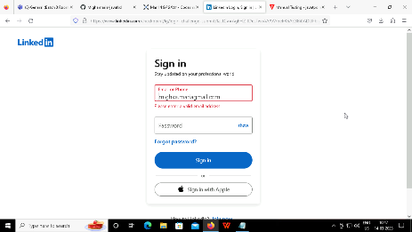


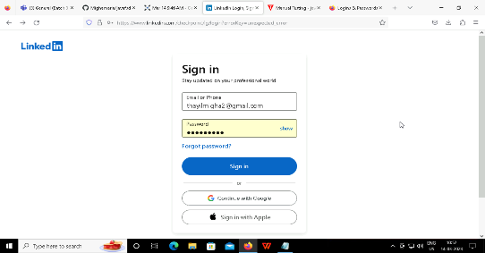
step | teststep | testdata | expected | actual | status | Screenshot
1 | login credentials(invalid) | invalid username,valid password | error | error | passed
2 | login credentials(invalid) | invalid username,valid password | error | error | passed
3 | login credentials(invalid) | valid username,invalid password | error | error | passed
4 | login credentials(valid) | valid username,valid password | login success | login success | passed

