Acft_Inv_Terms_1of2
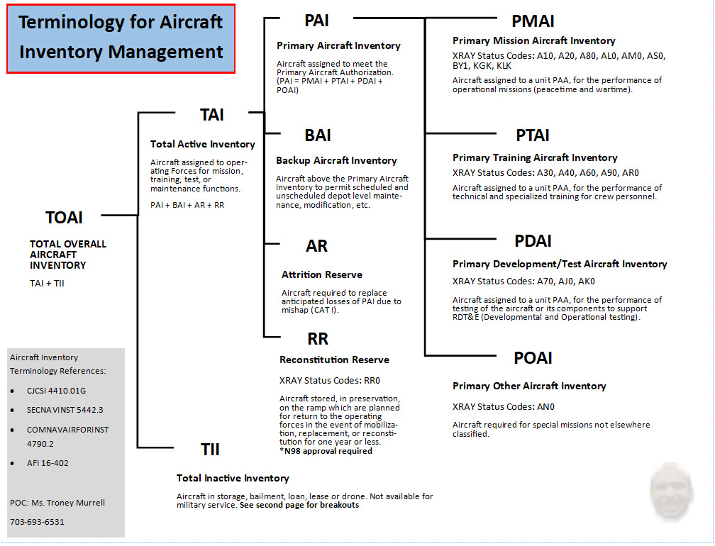

Acft_Inv_Terms_2of2
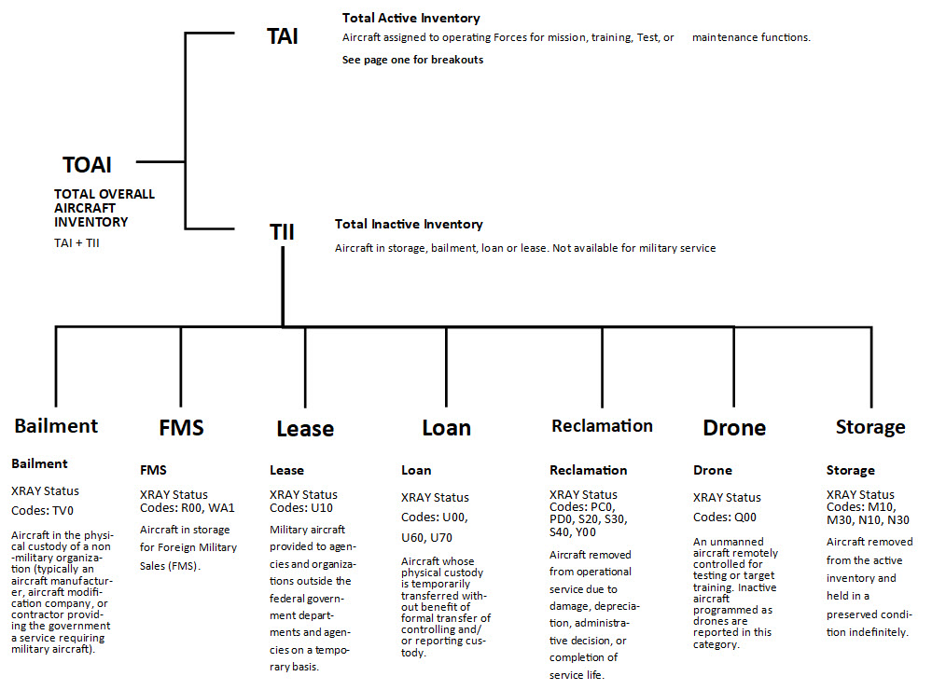

Active_Graphs
Active - 10 Year: PAA & Total RQMT over TAI & TII with MCAR Goal
 | TAI | TII | PAA | Total RQMT | MCAR GOAL
 | 1 | 0 | 0 | 0 | 0
 | 1 | 0 | 0 | 0 | 0
 | 1 | 0 | 0 | 0 | 0
 | 1 | 0 | 0 | 0 | 0
 | 1 | 0 | 0 | 0 | 0
 | 1 | 0 | 0 | 0
 | 1 | 0 | 0 | 0
 | 1 | 0 | 0 | 0
 | 1 | 0 | 0 | 0
 | 1 | 0 | 0 | 0
 | 1 | 0 | 0 | 0
Active - 30 Year: PAA & Total RQMT over TAI & TII with MCAR Goal
 | TAI | TII | PAA | Total RQMT | MCAR GOAL
2025 | 1 | 0 | 0 | 0 | 0
2026 | 1 | 0 | 0 | 0 | 0
2027 | 1 | 0 | 0 | 0 | 0
2028 | 1 | 0 | 0 | 0 | 0
2029 | 1 | 0 | 0 | 0 | 0
2030 | 1 | 0 | 0 | 0
2031 | 1 | 0 | 0 | 0
2032 | 1 | 0 | 0 | 0
2033 | 1 | 0 | 0 | 0
2034 | 1 | 0 | 0 | 0
2035 | 1 | 0 | 0 | 0
2036 | 1 | 0 | 0 | 0
2037 | 1 | 0 | 0 | 0
2038 | 1 | 0 | 0 | 0
2039 | 1 | 0 | 0 | 0
2040 | 1 | 0 | 0 | 0
2041 | 1 | 0 | 0 | 0
2042 | 1 | 0 | 0 | 0
2043 | 1 | 0 | 0 | 0
2044 | 1 | 0 | 0 | 0
2045 | 1 | 0 | 0 | 0
2046 | 1 | 0 | 0 | 0
2047 | 1 | 0 | 0 | 0
2048 | 1 | 0 | 0 | 0
2049 | 1 | 0 | 0 | 0
2050 | 1 | 0 | 0 | 0
2051 | 1 | 0 | 0 | 0
2052 | 1 | 0 | 0 | 0
2053 | 1 | 0 | 0 | 0
2054 | 1 | 0 | 0 | 0
Active - PAA & Total RQMT over TAI & TII
FY | PAA | Total RQMT | TAI | TII | MCAR GOAL
2025 | 0 | 0 | 1 | 0 | 0
2026 | 0 | 0 | 1 | 0 | 0
2027 | 0 | 0 | 1 | 0 | 0
2028 | 0 | 0 | 1 | 0 | 0
2029 | 0 | 0 | 1 | 0 | 0
2030 | 0 | 0 | 1 | 0
2031 | 0 | 0 | 1 | 0
2032 | 0 | 0 | 1 | 0
2033 | 0 | 0 | 1 | 0
2034 | 0 | 0 | 1 | 0
2035 | 0 | 0 | 1 | 0
2036 | 0 | 0 | 1 | 0
2037 | 0 | 0 | 1 | 0
2038 | 0 | 0 | 1 | 0
2039 | 0 | 0 | 1 | 0
2040 | 0 | 0 | 1 | 0
2041 | 0 | 0 | 1 | 0
2042 | 0 | 0 | 1 | 0
2043 | 0 | 0 | 1 | 0
2044 | 0 | 0 | 1 | 0
2045 | 0 | 0 | 1 | 0
2046 | 0 | 0 | 1 | 0
Active - 10 Year: Projected TAI Inventory Distributions
 | PMAI | PTAI | PDAI | POAI | BAI | ATTRITION | RECONSTITUTION
2025 | 0 | 0 | 0 | 0 | 0 | 0 | 1
2026 | 0 | 0 | 0 | 0 | 0 | 0 | 1
2027 | 0 | 0 | 0 | 0 | 0 | 0 | 1
2028 | 0 | 0 | 0 | 0 | 0 | 0 | 1
2029 | 0 | 0 | 0 | 0 | 0 | 0 | 1
2030 | 0 | 0 | 0 | 0 | 0 | 0 | 1
2031 | 0 | 0 | 0 | 0 | 0 | 0 | 1
2032 | 0 | 0 | 0 | 0 | 0 | 0 | 1
2033 | 0 | 0 | 0 | 0 | 0 | 0 | 1
2034 | 0 | 0 | 0 | 0 | 0 | 0 | 1
2035 | 0 | 0 | 0 | 0 | 0 | 0 | 1
Active - 30 Year: Projected TAI Inventory Distributions
 | PMAI | PTAI | PDAI | POAI | BAI | ATTRITION | RECONSTITUTION
2025 | 0 | 0 | 0 | 0 | 0 | 0 | 1
2026 | 0 | 0 | 0 | 0 | 0 | 0 | 1
2027 | 0 | 0 | 0 | 0 | 0 | 0 | 1
2028 | 0 | 0 | 0 | 0 | 0 | 0 | 1
2029 | 0 | 0 | 0 | 0 | 0 | 0 | 1
2030 | 0 | 0 | 0 | 0 | 0 | 0 | 1
2031 | 0 | 0 | 0 | 0 | 0 | 0 | 1
2032 | 0 | 0 | 0 | 0 | 0 | 0 | 1
2033 | 0 | 0 | 0 | 0 | 0 | 0 | 1
2034 | 0 | 0 | 0 | 0 | 0 | 0 | 1
2035 | 0 | 0 | 0 | 0 | 0 | 0 | 1
2036 | 0 | 0 | 0 | 0 | 0 | 0 | 1
2037 | 0 | 0 | 0 | 0 | 0 | 0 | 1
2038 | 0 | 0 | 0 | 0 | 0 | 0 | 1
2039 | 0 | 0 | 0 | 0 | 0 | 0 | 1
2040 | 0 | 0 | 0 | 0 | 0 | 0 | 1
2041 | 0 | 0 | 0 | 0 | 0 | 0 | 1
2042 | 0 | 0 | 0 | 0 | 0 | 0 | 1
2043 | 0 | 0 | 0 | 0 | 0 | 0 | 1
2044 | 0 | 0 | 0 | 0 | 0 | 0 | 1
2045 | 0 | 0 | 0 | 0 | 0 | 0 | 1
2046 | 0 | 0 | 0 | 0 | 0 | 0 | 1
2047 | 0 | 0 | 0 | 0 | 0 | 0 | 1
2048 | 0 | 0 | 0 | 0 | 0 | 0 | 1
2049 | 0 | 0 | 0 | 0 | 0 | 0 | 1
2050 | 0 | 0 | 0 | 0 | 0 | 0 | 1
2051 | 0 | 0 | 0 | 0 | 0 | 0 | 1
2052 | 0 | 0 | 0 | 0 | 0 | 0 | 1
2053 | 0 | 0 | 0 | 0 | 0 | 0 | 1
2054 | 0 | 0 | 0 | 0 | 0 | 0 | 1
2047 | 0 | 0 | 1 | 0
2048 | 0 | 0 | 1 | 0
2049 | 0 | 0 | 1 | 0
2050 | 0 | 0 | 1 | 0
2051 | 0 | 0 | 1 | 0
2052 | 0 | 0 | 1 | 0
2053 | 0 | 0 | 1 | 0
2054 | 0 | 0 | 1 | 0

Reserve_Graphs
Reserve - 10 Year: PAA & Total RQMT over TAI & TII with MCAR Goal
 | TAI | TII | PAA | Total RQMT | MCAR GOAL
 | 0 | 0 | 0 | 0 | 0
 | 0 | 0 | 0 | 0 | 0
 | 0 | 0 | 0 | 0 | 0
 | 0 | 0 | 0 | 0 | 0
 | 0 | 0 | 0 | 0 | 0
 | 0 | 0 | 0 | 0
 | 0 | 0 | 0 | 0
 | 0 | 0 | 0 | 0
 | 0 | 0 | 0 | 0
 | 0 | 0 | 0 | 0
 | 0 | 0 | 0 | 0
Reserve - 30 Year: PAA & Total RQMT over TAI & TII with MCAR Goal
 | TAI | TII | PAA | Total RQMT | MCAR GOAL
2025 | 0 | 0 | 0 | 0 | 0
2026 | 0 | 0 | 0 | 0 | 0
2027 | 0 | 0 | 0 | 0 | 0
2028 | 0 | 0 | 0 | 0 | 0
2029 | 0 | 0 | 0 | 0 | 0
2030 | 0 | 0 | 0 | 0
2031 | 0 | 0 | 0 | 0
2032 | 0 | 0 | 0 | 0
2033 | 0 | 0 | 0 | 0
2034 | 0 | 0 | 0 | 0
2035 | 0 | 0 | 0 | 0
2036 | 0 | 0 | 0 | 0
2037 | 0 | 0 | 0 | 0
2038 | 0 | 0 | 0 | 0
2039 | 0 | 0 | 0 | 0
2040 | 0 | 0 | 0 | 0
2041 | 0 | 0 | 0 | 0
2042 | 0 | 0 | 0 | 0
2043 | 0 | 0 | 0 | 0
2044 | 0 | 0 | 0 | 0
2045 | 0 | 0 | 0 | 0
2046 | 0 | 0 | 0 | 0
2047 | 0 | 0 | 0 | 0
2048 | 0 | 0 | 0 | 0
2049 | 0 | 0 | 0 | 0
2050 | 0 | 0 | 0 | 0
2051 | 0 | 0 | 0 | 0
2052 | 0 | 0 | 0 | 0
2053 | 0 | 0 | 0 | 0
2054 | 0 | 0 | 0 | 0
Reserve - PAA & Total RQMT over TAI & TII
FY | PAA | Total RQMT | TAI | TII | MCAR GOAL
2025 | 0 | 0 | 0 | 0 | 0
2026 | 0 | 0 | 0 | 0 | 0
2027 | 0 | 0 | 0 | 0 | 0
2028 | 0 | 0 | 0 | 0 | 0
2029 | 0 | 0 | 0 | 0 | 0
2030 | 0 | 0 | 0 | 0
2031 | 0 | 0 | 0 | 0
2032 | 0 | 0 | 0 | 0
2033 | 0 | 0 | 0 | 0
2034 | 0 | 0 | 0 | 0
2035 | 0 | 0 | 0 | 0
2036 | 0 | 0 | 0 | 0
2037 | 0 | 0 | 0 | 0
2038 | 0 | 0 | 0 | 0
2039 | 0 | 0 | 0 | 0
2040 | 0 | 0 | 0 | 0
2041 | 0 | 0 | 0 | 0
2042 | 0 | 0 | 0 | 0
2043 | 0 | 0 | 0 | 0
2044 | 0 | 0 | 0 | 0
2045 | 0 | 0 | 0 | 0
2046 | 0 | 0 | 0 | 0
2047 | 0 | 0 | 0 | 0
2048 | 0 | 0 | 0 | 0
Reserve - 10 Year: Projected TAI Inventory Distributions
 | PMAI | PTAI | PDAI | POAI | BAI | ATTRITION | RECONSTITUTION
2025 | 0 | 0 | 0 | 0 | 0 | 0 | 0
2026 | 0 | 0 | 0 | 0 | 0 | 0 | 0
2027 | 0 | 0 | 0 | 0 | 0 | 0 | 0
2028 | 0 | 0 | 0 | 0 | 0 | 0 | 0
2029 | 0 | 0 | 0 | 0 | 0 | 0 | 0
2030 | 0 | 0 | 0 | 0 | 0 | 0 | 0
2031 | 0 | 0 | 0 | 0 | 0 | 0 | 0
2032 | 0 | 0 | 0 | 0 | 0 | 0 | 0
2033 | 0 | 0 | 0 | 0 | 0 | 0 | 0
2034 | 0 | 0 | 0 | 0 | 0 | 0 | 0
2035 | 0 | 0 | 0 | 0 | 0 | 0 | 0
Reserve - 30 Year: Projected TAI Inventory Distributions
 | PMAI | PTAI | PDAI | POAI | BAI | ATTRITION | RECONSTITUTION
2025 | 0 | 0 | 0 | 0 | 0 | 0 | 0
2026 | 0 | 0 | 0 | 0 | 0 | 0 | 0
2027 | 0 | 0 | 0 | 0 | 0 | 0 | 0
2028 | 0 | 0 | 0 | 0 | 0 | 0 | 0
2029 | 0 | 0 | 0 | 0 | 0 | 0 | 0
2030 | 0 | 0 | 0 | 0 | 0 | 0 | 0
2031 | 0 | 0 | 0 | 0 | 0 | 0 | 0
2032 | 0 | 0 | 0 | 0 | 0 | 0 | 0
2033 | 0 | 0 | 0 | 0 | 0 | 0 | 0
2034 | 0 | 0 | 0 | 0 | 0 | 0 | 0
2035 | 0 | 0 | 0 | 0 | 0 | 0 | 0
2036 | 0 | 0 | 0 | 0 | 0 | 0 | 0
2037 | 0 | 0 | 0 | 0 | 0 | 0 | 0
2038 | 0 | 0 | 0 | 0 | 0 | 0 | 0
2039 | 0 | 0 | 0 | 0 | 0 | 0 | 0
2040 | 0 | 0 | 0 | 0 | 0 | 0 | 0
2041 | 0 | 0 | 0 | 0 | 0 | 0 | 0
2042 | 0 | 0 | 0 | 0 | 0 | 0 | 0
2043 | 0 | 0 | 0 | 0 | 0 | 0 | 0
2044 | 0 | 0 | 0 | 0 | 0 | 0 | 0
2045 | 0 | 0 | 0 | 0 | 0 | 0 | 0
2046 | 0 | 0 | 0 | 0 | 0 | 0 | 0
2047 | 0 | 0 | 0 | 0 | 0 | 0 | 0
2048 | 0 | 0 | 0 | 0 | 0 | 0 | 0
2049 | 0 | 0 | 0 | 0 | 0 | 0 | 0
2050 | 0 | 0 | 0 | 0 | 0 | 0 | 0
2051 | 0 | 0 | 0 | 0 | 0 | 0 | 0
2052 | 0 | 0 | 0 | 0 | 0 | 0 | 0
2053 | 0 | 0 | 0 | 0 | 0 | 0 | 0
2054 | 0 | 0 | 0 | 0 | 0 | 0 | 0
2049 | 0 | 0 | 0 | 0
2050 | 0 | 0 | 0 | 0
2051 | 0 | 0 | 0 | 0
2052 | 0 | 0 | 0 | 0
2053 | 0 | 0 | 0 | 0
2054 | 0 | 0 | 0 | 0

Combined_Graphs
Combined - 10 Year: PAA & Total RQMT over TAI & TII with MCAR Goal
 | TAI | TII | PAA | Total RQMT | MCAR GOAL
 | 1 | 0 | 0 | 0 | 0
 | 1 | 0 | 0 | 0 | 0
 | 1 | 0 | 0 | 0 | 0
 | 1 | 0 | 0 | 0 | 0
 | 1 | 0 | 0 | 0 | 0
 | 1 | 0 | 0 | 0
 | 1 | 0 | 0 | 0
 | 1 | 0 | 0 | 0
 | 1 | 0 | 0 | 0
 | 1 | 0 | 0 | 0
 | 1 | 0 | 0 | 0
Combined - 30 Year: PAA & Total RQMT over TAI & TII with MCAR Goal
 | TAI | TII | PAA | Total RQMT | MCAR GOAL
2025 | 1 | 0 | 0 | 0 | 0
2026 | 1 | 0 | 0 | 0 | 0
2027 | 1 | 0 | 0 | 0 | 0
2028 | 1 | 0 | 0 | 0 | 0
2029 | 1 | 0 | 0 | 0 | 0
2030 | 1 | 0 | 0 | 0
2031 | 1 | 0 | 0 | 0
2032 | 1 | 0 | 0 | 0
2033 | 1 | 0 | 0 | 0
2034 | 1 | 0 | 0 | 0
2035 | 1 | 0 | 0 | 0
2036 | 1 | 0 | 0 | 0
2037 | 1 | 0 | 0 | 0
2038 | 1 | 0 | 0 | 0
2039 | 1 | 0 | 0 | 0
2040 | 1 | 0 | 0 | 0
2041 | 1 | 0 | 0 | 0
2042 | 1 | 0 | 0 | 0
2043 | 1 | 0 | 0 | 0
2044 | 1 | 0 | 0 | 0
2045 | 1 | 0 | 0 | 0
2046 | 1 | 0 | 0 | 0
2047 | 1 | 0 | 0 | 0
2048 | 1 | 0 | 0 | 0
2049 | 1 | 0 | 0 | 0
2050 | 1 | 0 | 0 | 0
2051 | 1 | 0 | 0 | 0
2052 | 1 | 0 | 0 | 0
2053 | 1 | 0 | 0 | 0
2054 | 1 | 0 | 0 | 0
Combined - PAA & Total RQMT over TAI & TII
FY | PAA | Total RQMT | TAI | TII | MCAR GOAL
2025 | 0 | 0 | 1 | 0 | 0
2026 | 0 | 0 | 1 | 0 | 0
2027 | 0 | 0 | 1 | 0 | 0
2028 | 0 | 0 | 1 | 0 | 0
2029 | 0 | 0 | 1 | 0 | 0
2030 | 0 | 0 | 1 | 0
2031 | 0 | 0 | 1 | 0
2032 | 0 | 0 | 1 | 0
2033 | 0 | 0 | 1 | 0
2034 | 0 | 0 | 1 | 0
2035 | 0 | 0 | 1 | 0
2036 | 0 | 0 | 1 | 0
2037 | 0 | 0 | 1 | 0
2038 | 0 | 0 | 1 | 0
2039 | 0 | 0 | 1 | 0
2040 | 0 | 0 | 1 | 0
2041 | 0 | 0 | 1 | 0
2042 | 0 | 0 | 1 | 0
2043 | 0 | 0 | 1 | 0
Combined - 10 Year: Projected TAI Inventory Distributions
 | PMAI | PTAI | PDAI | POAI | BAI | ATTRITION | RECONSTITUTION
2025 | 0 | 0 | 0 | 0 | 0 | 0 | 1
2026 | 0 | 0 | 0 | 0 | 0 | 0 | 1
2027 | 0 | 0 | 0 | 0 | 0 | 0 | 1
2028 | 0 | 0 | 0 | 0 | 0 | 0 | 1
2029 | 0 | 0 | 0 | 0 | 0 | 0 | 1
2030 | 0 | 0 | 0 | 0 | 0 | 0 | 1
2031 | 0 | 0 | 0 | 0 | 0 | 0 | 1
2032 | 0 | 0 | 0 | 0 | 0 | 0 | 1
2033 | 0 | 0 | 0 | 0 | 0 | 0 | 1
2034 | 0 | 0 | 0 | 0 | 0 | 0 | 1
2035 | 0 | 0 | 0 | 0 | 0 | 0 | 1
Combined - 30 Year: Projected TAI Inventory Distributions
 | PMAI | PTAI | PDAI | POAI | BAI | ATTRITION | RECONSTITUTION
2025 | 0 | 0 | 0 | 0 | 0 | 0 | 1
2026 | 0 | 0 | 0 | 0 | 0 | 0 | 1
2027 | 0 | 0 | 0 | 0 | 0 | 0 | 1
2028 | 0 | 0 | 0 | 0 | 0 | 0 | 1
2029 | 0 | 0 | 0 | 0 | 0 | 0 | 1
2030 | 0 | 0 | 0 | 0 | 0 | 0 | 1
2031 | 0 | 0 | 0 | 0 | 0 | 0 | 1
2032 | 0 | 0 | 0 | 0 | 0 | 0 | 1
2033 | 0 | 0 | 0 | 0 | 0 | 0 | 1
2034 | 0 | 0 | 0 | 0 | 0 | 0 | 1
2035 | 0 | 0 | 0 | 0 | 0 | 0 | 1
2036 | 0 | 0 | 0 | 0 | 0 | 0 | 1
2037 | 0 | 0 | 0 | 0 | 0 | 0 | 1
2038 | 0 | 0 | 0 | 0 | 0 | 0 | 1
2039 | 0 | 0 | 0 | 0 | 0 | 0 | 1
2040 | 0 | 0 | 0 | 0 | 0 | 0 | 1
2041 | 0 | 0 | 0 | 0 | 0 | 0 | 1
2042 | 0 | 0 | 0 | 0 | 0 | 0 | 1
2043 | 0 | 0 | 0 | 0 | 0 | 0 | 1
2044 | 0 | 0 | 0 | 0 | 0 | 0 | 1
2045 | 0 | 0 | 0 | 0 | 0 | 0 | 1
2046 | 0 | 0 | 0 | 0 | 0 | 0 | 1
2047 | 0 | 0 | 0 | 0 | 0 | 0 | 1
2048 | 0 | 0 | 0 | 0 | 0 | 0 | 1
2049 | 0 | 0 | 0 | 0 | 0 | 0 | 1
2050 | 0 | 0 | 0 | 0 | 0 | 0 | 1
2051 | 0 | 0 | 0 | 0 | 0 | 0 | 1
2052 | 0 | 0 | 0 | 0 | 0 | 0 | 1
2053 | 0 | 0 | 0 | 0 | 0 | 0 | 1
2054 | 0 | 0 | 0 | 0 | 0 | 0 | 1
2044 | 0 | 0 | 1 | 0
2045 | 0 | 0 | 1 | 0
2046 | 0 | 0 | 1 | 0
2047 | 0 | 0 | 1 | 0
2048 | 0 | 0 | 1 | 0
2049 | 0 | 0 | 1 | 0
2050 | 0 | 0 | 1 | 0
2051 | 0 | 0 | 1 | 0
2052 | 0 | 0 | 1 | 0
2053 | 0 | 0 | 1 | 0
2054 | 0 | 0 | 1 | 0

