Acft_Inv_Terms_1of2
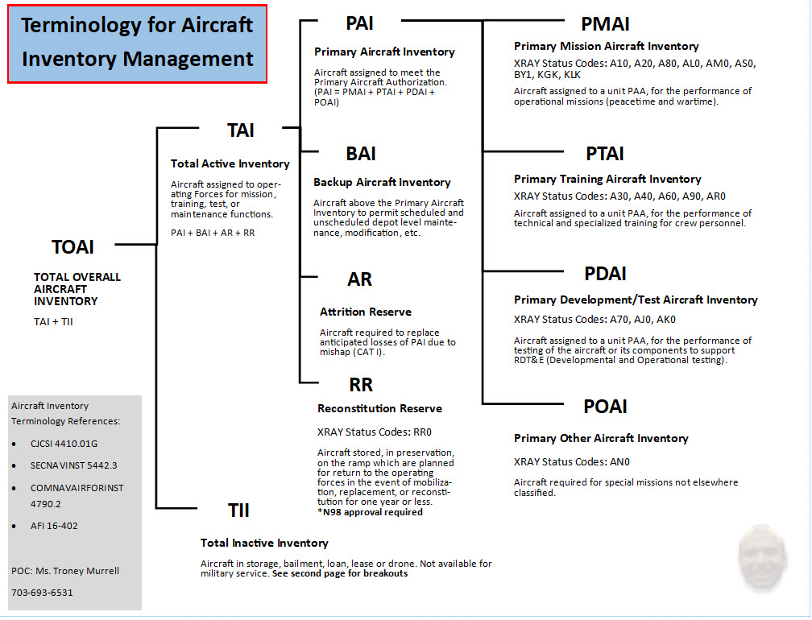

Acft_Inv_Terms_2of2
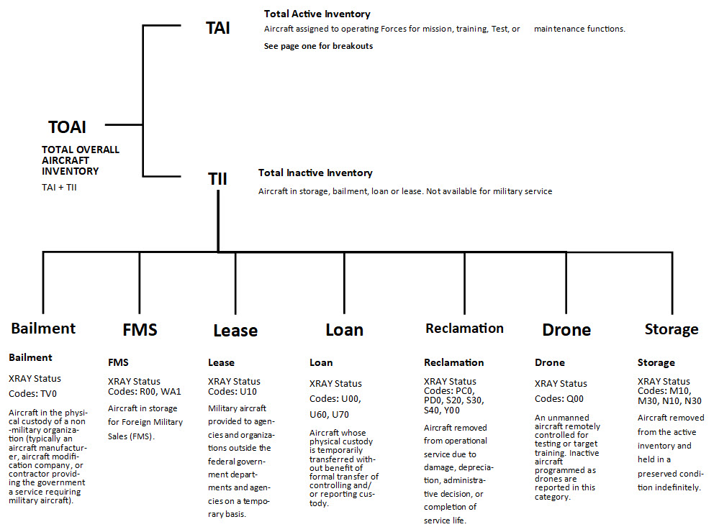

Active_Graphs
Active - PAA & Total RQMT over TAI & TII with MCAR Goal
 | TAI | TII | PAA | Total RQMT | MCAR GOAL
2025 | 221 | 41 | 206 | 236 | 174
2026 | 221 | 41 | 207 | 236 | 175
2027 | 221 | 41 | 207 | 236 | 175
2028 | 221 | 41 | 207 | 236 | 175
2029 | 221 | 41 | 207 | 236 | 175
2030 | 221 | 41 | 207 | 236
2031 | 221 | 41 | 207 | 236
2032 | 221 | 41 | 207 | 236
2033 | 221 | 41 | 207 | 236
2034 | 221 | 41 | 207 | 236
2035 | 221 | 41 | 207 | 236
2036 | 221 | 41 | 207 | 236
2037 | 221 | 41 | 207 | 236
2038 | 221 | 41 | 207 | 236
2039 | 221 | 41 | 207 | 236
2040 | 221 | 41 | 207 | 236
2041 | 221 | 41 | 207 | 217
2042 | 221 | 41 | 190 | 178
2043 | 221 | 41 | 156 | 152
2044 | 221 | 41 | 133 | 119
2045 | 221 | 41 | 104 | 93
2046 | 221 | 41 | 81 | 60
2047 | 221 | 41 | 52 | 45
2048 | 221 | 41 | 39 | 38
2049 | 221 | 41 | 33 | 27
2050 | 221 | 41 | 23 | 21
2051 | 221 | 41 | 18 | 15
2052 | 221 | 0 | 13 | 12
2053 | 0 | 0 | 10 | 12
2054 | 0 | 0 | 10 | 0
Active - PAA & Total RQMT over TAI & TII
FY | PAA | Total RQMT | TAI | TII | MCAR GOAL
2025 | 206 | 236 | 221 | 41 | 174
2026 | 207 | 236 | 221 | 41 | 175
2027 | 207 | 236 | 221 | 41 | 175
2028 | 207 | 236 | 221 | 41 | 175
2029 | 207 | 236 | 221 | 41 | 175
2030 | 207 | 236 | 221 | 41
2031 | 207 | 236 | 221 | 41
2032 | 207 | 236 | 221 | 41
2033 | 207 | 236 | 221 | 41
2034 | 207 | 236 | 221 | 41
2035 | 207 | 236 | 221 | 41
2036 | 207 | 236 | 221 | 41
2037 | 207 | 236 | 221 | 41
2038 | 207 | 236 | 221 | 41
2039 | 207 | 236 | 221 | 41
2040 | 207 | 236 | 221 | 41
2041 | 207 | 217 | 221 | 41
2042 | 190 | 178 | 221 | 41
2043 | 156 | 152 | 221 | 41
2044 | 133 | 119 | 221 | 41
Active - Projected TAI Inventory Distributions
 | PMAI | PTAI | PDAI | POAI | BAI | ATTRITION | RECONSTITUTION
2025 | 157 | 42 | 7 | 0 | 15 | 0 | 0
2026 | 158 | 42 | 7 | 0 | 14 | 0 | 0
2027 | 158 | 42 | 7 | 0 | 14 | 0 | 0
2028 | 158 | 42 | 7 | 0 | 14 | 0 | 0
2029 | 158 | 42 | 7 | 0 | 14 | 0 | 0
2030 | 158 | 42 | 7 | 0 | 14 | 0 | 0
2031 | 158 | 42 | 7 | 0 | 14 | 0 | 0
2032 | 158 | 42 | 7 | 0 | 14 | 0 | 0
2033 | 158 | 42 | 7 | 0 | 14 | 0 | 0
2034 | 158 | 42 | 7 | 0 | 14 | 0 | 0
2035 | 158 | 42 | 7 | 0 | 14 | 0 | 0
2036 | 158 | 42 | 7 | 0 | 14 | 0 | 0
2037 | 158 | 42 | 7 | 0 | 14 | 0 | 0
2038 | 158 | 42 | 7 | 0 | 14 | 0 | 0
2039 | 158 | 42 | 7 | 0 | 14 | 0 | 0
2040 | 158 | 42 | 7 | 0 | 14 | 0 | 0
2041 | 158 | 42 | 7 | 0 | 14 | 0 | 0
2042 | 152 | 33 | 5 | 0 | 27 | 0 | 4
2043 | 125 | 28 | 3 | 0 | 22 | 0 | 43
2044 | 104 | 28 | 1 | 0 | 19 | 0 | 69
2045 | 88 | 16 | 0 | 0 | 15 | 0 | 102
2046 | 70 | 11 | 0 | 0 | 12 | 0 | 128
2047 | 42 | 10 | 0 | 0 | 8 | 0 | 161
2048 | 30 | 9 | 0 | 0 | 6 | 0 | 176
2049 | 24 | 9 | 0 | 0 | 5 | 0 | 183
2050 | 16 | 7 | 0 | 0 | 4 | 0 | 194
2051 | 14 | 4 | 0 | 0 | 3 | 0 | 200
2052 | 13 | 0 | 0 | 0 | 2 | 0 | 206
2053 | 10 | 0 | 0 | 0 | 2 | 0 | 209
2054 | 10 | 0 | 0 | 0 | 2 | 0 | 209
2045 | 104 | 93 | 221 | 41
2046 | 81 | 60 | 221 | 41
2047 | 52 | 45 | 221 | 41
2048 | 39 | 38 | 221 | 41
2049 | 33 | 27 | 221 | 41
2050 | 23 | 21 | 221 | 41
2051 | 18 | 15 | 221 | 41
2052 | 13 | 12 | 221 | 0
2053 | 10 | 12 | 0 | 0
2054 | 10 | 0 | 0 | 0

Reserve_Graphs
Reserve - PAA & Total RQMT over TAI & TII with MCAR Goal
 | TAI | TII | PAA | Total RQMT | MCAR GOAL
2025 | 7 | 0 | 7 | 8 | 7
2026 | 7 | 0 | 7 | 8 | 7
2027 | 7 | 0 | 7 | 8 | 7
2028 | 7 | 0 | 7 | 8 | 7
2029 | 7 | 0 | 7 | 8 | 7
2030 | 7 | 0 | 7 | 8
2031 | 7 | 0 | 7 | 8
2032 | 7 | 0 | 7 | 8
2033 | 7 | 0 | 7 | 8
2034 | 7 | 0 | 7 | 8
2035 | 7 | 0 | 7 | 8
2036 | 7 | 0 | 7 | 8
2037 | 7 | 0 | 7 | 8
2038 | 7 | 0 | 7 | 8
2039 | 7 | 0 | 7 | 8
2040 | 7 | 0 | 7 | 8
2041 | 7 | 0 | 7 | 8
2042 | 7 | 0 | 7 | 8
2043 | 7 | 0 | 7 | 8
2044 | 7 | 0 | 7 | 8
2045 | 7 | 0 | 7 | 8
2046 | 7 | 0 | 7 | 8
2047 | 7 | 0 | 7 | 8
2048 | 7 | 0 | 7 | 8
2049 | 7 | 0 | 7 | 8
2050 | 7 | 0 | 7 | 0
2051 | 7 | 0 | 0 | 0
2052 | 7 | 0 | 0 | 0
2053 | 0 | 0 | 0 | 0
2054 | 0 | 0 | 0 | 0
Reserve - PAA & Total RQMT over TAI & TII
FY | PAA | Total RQMT | TAI | TII | MCAR GOAL
2025 | 7 | 8 | 7 | 0 | 7
2026 | 7 | 8 | 7 | 0 | 7
2027 | 7 | 8 | 7 | 0 | 7
2028 | 7 | 8 | 7 | 0 | 7
2029 | 7 | 8 | 7 | 0 | 7
2030 | 7 | 8 | 7 | 0
2031 | 7 | 8 | 7 | 0
2032 | 7 | 8 | 7 | 0
2033 | 7 | 8 | 7 | 0
2034 | 7 | 8 | 7 | 0
2035 | 7 | 8 | 7 | 0
2036 | 7 | 8 | 7 | 0
2037 | 7 | 8 | 7 | 0
2038 | 7 | 8 | 7 | 0
2039 | 7 | 8 | 7 | 0
2040 | 7 | 8 | 7 | 0
2041 | 7 | 8 | 7 | 0
2042 | 7 | 8 | 7 | 0
2043 | 7 | 8 | 7 | 0
2044 | 7 | 8 | 7 | 0
Reserve - Projected TAI Inventory Distributions
 | PMAI | PTAI | PDAI | POAI | BAI | ATTRITION | RECONSTITUTION
2025 | 7 | 0 | 0 | 0 | 0 | 0 | 0
2026 | 7 | 0 | 0 | 0 | 0 | 0 | 0
2027 | 7 | 0 | 0 | 0 | 0 | 0 | 0
2028 | 7 | 0 | 0 | 0 | 0 | 0 | 0
2029 | 7 | 0 | 0 | 0 | 0 | 0 | 0
2030 | 7 | 0 | 0 | 0 | 0 | 0 | 0
2031 | 7 | 0 | 0 | 0 | 0 | 0 | 0
2032 | 7 | 0 | 0 | 0 | 0 | 0 | 0
2033 | 7 | 0 | 0 | 0 | 0 | 0 | 0
2034 | 7 | 0 | 0 | 0 | 0 | 0 | 0
2035 | 7 | 0 | 0 | 0 | 0 | 0 | 0
2036 | 7 | 0 | 0 | 0 | 0 | 0 | 0
2037 | 7 | 0 | 0 | 0 | 0 | 0 | 0
2038 | 7 | 0 | 0 | 0 | 0 | 0 | 0
2039 | 7 | 0 | 0 | 0 | 0 | 0 | 0
2040 | 7 | 0 | 0 | 0 | 0 | 0 | 0
2041 | 7 | 0 | 0 | 0 | 0 | 0 | 0
2042 | 7 | 0 | 0 | 0 | 0 | 0 | 0
2043 | 7 | 0 | 0 | 0 | 0 | 0 | 0
2044 | 7 | 0 | 0 | 0 | 0 | 0 | 0
2045 | 7 | 0 | 0 | 0 | 0 | 0 | 0
2046 | 7 | 0 | 0 | 0 | 0 | 0 | 0
2047 | 7 | 0 | 0 | 0 | 0 | 0 | 0
2048 | 7 | 0 | 0 | 0 | 0 | 0 | 0
2049 | 7 | 0 | 0 | 0 | 0 | 0 | 0
2050 | 7 | 0 | 0 | 0 | 0 | 0 | 0
2051 | 0 | 0 | 0 | 0 | 0 | 0 | 7
2052 | 0 | 0 | 0 | 0 | 0 | 0 | 7
2053 | 0 | 0 | 0 | 0 | 0 | 0 | 7
2054 | 0 | 0 | 0 | 0 | 0 | 0 | 7
2045 | 7 | 8 | 7 | 0
2046 | 7 | 8 | 7 | 0
2047 | 7 | 8 | 7 | 0
2048 | 7 | 8 | 7 | 0
2049 | 7 | 8 | 7 | 0
2050 | 7 | 0 | 7 | 0
2051 | 0 | 0 | 7 | 0
2052 | 0 | 0 | 7 | 0
2053 | 0 | 0 | 0 | 0
2054 | 0 | 0 | 0 | 0

Combined_Graphs
Combined - PAA & Total RQMT over TAI & TII with MCAR Goal
 | TAI | TII | PAA | Total RQMT | MCAR GOAL
2025 | 228 | 41 | 213 | 244 | 181
2026 | 228 | 41 | 214 | 244 | 182
2027 | 228 | 41 | 214 | 244 | 182
2028 | 228 | 41 | 214 | 244 | 182
2029 | 228 | 41 | 214 | 244 | 182
2030 | 228 | 41 | 214 | 244
2031 | 228 | 41 | 214 | 244
2032 | 228 | 41 | 214 | 244
2033 | 228 | 41 | 214 | 244
2034 | 228 | 41 | 214 | 244
2035 | 228 | 41 | 214 | 244
2036 | 228 | 41 | 214 | 244
2037 | 228 | 41 | 214 | 244
2038 | 228 | 41 | 214 | 244
2039 | 228 | 41 | 214 | 244
2040 | 228 | 41 | 214 | 244
2041 | 228 | 41 | 214 | 225
2042 | 228 | 41 | 197 | 186
2043 | 228 | 41 | 163 | 160
2044 | 228 | 41 | 140 | 127
2045 | 228 | 41 | 111 | 101
2046 | 228 | 41 | 88 | 68
2047 | 228 | 41 | 59 | 53
2048 | 228 | 41 | 46 | 46
2049 | 228 | 41 | 40 | 35
2050 | 228 | 41 | 30 | 21
2051 | 228 | 41 | 18 | 15
2052 | 228 | 0 | 13 | 12
2053 | 0 | 0 | 10 | 12
2054 | 0 | 0 | 10 | 0
Combined - PAA & Total RQMT over TAI & TII
FY | PAA | Total RQMT | TAI | TII | MCAR GOAL
2025 | 213 | 244 | 228 | 41 | 181
2026 | 214 | 244 | 228 | 41 | 182
2027 | 214 | 244 | 228 | 41 | 182
2028 | 214 | 244 | 228 | 41 | 182
2029 | 214 | 244 | 228 | 41 | 182
2030 | 214 | 244 | 228 | 41
2031 | 214 | 244 | 228 | 41
2032 | 214 | 244 | 228 | 41
2033 | 214 | 244 | 228 | 41
2034 | 214 | 244 | 228 | 41
2035 | 214 | 244 | 228 | 41
2036 | 214 | 244 | 228 | 41
2037 | 214 | 244 | 228 | 41
2038 | 214 | 244 | 228 | 41
2039 | 214 | 244 | 228 | 41
2040 | 214 | 244 | 228 | 41
2041 | 214 | 225 | 228 | 41
2042 | 197 | 186 | 228 | 41
2043 | 163 | 160 | 228 | 41
2044 | 140 | 127 | 228 | 41
2045 | 111 | 101 | 228 | 41
Combined - Projected TAI Inventory Distributions
 | PMAI | PTAI | PDAI | POAI | BAI | ATTRITION | RECONSTITUTION
2025 | 164 | 42 | 7 | 0 | 8 | 0 | 0
2026 | 165 | 42 | 7 | 0 | 7 | 0 | 0
2027 | 165 | 42 | 7 | 0 | 7 | 0 | 0
2028 | 165 | 42 | 7 | 0 | 7 | 0 | 0
2029 | 165 | 42 | 7 | 0 | 7 | 0 | 0
2030 | 165 | 42 | 7 | 0 | 7 | 0 | 0
2031 | 165 | 42 | 7 | 0 | 7 | 0 | 0
2032 | 165 | 42 | 7 | 0 | 7 | 0 | 0
2033 | 165 | 42 | 7 | 0 | 7 | 0 | 0
2034 | 165 | 42 | 7 | 0 | 7 | 0 | 0
2035 | 165 | 42 | 7 | 0 | 7 | 0 | 0
2036 | 165 | 42 | 7 | 0 | 7 | 0 | 0
2037 | 165 | 42 | 7 | 0 | 7 | 0 | 0
2038 | 165 | 42 | 7 | 0 | 7 | 0 | 0
2039 | 165 | 42 | 7 | 0 | 7 | 0 | 0
2040 | 165 | 42 | 7 | 0 | 7 | 0 | 0
2041 | 165 | 42 | 7 | 0 | 7 | 0 | 0
2042 | 159 | 33 | 5 | 0 | 24 | 0 | 0
2043 | 132 | 28 | 3 | 0 | 23 | 0 | 35
2044 | 111 | 28 | 1 | 0 | 20 | 0 | 61
2045 | 95 | 16 | 0 | 0 | 16 | 0 | 94
2046 | 77 | 11 | 0 | 0 | 13 | 0 | 120
2047 | 49 | 10 | 0 | 0 | 9 | 0 | 153
2048 | 37 | 9 | 0 | 0 | 7 | 0 | 168
2049 | 31 | 9 | 0 | 0 | 6 | 0 | 175
2050 | 23 | 7 | 0 | 0 | 5 | 0 | 186
2051 | 14 | 4 | 0 | 0 | 3 | 0 | 200
2052 | 13 | 0 | 0 | 0 | 2 | 0 | 206
2053 | 10 | 0 | 0 | 0 | 2 | 0 | 209
2054 | 10 | 0 | 0 | 0 | 2 | 0 | 209
2046 | 88 | 68 | 228 | 41
2047 | 59 | 53 | 228 | 41
2048 | 46 | 46 | 228 | 41
2049 | 40 | 35 | 228 | 41
2050 | 30 | 21 | 228 | 41
2051 | 18 | 15 | 228 | 41
2052 | 13 | 12 | 228 | 0
2053 | 10 | 12 | 0 | 0
2054 | 10 | 0 | 0 | 0

