Intro
BURNRATE-SIMPLE.XLSX | Written by: | Richard A. Nakka
Calculating propellant burn rate parameters from static test data | Version: | 1.00 (for free distribution)
 | Date: | 8 July 2024
Instructions for use: Enter required data in light-blue cells in Propellant tab and a-n calcs tab.

Introduction

This spreadsheet was created as a convenient means to estimate the burn rate parameters
of a rocket propellant, utilizing static test chamber pressure readings. The results of two
static test firings are required. For each, the value of Kn (ratio of burning area to throat area)
is matched to its respective chamber pressure value. In the example, maximum Kn is matched | EXAMPLE
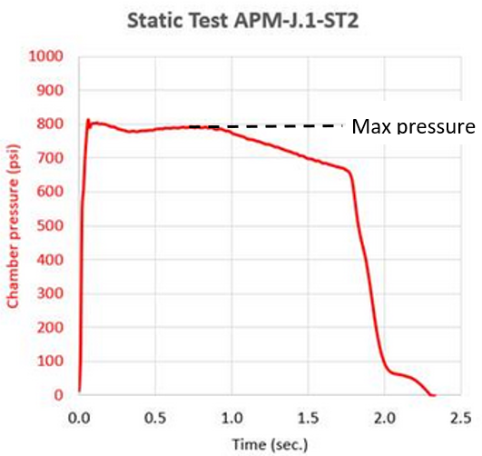
to the maximum chamber pressure (ignoring the initial pressure spike).

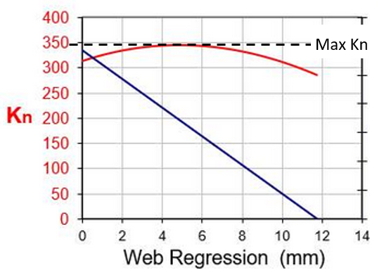
In addition to the static test results, it is necessary to know certain propellant properties
These properties are mass density, combustion temperature, ratio of specific heats (k),
number of gas moles and characteristic velocity (C-Star). Mass density is obtained from
measurement of the actual propellant grain. The other properties can be taken directly from
ProPep (or GuiPep) output for the given propellant. Ideal C-Star from ProPep can be used,
however, C-Star obtained from test data will give a more accurate result for the burn rate
parameters. The C-Star worksheet can be utilized to simplify calculation of C-Star from
test pressure data.

The burn rate parameters that are calculated are:
"a", the burn rate coefficient
"n", the pressure exponent
as related to the Saint Robert's Law for propellant burn rate:
r = a Pn
where "r" is the burn rate and "P" is the chamber pressure.

The values of "a" and "n" obtained by this method should be considered as tentative and need
to be checked for fidelity by plugging these values into a rocket motor design application
such as SRM.XLS and comparing the resulting time-pressure prediction to the static test results.

For best results, the spread of Kn/pressure pairing for the two static test firings should be
appreciable, and should be in the range of design interest. For example, if wanting to design
a rocket motor (utilizing the propellant of interest) that operates in the 800 psi region, the
Kn/pressure pairing might correspond to 750 psi and 850 psi, in a 'best case' scenario.

For complete details of this method, including worked examples, see:
Simplified Method to Estimate Burn Rate Parameters
( https://www.nakka-rocketry.net/burnrate-simple.htm )

ProPep
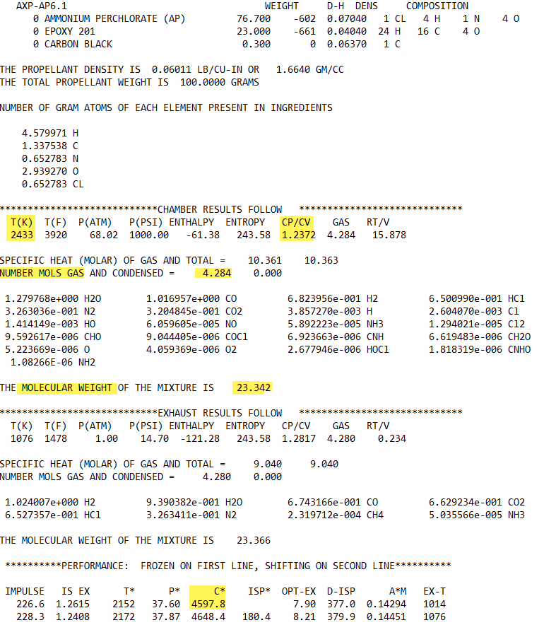
EXAMPLE ProPEP output

