Consulta_old
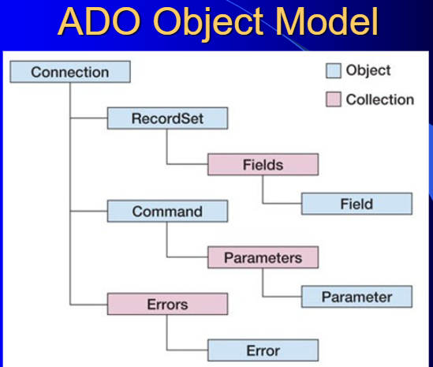
ADO (ActiveX Data Objects) es uno de los mecanismos que usan los programas de computadoras para comunicarse con las bases de datos, darles órdenes y obtener resultados de ellas.
Con ADO, un programa puede leer, insertar, editar, o borrar, la información contenida en diferentes áreas de almacenamiento dentro de la base de datos llamadas tablas. Además, se puede manipular la propia base de datos para crear nuevas áreas para el almacenamiento de información (tablas), como también alterar o eliminar las ya existentes, entre otras cosas.
Fue desarrollado por Microsoft y es usado en ambientes Windows por lenguajes de programación como Visual Basic, C++, Delphi entre otros, como también en la Web mediante el uso de Active Server Pages (ASP) y el lenguaje VBScript.

