Folha1
Age | Contagem de PlayerNumber
18-24 | 32 | 0.7111
25-34 | 5 | 0.1111
35-44 | 1 | 0.0222
45-54 | 5 | 0.1111
Contagem de PlayerNumber por Age
55-64 | 2 | 0.0444

Folha2
OftenPlayVideoGames | Contagem de PlayerNumber
1-2 | 8 | 0.1778
3-4 | 9 | 0.2000
5_or_more | 20 | 0.4444
Contagem de PlayerNumber por OftenPlayVideoGames
rarely | 8 | 0.1778

Folha5
Dominant Type | Contagem de PlayerNumber
-Achiever | 9
-Achiever-Explorer | 1
Contagem de PlayerNumber por Dominant Type
-Explorer | 15
Killer | 9
Killer-Achiever | 2
Killer-Achiever-Explorer | 1
-Socializer | 7
-Socializer-Explorer | 1

Day 2
PlayerNumber | Day2 Player Type
1 | Killer
10 | Explorer & Socializer
11 | Explorer
12 | Explorer & Socializer
13 | Explorer & Socializer
14 | Explorer
15 | Achiever
17 | Killer & Achiever & Socializer
18 | Explorer
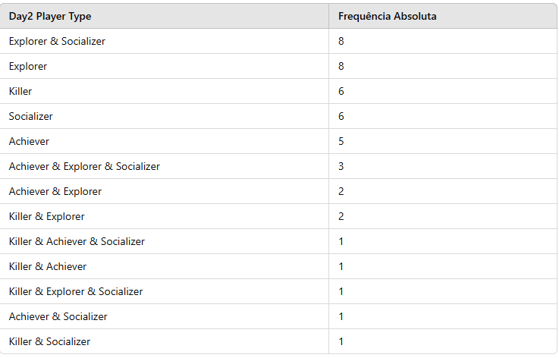
2 | Explorer
20 | Explorer
22 | Killer & Achiever
24 | Socializer
25 | Killer |  | 24
26 | Explorer & Socializer |  |  | 0.5333
27 | Achiever |  | 12
28 | Explorer & Socializer |  |  | 0.2667
29 | Achiever & Explorer & Socializer |  | 21
3 | Achiever |  |  | 0.4667
31 | Killer |  | 13
33 | Achiever & Explorer |  |  | 0.2889
35 | Achiever & Explorer & Socializer
38 | Socializer
39 | Explorer & Socializer
4 | Killer
40 | Killer & Explorer
41 | Explorer & Socializer
42 | Explorer & Socializer
43 | Socializer
44 | Killer
45 | Killer & Explorer
46 | Socializer
47 | Achiever
48 | Socializer
49 | Explorer
5 | Killer
50 | Socializer
51 | Achiever & Explorer
52 | Explorer
53 | Explorer
56 | Achiever & Explorer & Socializer
57 | Killer & Explorer & Socializer
6 | Achiever & Socializer
8 | Achiever
9 | Killer & Socializer | 0.44444444444

