Задание
В файле приведён фрагмент базы данных «Аудиотека» о записанных альбомах и композициях различных исполнителей. База данных состоит из четырёх таблиц. Таблица «Альбомы» содержит записи о записанных альбомах, а также информацию о исполнителях. Таблица «Артисты» содержит записи о названии исполнителей. Таблица «Треки» содержит записи о записанных композициях, а также информацию о альбомах и жанрах. Поле Длительность содержит длительность аудиозаписи в миллисекундах, поле Размер содержит размер аудиозаписи в Байтах, а поле Стоимость содержит стоимость аудиозаписи в рублях. Таблица «Жанры» содержит записи о названии жанров. На рисунке приведена схема указанной базы данных
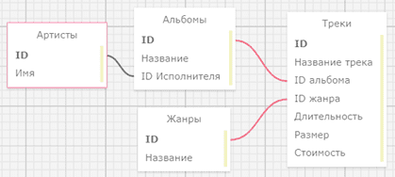

Используя информацию из приведённой базы данных, ответьте на следующий вопрос: Сколько Мегабайт занимают все песни группы The Rolling Stones?
В ответе укажите целую часть получившегося числа.

