Задание
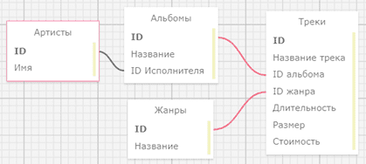
В файле приведён фрагмент базы данных «Аудиотека» о записанных альбомах и композициях различных исполнителей. База данных состоит из четырёх таблиц. Таблица «Альбомы» содержит записи о записанных альбомах, а также информацию о исполнителях. Таблица «Артисты» содержит записи о названии исполнителей. Таблица «Треки» содержит записи о записанных композициях, а также информацию о альбомах и жанрах. Поле Длительность содержит длительность аудиозаписи в миллисекундах, поле Размер содержит размер аудиозаписи в Байтах, а поле Стоимость содержит стоимость аудиозаписи в рублях. Таблица «Жанры» содержит записи о названии жанров. На рисунке приведена схема указанной базы данных

Используя информацию из приведённой базы данных, ответьте на следующий вопрос: Найдите исполнителя в жанре Metal с наименьшим суммарным размером песен в этом жанре.
В ответе укажите целую часть размера его песен в Мегабайтах

