Analysis1
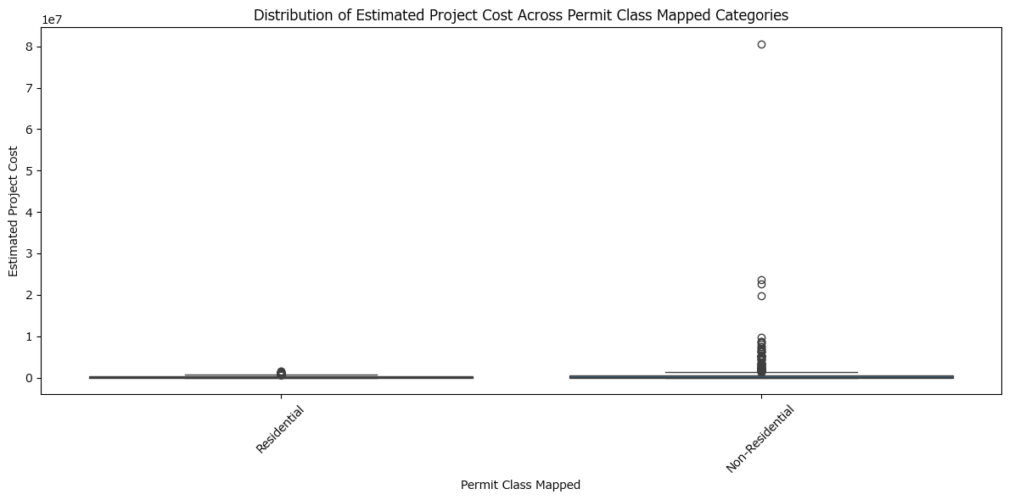
Analysis Sheet
This sheet will include all the Python formulas generated by Copilot.

Load data from Building_Permits_Issued_Past_18, A1:AF2515

Preview
 | OBJECTID | workclass | permitclass | proposedworkdescription | permitclassmapped | ... | statuscurrentmapped | workclassmapped | CreationDate | EditDate | permitnum
0 | 208883 | Alteration/Repairs | 0 | Install Beams in the crawlspace to stabilize wall | Residential | ... | Permit Issued | Existing | 2020/10/30 22:09:11.289+00 | 2024/10/26 11:07:27.112+00 | BLDR-044400-2020
1 | 252441 | Addition | 325 | This project consists of construction of a new Power Generation Facility and Fuel Storage Facility, | Non-Residential | ... | Permit Issued | New | 2022/02/23 23:00:59.040+00 | 2024/10/10 11:07:26.513+00 | BLDNR-005138-2022
2 | 253719 | New Residential Dwelling | 101 | New Single Family Home | Residential | ... | Permit Issued | Existing | 2022/04/13 22:01:00.774+00 | 2025/01/19 11:06:06.756+00 | BLDR-019236-2022
3 | 255023 | New Single Family Dwelling | 101 | New single story SFD with finished basement and no a garage. | Residential | ... | Permit Issued | New | 2022/06/09 22:00:57.252+00 | 2024/12/14 11:06:17.737+00 | BLDR-030148-2022
4 | 255212 | New Building | 324 | 4-STORY SHELL MEDICAL OFFICE BUILDING * 2 CASES * BLDNR-031712-2022 SHELL BLDG (MAIN CASE) BLDNR-0 | Non-Residential | ... | Permit Issued | Existing | 2022/06/17 22:00:54.170+00 | 2025/01/03 11:06:48.198+00 | BLDNR-031712-2022
... | ... | ... | ... | ... | ... | ... | ... | ... | ... | ... | ...
2509 | 272396 | Alteration/Repairs | 0 | Remove and replace 18 windows like for like no structural changes. | Residential | ... | Permit Issued | Existing | 2025/01/15 11:06:13.325+00 | 2025/01/18 11:06:57.363+00 | BLDR-001496-2025
2510 | 272397 | Alteration/Repairs | 0 | Renovation of owner's bathroom. Removing non load bearing wall between bathroom and closet. Pull and | Residential | ... | Permit Issued | Existing | 2025/01/15 11:06:13.325+00 | 2025/01/22 11:06:53.010+00 | BLDR-001655-2025
2511 | 272415 | Alteration/Repairs | 0 | Remove and replace 4 windows like for like no structural changes. | Residential | ... | Permit Issued | Existing | 2025/01/15 11:06:13.325+00 | 2025/01/18 11:06:57.363+00 | BLDR-001467-2025
2512 | 272423 | Alteration/Repairs | 0 | Partial remodel of three separate bathrooms. Scope includes eliminating shower and relocating toilet | Residential | ... | Permit Issued | Existing | 2025/01/16 11:06:32.559+00 | 2025/01/22 11:06:53.010+00 | BLDR-001804-2025
2513 | 272434 | Alteration/Repairs | 0 | Augment/improve existing steel soldier beams in basement per engineering report | Residential | ... | Permit Issued | Existing | 2025/01/16 11:06:32.559+00 | 2025/01/22 11:06:53.010+00 | BLDR-001683-2025

Boxplot of 'estprojectcost' by 'permitclassmapped'

