sql_queries
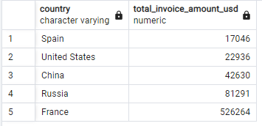
DATA ANALYSIS GOALS USING SQL

IMPORT AND CLEAN THE DATA

A. Create new table

SQL CODE |  | DATA OUTPUT:
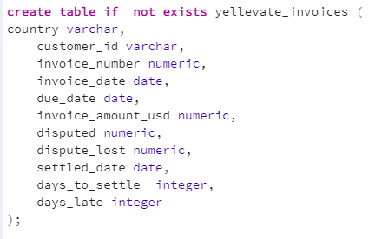

B. Check for wrong spellings

SQL CODE |  | DATA OUTPUT:

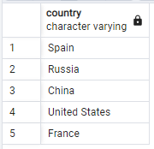

C. Check for null values

SQL CODE |  | DATA OUTPUT:

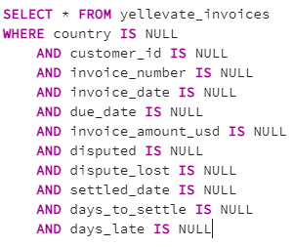

D. Start the analysis

1. Processing time in which invoices ares settled: | 26 DAYS

SQL CODE |  | DATA OUTPUT:

2. Processing time for the company to settle disputes: | 36 DAYS

SQL CODE |  | DATA OUTPUT:

3. Percentage disputes received by the company that were lost: | 17.69%

SQL CODE |  | DATA OUTPUT:

4. Percentage of revenue lost from disputes: | 4.67%

SQL CODE |  | DATA OUTPUT:

5. The country where the company reached the highest losses from lost disputes: | FRANCE

SQL CODE |  | DATA OUTPUT:

tables__calculations_analysis
Calculations
Visualizations &Analysis

The average processing time for Yellevate to settle invoices is 26 days. Russia has the longest processing time to settle invoices with 29 days. It is followed by the US and France with 28 days, while Spain and China takes 25 and 23 days respectively.
The average days for Yellevate to settle disputes is 36 days. France and China had the shortest processing with only 34 days. This is 12% faster than Spain, Russia, and the US that took 37, 38, and 41 days respectively.
France has lost 34.23% of its total disputes which is the highest percentage of lost among other countries (Spain, Russia, US, and China) making up 75% of Yellevate's total disputes lost.
The disputes lost and the processing time to settle disputes do not follow the same trend. Therefore, the processing time for disputes does not affect the number of disputes lost.
France has lost 13.35% of its total revenue which is the highest percentage of lost among other countries (Spain, Russia, US, and China) making up 76% of Yellevate's total lost revenue.
Disputes lost and lost revenue follow the same trend. As the percentage of disputes lost goes up, the percentage of lost revenue also makes an uptrend particularly those accounts in France. Therefore, to lessen the revenue lost and disputes lost, the company must make sure that clients in France make payments for their invoices.
Average Days To Settle Invoices By Country (2020-2021)
Row Labels | Average of days_to_settle
China | 23
Spain | 25
France | 28
United States | 28
Russia | 29
Grand Total | 26

Average Days To Settle Disputes By Country (2020-2021)

disputed | 1

Row Labels | Average of days_to_settle
France | 34
China | 34
Spain | 37
Russia | 38
United States | 41
Grand Total | 36

Disputes Lost Percentage By Country (2020-2021)

Row Labels | Disputes | Lost disputes | disputes lost percentage
Spain | 59 | 4 | 6.78%
China | 61 | 5 | 8.20%
United States | 80 | 3 | 3.75%
Russia | 149 | 13 | 8.72%
France | 222 | 76 | 34.23%
Grand Total | 571 | 101 | 17.69%

Days To Settle Disputes vs Disputes Lost By Country (2020-2021)
disputed | 1

Row Labels | Average of days_to_settle | Sum of dispute_lost
France | 34 | 76
China | 34 | 5
Spain | 37 | 4
Russia | 38 | 13
United States | 41 | 3
Grand Total | 36 | 101

Revenue Lost Percentage By Country (2020-2021)
country | invoice amount | lost revenue
China | 4004896 | 42630
France | 3942291 | 526264
Russia | 2450206 | 81291
Spain | 1634848 | 17046
United States | 2738077 | 22936

Row Labels | Sum of invoice amount | Sum of lost revenue | lost revenue percentage
United States | 2,738,077.00 | 22,936.00 | 0.84%
Spain | 1,634,848.00 | 17,046.00 | 1.04%
China | 4,004,896.00 | 42,630.00 | 1.06%
Russia | 2,450,206.00 | 81,291.00 | 3.32%
France | 3,942,291.00 | 526,264.00 | 13.35%
Grand Total | 14770318 | 690167 | 4.67%

Lost Revenue Percentage vs Disputes Lost Percentage By Country (2020-2021)

Country | losr revenue percentage | lost dispute percentage
Spain | 0.84% | 6.78%
Russia | 1.04% | 8.72%
United States | 1.06% | 3.75%
France | 3.32% | 34.23%
China | 13.35% | 8.20%

Row Labels | Sum of lost dispute percentage | Sum of losr revenue percentage
United States | 3.75% | 0.84%
Spain | 6.78% | 1.04%
China | 8.20% | 1.06%
According to the data that was gathered and analysis that was done, it is apparent that clients from France critically affected Yellevate's cashflow due to disputes. To lessen the frequency of disputes and improve the company's annual revenue, here's what we recommend to do:
The company should review their contract technicalities and make sure that terms written are understandable and unambiguous for every client. (esp. in France)
Make a stricter payment shorter payment term - like 15 days to guarantee that money will keep coming into your business.
Sending payment reminders regularly may also help clients get updated with their invoices and keep them reminded that the deadline is coming up. This way, clients can be persuaded to pay up on time.
Having a discussion with the client about what payment method they are used to would also make getting paid even easier.
The company can offer incentives such as discounts or rewards to those who pay before the invoice due date and give late fees to those who don't pay on time.
Russia | 8.72% | 3.32%
France | 34.23% | 13.35%

