Foglio1
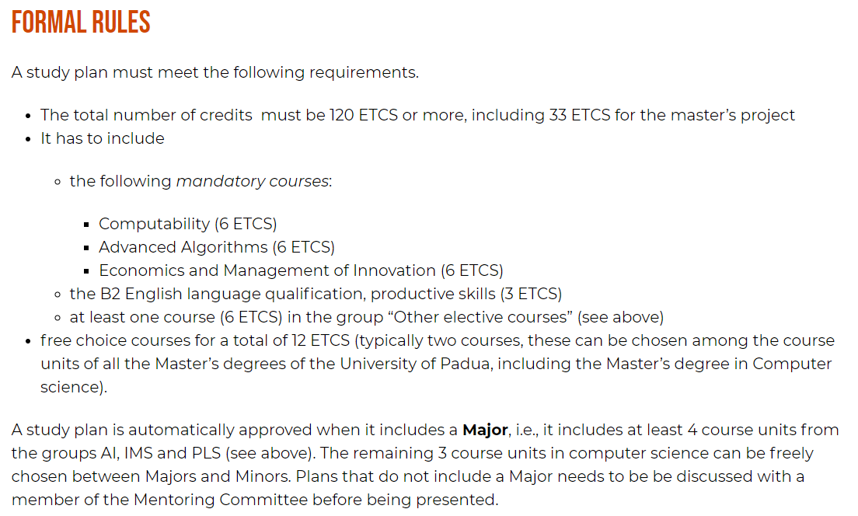
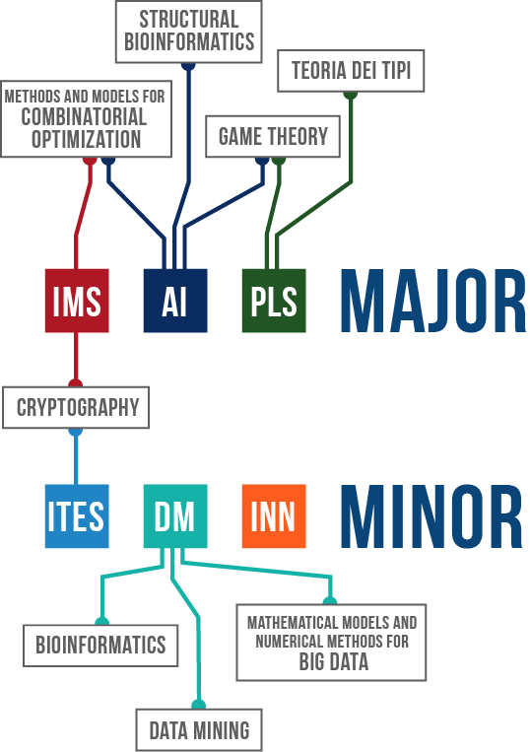
MASTER DEGREE STUDY PLAN (based on IMS)

Course | Professor | Type | Examination Method | Year | Semester | ETCS | PASSED | LEGEND
Game Theory | Thomas Marchioro | Elective | Written | 1 | 1 | 6 | X | ATTENDING
Computability | Paolo Baldan | Mandatory | Written | 1 | 1 | 6 | X | PROJECT PHASE
Web information management | Massimo Marchiori | Major | Project + written | 1 | 1 | 6 | X
Economics and management of innovation | Silvia Rita Sedita | Mandatory | Written | 1 | 2 | 6 | X
Advanced algorithms | Michele Squizzato | Mandatory | Written | 1 | 2 | 6 | X
Advanced topics in computer and network security | Mauro Conti | Major | Project + oral | 1 | 2 | 6 | X
Start-Up in ICT | Fabio D'Alessi | Minor | Team project + written | 1 | 2 | 6 | X
Mobile programming and multimedia | Ombretta Gaggi | Major | Project + oral | 1 | 2 | 6 | X
IT service management | Francesco Clabot | Minor | Small project/report + multiple choice test | 1 | 2 | 6
Wireless networks for mobile applications | Claudio Enrico Palazzi | Major | Individual/team project + oral | 2 | 1 | 6
Cyber physical systems and IOT security | Alessandro Brighente | Minor | Two reports during the course + multiple choice final test | 2 | 1 | 6
Law and data | Fiorella Dal Monte | Free choice | Written | 2 | 1 | 6
Internet of things and smart cities | Marco Giordani | Free choice | Written | 2 | 1 | 6
B2 Productive skills | Michele Squizzato | Mandatory | Oral | 2 | Annual | 3
Other training activities | Davide Bresolin Giovanni Da San Martino | Mandatory | X | 2 | Annual | 6 |  | 2/ 6 credits awarded
Final exam | X | Mandatory | X | 2 | Annual | 33
 |  |  |  |  | TOTAL ETCS | 120

