Foglio1
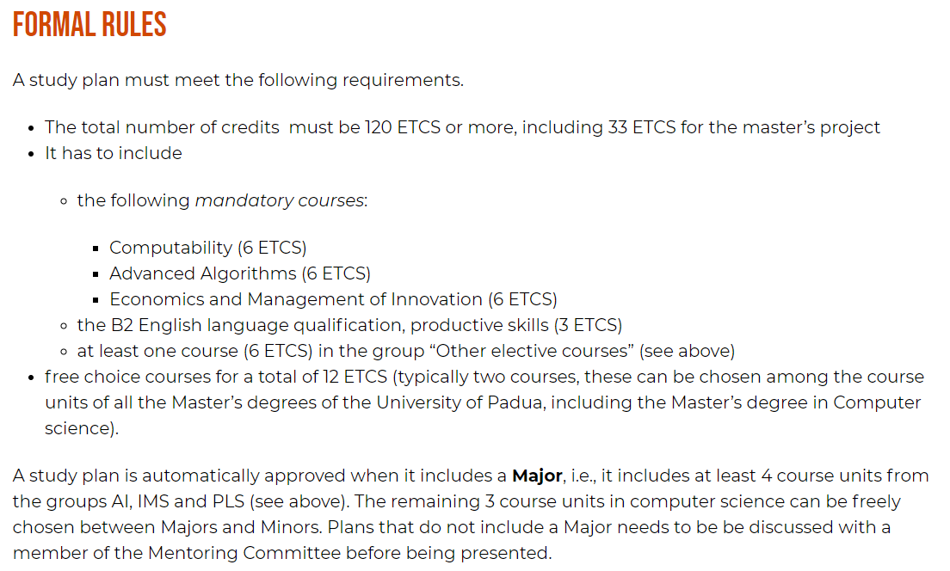
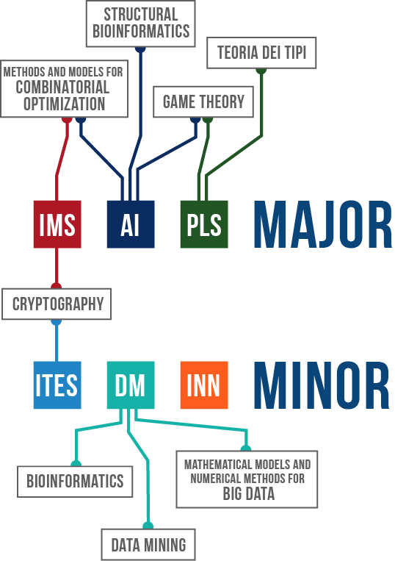
MASTER DEGREE STUDY PLAN (based on IMS)

Course | Professor | Type | Examination Method | Year | Semester | ETCS | PASSED | Look "Web applications" (DEI)
Game Theory | Thomas Marchioro | Elective | Written | 1 | 1 | 6 | X
Computability | Paolo Baldan | Mandatory | Written | 1 | 1 | 6 | X
Web information management | Massimo Marchiori | Major | Project + written | 1 | 1 | 6 | X
Economics and management of innovation | Silvia Rita Sedita | Mandatory | Written | 1 | 1 | 6
Advanced topics in computer and network security | Mauro Conti | Major | Project + oral | 1 | 1 | 6 |  | PROJECT PHASE
Advanced algorithms | Michele Squizzato | Mandatory | Written | 1 | 2 | 6 |  | ATTENDING
Mobile programming and multimedia | Ombretta Gaggi | Major | Project + oral | 1 | 2 | 6
Data mining | Livio Finos | Free choice (6/12 ETCS) | Project + written | 1 | 2 | 6 |  | CHOOSE ANOTHER FREE CHOICE
Start-up in ICT | Fabio D'Alessi | Minor | Team project | 1 | 2 | 6
Security and risk: management and certifications | Simone Soderi | Minor | Written | 1 | 2 | 6
B2 Productive skills | Michele Squizzato | Mandatory | Written + oral | 1 | Annual | 3
IT service management | Francesco Clabot | Minor | Small project/report + multiple choice test | 2 | 2 | 6 |  | CHOOSE ANOTHER MINOR/MAJOR
Cyber physical systems and IOT security | Alessandro Brighente | Free choice (6/12 ETCS) | Report during the course + multiple choice test | 2 | 1 | 6 |  | CHOOSE ANOTHER FREE CHOICE
Wireless networks for mobile applications | Claudio Enrico Palazzi | Major | Individual/team project + oral | 2 | 1 | 6
Seminars and other activities | Davide Bresolin | Mandatory | X | 2 | 1 | 3
Short internship | Davide Bresolin | Mandatory | X | 2 | 2 | 3
Final exam | X | Mandatory | X | 2 | Annual | 33
 |  |  |  |  | TOTAL ETCS | 120

