mimamoriコネクタ
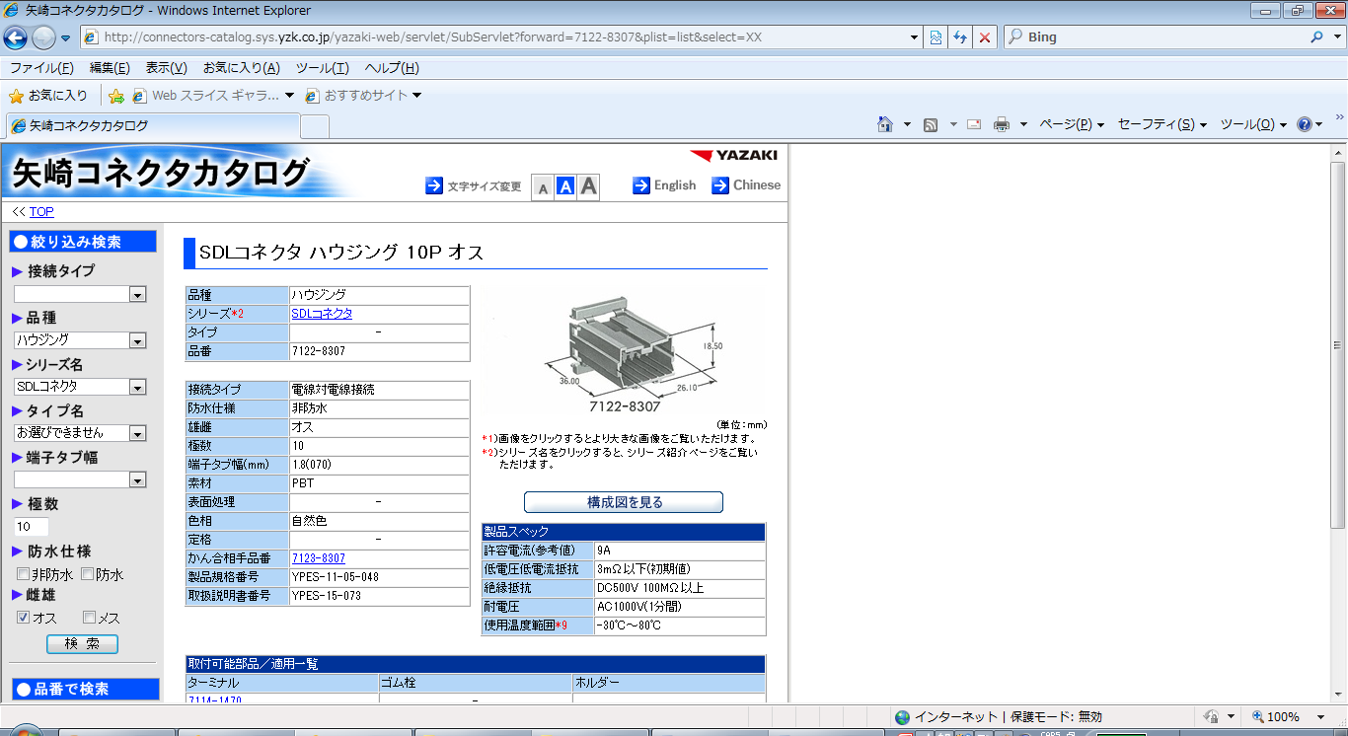
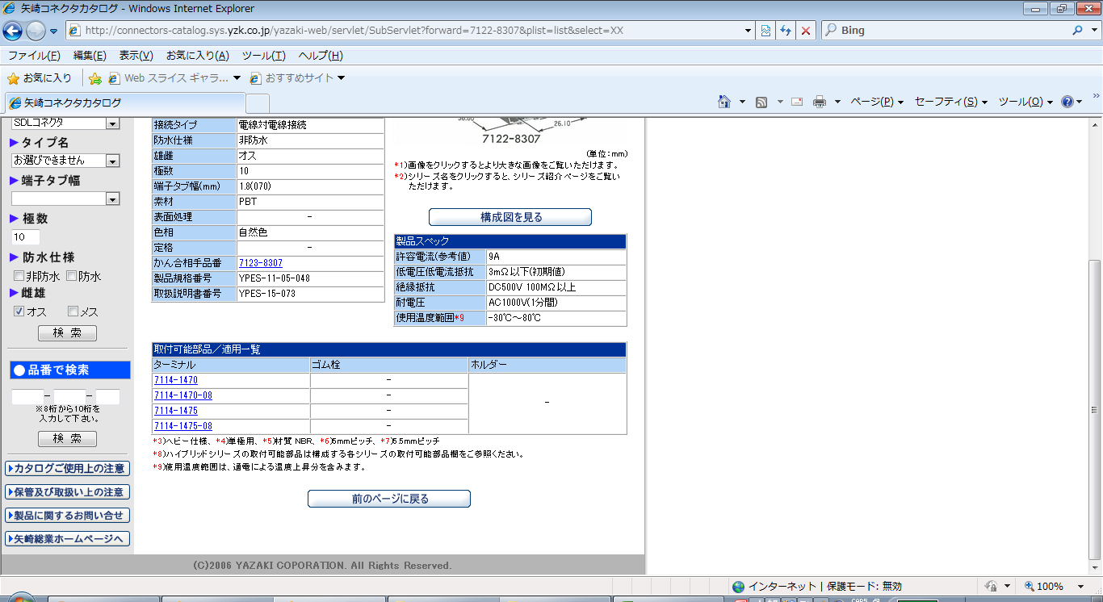
Mimamori RS232C Connector

CAN_H
J1939
7
9
CAN_L
J1939

YAZAKI：SDLコネクタ10P | http://connectors-catalog.sys.yzk.co.jp/yazaki-web/servlet/SubServlet?forward=7122-8307&plist=list&select=XX

