30pin ESP
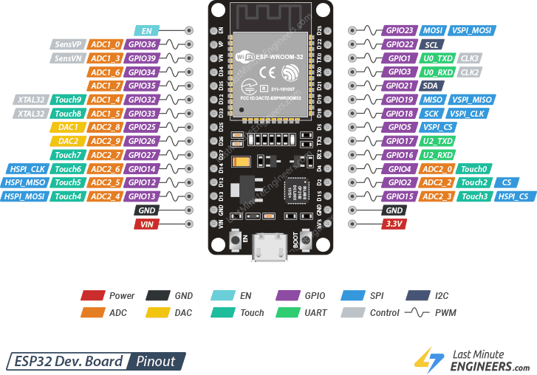

 |  |  | USB
3.3V | 20 | 1st |  | 30 | 30 | vin
gnd | 21 | 2nd |  | 29 | 29 | gnd
gpio15 | 22 | 3rd |  | 28 | 28 | gpio13 | STEP HOME OPTICAL
gpio2 | 23 | 4th |  | 27 | 27 | gpio12
gpio4 | 24 | 5th |  | 26 | 26 | gpio14 | LED RING PWM
gpio16 | 25 | 6th |  | 25 | 25 | gpio27 | GEAR SERVO PWM
gpio17 | 26 | 7th |  | 24 | 24 | gpio26 | STEP IN2
gpio5 | 27 | 8th |  | 23 | 23 | gpio25 | STEP IN1
gpio18 | 28 | 9nt |  | 22 | 22 | gpio33 | STEP IN4
gpio19 | 29 | 10th |  | 21 | 21 | gpio32 | STEP IN3
gpio21 | 30 | 11th |  | 20 | 20 | gpio35
gpio3 | 31 | 12th |  | 19 | 19 | gpio34
gpio1 | 32 | 13th |  | 18 | 18 | gpio39
gpio22 | 33 | 14th |  | 17 | 17 | gpio36
gpio23 | 34 | 15th |  | 17 | 16 | en

