DONOTDELETE
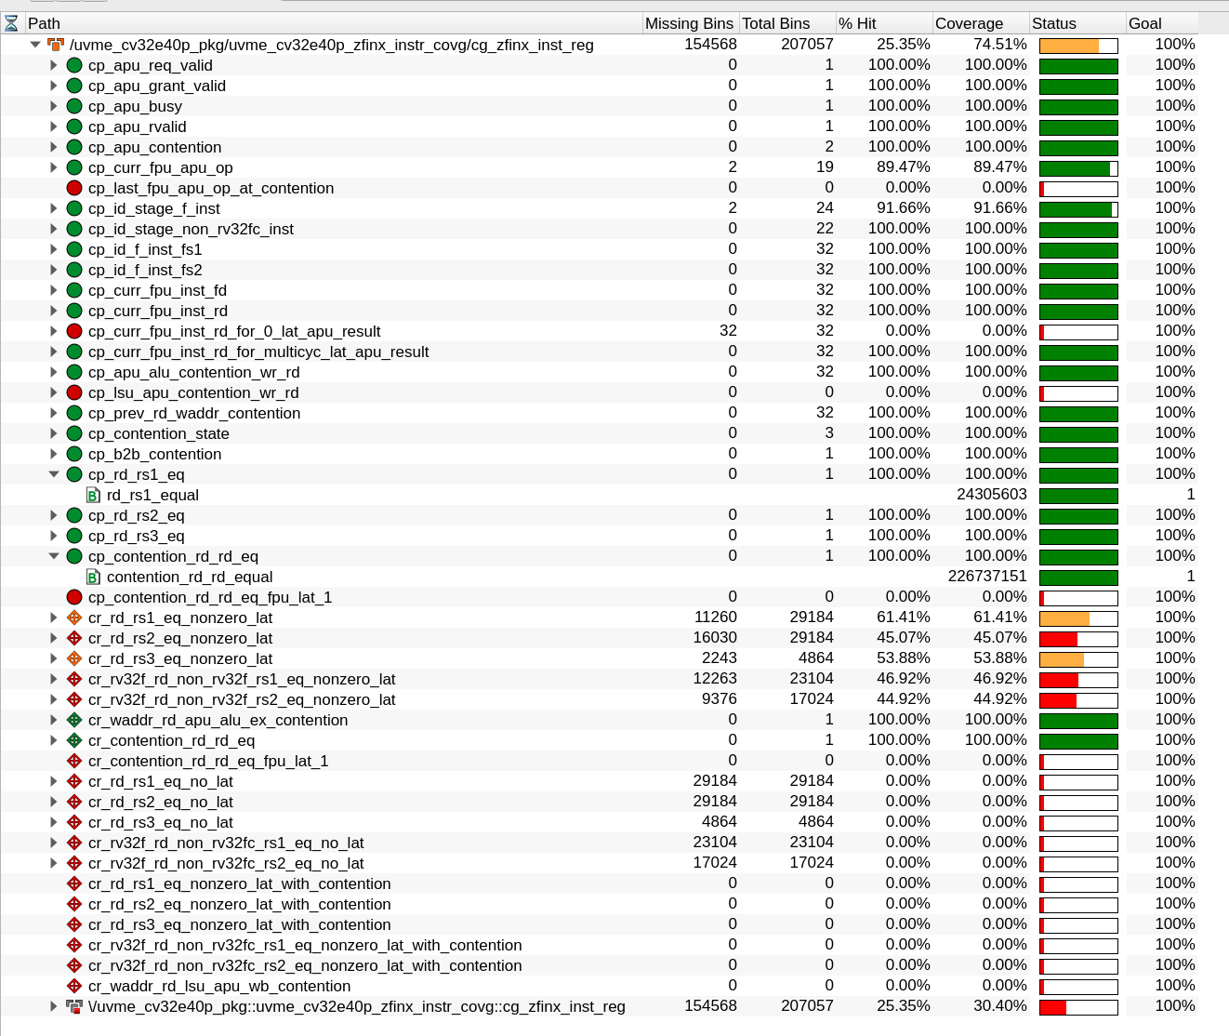
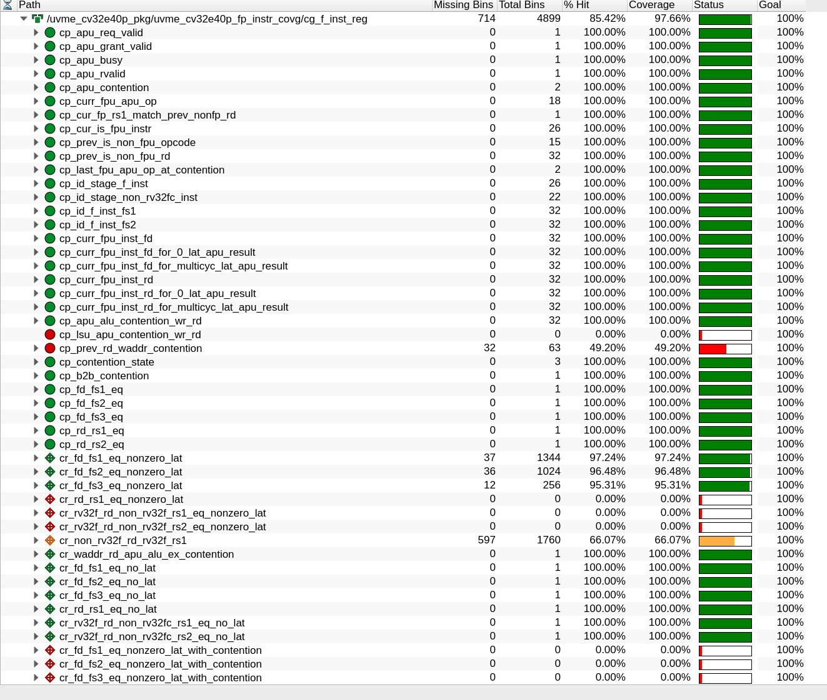
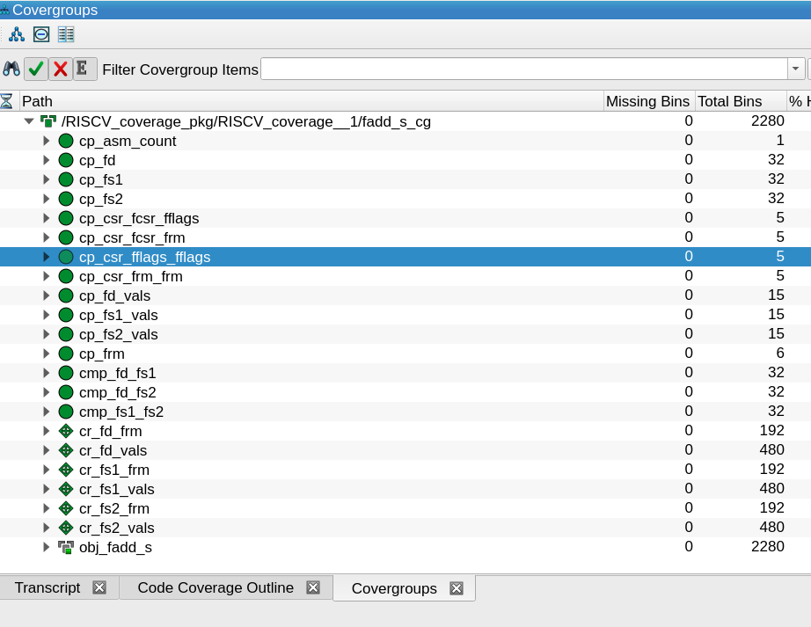
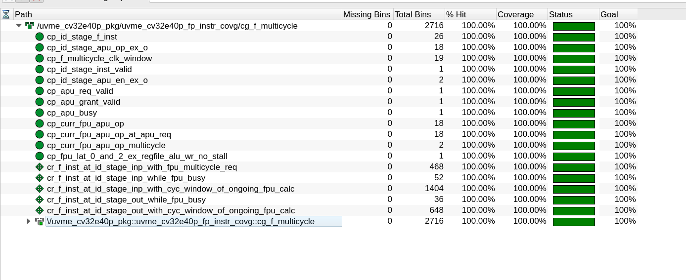

CG: RISCV_coverage_pkg.RISCV_coverage__1.INSTR_cg.cp_rs1 CG: RISCV_coverage_pkg.RISCV_coverage__1.INSTR_cg.cp_rd
CG: RISCV_coverage_pkg.RISCV_coverage__1.INSTR_cg.cp_rd_toggle CG: RISCV_coverage_pkg.RISCV_coverage__1.INSTR_cg.cp_rs1_toggle

CG: RISCV_coverage_pkg.RISCV_coverage__1.INSTR_cg.cp_rs2
CG: RISCV_coverage_pkg.RISCV_coverage__1.INSTR_cg.cp_rs2_toggle

