Sheet1
 | 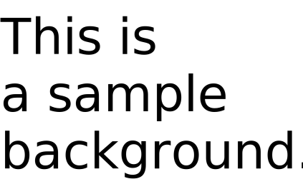 Stage | Cat | Dog1
event_whengreaterthan LOUDNESS 10 |  |  | 'event_whengreaterthan LOUDNESS 10' triggers 'Dog1'
event_whenkeypressed space |  |  | 'event_whenkeypressed space' triggers 'Dog1'
event_whengreaterthan TIMER 20 |  |  | 'event_whengreaterthan TIMER 20' triggers 'Dog1'
event_whenbackdropswitchesto backdrop1 |  |  | 'event_whenbackdropswitchesto backdrop1' triggers 'Dog1'
event_whenflagclicked |  | 'event_whenflagclicked' triggers 'Cat' 'Cat' broadcasts 'Message A'
event_whenthisspriteclicked |  |  | 'event_whenthisspriteclicked' triggers 'Dog1'
event_whenbroadcastreceived Message A |  |  | 'event_whenbroadcastreceived Message A' triggers 'Dog1'

