Bar chart
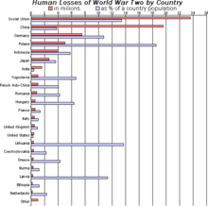
Source | definition | reference
wikipedia |  | https://en.wikipedia.org/wiki/Bar_chart#cite_ref-1

 | Example of a bar chart.

 | A bar chart or bar graph is a chart or graph that presents categorical data with rectangular bars with heights or lengths proportional to the values that they represent. The bars can be plotted vertically or horizontally. A vertical bar chart is sometimes called a line graph.
 | A bar graph shows comparisons among discrete categories. One axis of the chart shows the specific categories being compared, and the other axis represents a measured value. Some bar graphs present bars clustered in groups of more than one, showing the values of more than one measured variable.

oxford | A diagram in which the numerical values of variables are represented by the height or length of lines or rectangles of equal width. | https://en.oxforddictionaries.com/definition/bar_chart

Line chart
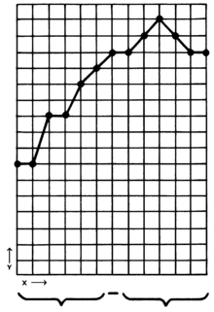
source | definition | reference
wikipedia |  | https://en.wikipedia.org/wiki/Line_chart

 | This simple graph shows data over intervals with connected points

 | A line chart or line graph is a type of chart which displays information as a series of data points called 'markers' connected by straight line segments.[1] It is a basic type of chart common in many fields. It is similar to a scatter plot except that the measurement points are ordered (typically by their x-axis value) and joined with straight line segments. A line chart is often used to visualize a trend in data over intervals of time – a time series – thus the line is often drawn chronologically. In these cases they are known as run charts.[2]

