CreditCardDebt
Credit Card Debt

Credit Card | Balance | Interest Rate | Months | Interest Paid | Total Loan Amount | Monthly Payment
Discover | 2000 | 21 | 3 | 420 | 2420 | 806.6666667
Capital One | 450 | 25 | 3 | 112.5 | 562.5 | 187.5
Citi Card | 975 | 27 | 3 | 263.25 | 1238.25 | 412.75
Target | 1500 | 15 | 3 | 225 | 1725 | 575
Wal-Mart | 780 | 25 | 3 | 195 | 975 | 325
Monthly Payment vs. Credit Card
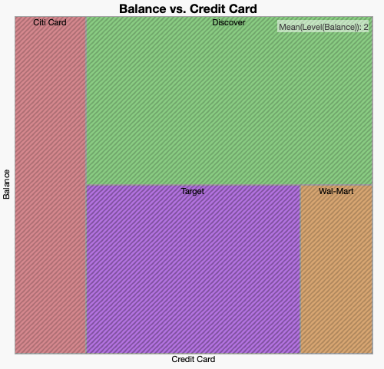

Discover, Capital One, Citi Card, Target and Wal-Mart

Suppliers
SUM of Tax Inclusive Amount vs. Supplier

