V-F characterisation
Voltage to Frequency Characterisation
Precharge prototype, as built Michael Ruppe 19 Apr 2020

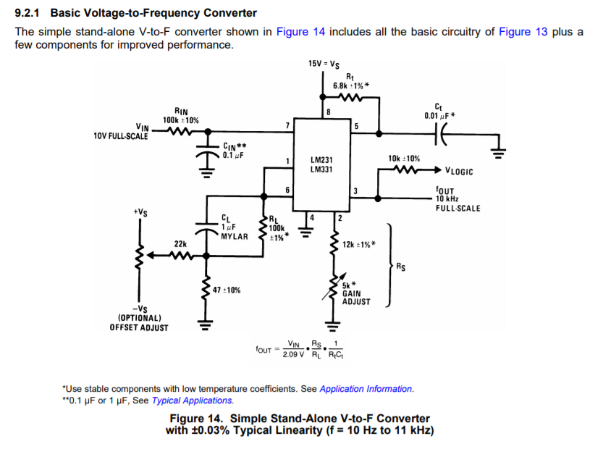

 | Circuit parameters
 | R_S | 1.20E+04 | Ohms
 | R_L | 1.00E+05 | Ohms
 | R_t | 6.80E+03 | Ohms
 | C_t | 1.00E-08 | Farads

Voltage to Frequency response
 | Experimental Data gathered
 | Vin | Faccu [Hz] | Fts [Hz]
 | 12.000 | 8200 | 8000
 | 11.500 | 8250 | 8020
 | 10.450 | 7890 | 7737
 | 9.990 | 7541 | 7393
 | 9.500 | 7171 | 7037
 | 9.010 | 6809 | 6675
 | 8.570 | 6464 | 6359
 | 8.000 | 6031 | 5931
 | 7.460 | 5627 | 5525
 | 6.970 | 5250 | 5161
 | 6.540 | 4927 | 4850
 | 5.950 | 4486 | 4415
 | 5.349 | 4065 | 3993
 | 4.908 | 3700 | 3636
 | 4.509 | 3396 | 3341
 | 4.026 | 3032 | 2983
 | 3.564 | 2681 | 2640
 | 3.062 | 2300 | 2267
 | 2.443 | 1837 | 1810
 | 2.026 | 1524 | 1500
 | 1.454 | 1094 | 1078
 | 1.028 | 776 | 764
 | 0.541 | 412 | 405
 | 0.333 | 255 | 250
 | 0.222 | 172 | 168
 | 0.160 | 127 | 124
 | 0.134 | 108 | 105

