元データ
On-Premise | 68
Serverless Arch | 38 | 18 | 12
 | Same workload as on-premise | Reduced workload as on-premise | No documentation required
On-Premise | 68
Serverless Arch | 38 | 18 | 12

0.55882352941 | 0.26470588235 | 0.55882352941

グラフ
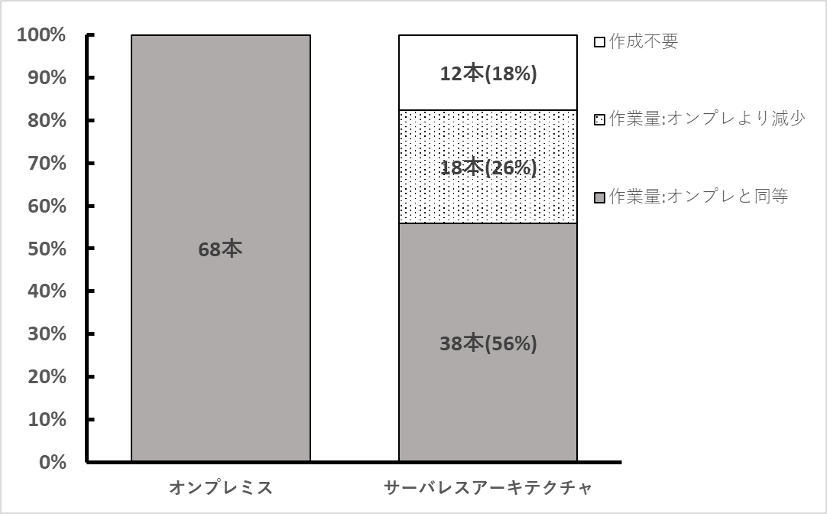
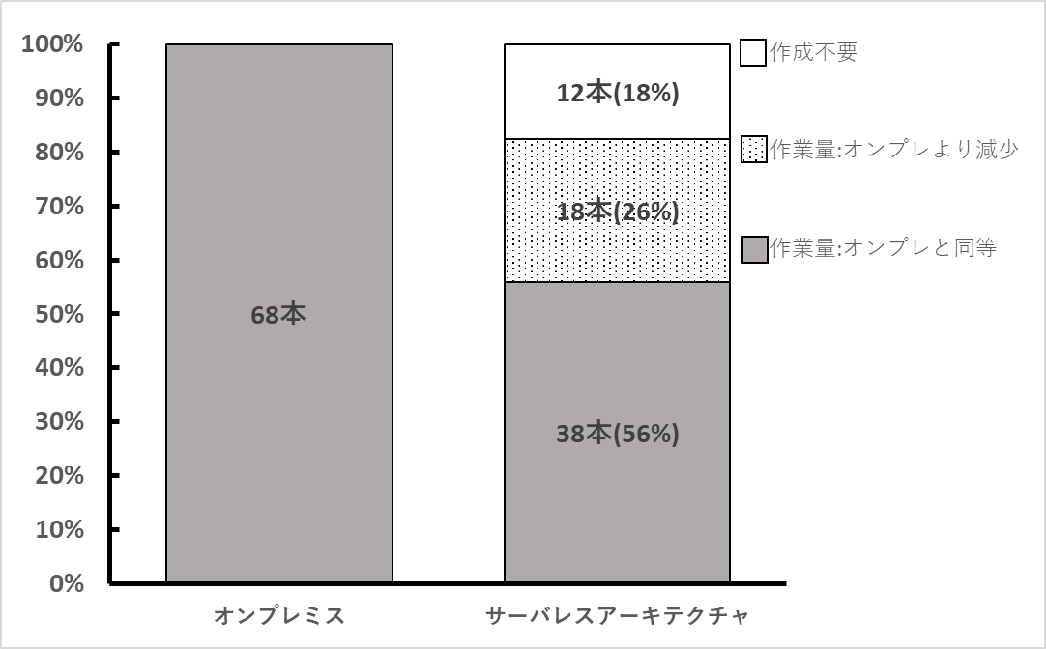

 | Same workload as on-premise | Reduced workload as on-premise | No documentation required
On-Premise | 68
Serverless Arch | 38 | 18 | 12

