FuelPriceRAMSES
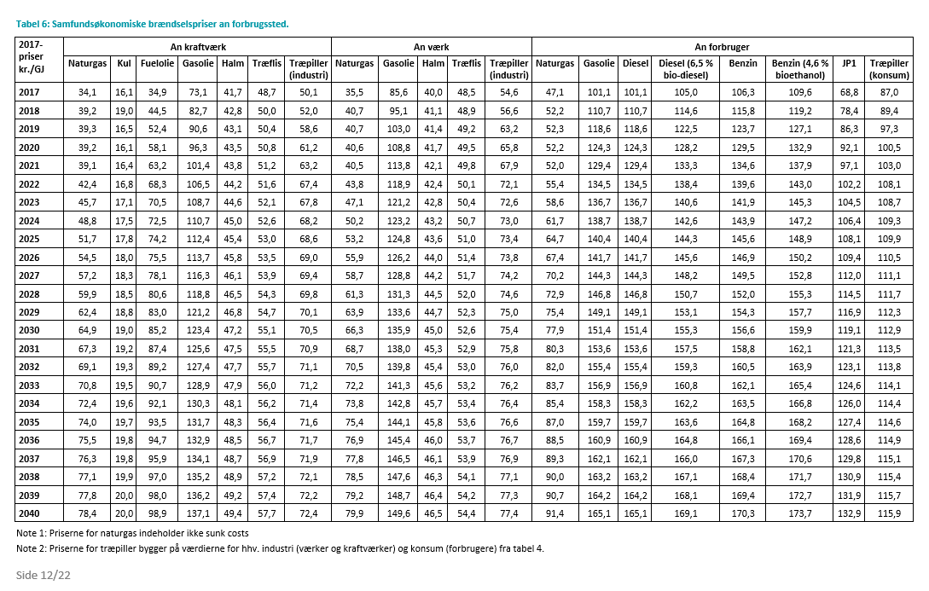
RAMSES version 6.12 DATA SET
DATA612_2012
DNSF
FUEL PRICES WITHOUT TAX
2012-08-20 | IMR
 |  |  |  |  |  |  |  |  |  |  |  |  | kulandel
PriceFct | 1.00 | 1.00 | 1.00 | 1.00 | 1.00 |  | 1.00 | 1.00 |  |  | 1.00 |  | 50% | Deflator fra IMR 13. juni 2012 (både historisk og fremtid).
kr/MWh | 4.83 | 4.45 | 17.63 | 28.25 | 12.81 | 6.53 | 12.32 | 17.50 | 0.03 | 0.00 | 13.38 | 1.58 |  | Brændselspriser svarende til WEO2011 fra IMR 17/8-2012 (2011-2035).
 | Coal | Orimulsion | Fueloil | Gasoil | NatGas | Peat | Straw | Woodfuel | Waste | Biogas | E_crops | Uran | Prisfkt. fuelmix kul/biomasse | 2011-kr./GJ | Deflator | Inflation | Råoliepris, CIF | Kulpris an kraftværk | Fuelolie an kraftværk | Gasolie an kraftværk | Naturgaspris an kraftværk | Halmpris an kraftværk | Træflispris an kraftværk | Træpillepris an kraftværk | Energiafgrøde-pris an værk
Year | kr/GJ | kr/GJ | kr/GJ | kr/GJ | kr/GJ | kr/GJ | kr/GJ | kr/GJ | kr/GJ | kr/GJ | kr/GJ | kr/GJ |  | 2017-kr./GJ
2010 | 15.04 | 13.83 | 28.20 | 66.40 | 16.89 | 21.58 | 39.93 | 50.76 | 0.10 | 0.00 | 39.60 | 4.86 | 0.81 | 2010 | 0.905 | 3.31% | 52.2 | 15.0 | 28.2 | 66.4 | 16.9 | 39.9 | 46.6 | 50.8 | 39.60
2011 | 15.23 | 14.01 | 31.02 | 69.22 | 19.23 | 21.54 | 40.28 | 51.74 | 0.10 | 0.00 | 42.09 | 5.72 | 0.81 | 2011 | 0.910 | 0.55% | 54.7 | 15.2 | 31.0 | 69.2 | 19.2 | 40.3 | 47.1 | 51.7 | 42.1
2012 | 15.42 | 14.18 | 33.84 | 72.04 | 21.57 | 21.51 | 40.63 | 52.72 | 0.10 | 0.00 | 42.58 | 5.72 | 0.81 | 2012 | 0.936 | 2.86% | 57.2 | 15.4 | 33.8 | 72.0 | 21.6 | 40.6 | 47.5 | 52.7 | 42.6
2013 | 15.60 | 14.36 | 36.66 | 74.86 | 23.90 | 21.47 | 40.99 | 53.70 | 0.10 | 0.00 | 43.06 | 5.72 | 0.81 | 2013 | 0.952 | 1.71% | 59.7 | 15.6 | 36.7 | 74.9 | 23.9 | 41.0 | 47.9 | 53.7 | 43.1
2014 | 15.79 | 14.53 | 39.49 | 77.69 | 26.24 | 21.43 | 41.34 | 54.68 | 0.10 | 0.00 | 43.54 | 5.72 | 0.81 | 2014 | 0.961 | 0.95% | 62.1 | 15.8 | 39.5 | 77.7 | 26.2 | 41.3 | 48.3 | 54.7 | 43.5
2015 | 15.98 | 14.70 | 42.31 | 80.51 | 28.58 | 21.39 | 41.69 | 55.66 | 0.10 | 0.00 | 44.03 | 5.72 | 0.81 | 2015 | 0.976 | 1.56% | 64.6 | 16.0 | 42.3 | 80.5 | 28.6 | 41.7 | 48.7 | 55.7 | 44.0
2016 | 16.17 | 14.88 | 45.13 | 83.33 | 30.92 | 21.74 | 42.05 | 56.64 | 0.10 | 0.00 | 44.53 | 5.72 | 0.81 | 2016 | 0.982 | 0.61% | 67.1 | 16.2 | 45.1 | 83.3 | 30.9 | 42.0 | 49.1 | 56.6 | 44.5
2017 | 16.10 | 14.81 | 34.90 | 73.10 | 34.10 | 22.09 | 41.70 | 50.10 | 0.10 | 0.00 | 45.05 | 5.72 | 0.81 | 2017 | 1.000 | 1.83% | 59.9 | 16.1 | 34.9 | 73.1 | 34.1 | 41.7 | 48.7 | 50.1 | 45.0
2018 | 19.00 | 17.48 | 44.50 | 82.70 | 39.20 | 22.44 | 42.80 | 52.00 | 0.10 | 0.00 | 45.56 | 5.72 | 0.82 | 2018 | 1.020 | 2.00% | 67.8 | 19.0 | 44.5 | 82.7 | 39.2 | 42.8 | 50.0 | 52.0 | 45.6
2019 | 16.50 | 15.18 | 52.40 | 90.60 | 39.30 | 22.79 | 43.10 | 58.60 | 0.10 | 0.00 | 46.10 | 5.72 | 0.80 | 2019 | 1.042 | 2.16% | 73.6 | 16.5 | 52.4 | 90.6 | 39.3 | 43.1 | 50.4 | 58.6 | 46.1
2020 | 16.10 | 14.81 | 58.10 | 96.30 | 39.20 | 23.14 | 43.50 | 61.20 | 0.10 | 0.00 | 46.64 | 5.72 | 0.80 | 2020 | 1.065 | 2.21% | 78.7 | 16.1 | 58.1 | 96.3 | 39.2 | 43.5 | 50.8 | 61.2 | 46.6
2021 | 16.40 | 15.09 | 63.20 | 101.40 | 39.10 | 23.49 | 43.80 | 63.20 | 0.10 | 0.00 | 47.18 | 5.72 | 0.80 | 2021 | 1.087 | 2.07% | 83.7 | 16.4 | 63.2 | 101.4 | 39.1 | 43.8 | 51.2 | 63.2 | 47.2
2022 | 16.80 | 15.46 | 68.30 | 106.50 | 42.40 | 23.84 | 44.20 | 67.40 | 0.10 | 0.00 | 47.74 | 5.72 | 0.80 | 2022 | 1.107 | 1.84% | 86.0 | 16.8 | 68.3 | 106.5 | 42.4 | 44.2 | 51.6 | 67.4 | 47.7
2023 | 17.10 | 15.73 | 70.50 | 108.70 | 45.70 | 24.19 | 44.60 | 67.80 | 0.10 | 0.00 | 48.30 | 5.72 | 0.80 | 2023 | 1.130 | 2.08% | 88.0 | 17.1 | 70.5 | 108.7 | 45.7 | 44.6 | 52.1 | 67.8 | 48.3
2024 | 17.50 | 16.10 | 72.50 | 110.70 | 48.80 | 24.54 | 45.00 | 68.20 | 0.10 | 0.00 | 48.87 | 5.72 | 0.80 | 2024 | 1.153 | 2.04% | 89.6 | 17.5 | 72.5 | 110.7 | 48.8 | 45.0 | 52.6 | 68.2 | 48.9
2025 | 17.80 | 16.38 | 74.20 | 112.40 | 51.70 | 24.89 | 45.40 | 68.60 | 0.10 | 0.00 | 49.45 | 5.72 | 0.80 | 2025 | 1.178 | 2.17% | 91.0 | 17.8 | 74.2 | 112.4 | 51.7 | 45.4 | 53.0 | 68.6 | 49.5
2026 | 18.00 | 16.56 | 75.50 | 113.70 | 54.50 | 24.89 | 45.80 | 69.00 | 0.10 | 0.00 | 50.04 | 5.72 | 0.80 | 2026 | 1.201 | 1.95% | 93.6 | 18.0 | 75.5 | 113.7 | 54.5 | 45.8 | 53.5 | 69.0 | 50.0
2027 | 18.30 | 16.84 | 78.10 | 116.30 | 57.20 | 24.89 | 46.10 | 69.40 | 0.10 | 0.00 | 50.64 | 5.72 | 0.80 | 2027 | 1.225 | 2.00% | 96.1 | 18.3 | 78.1 | 116.3 | 57.2 | 46.1 | 53.9 | 69.4 | 50.6
2028 | 18.50 | 17.02 | 80.60 | 118.80 | 59.90 | 24.89 | 46.50 | 69.80 | 0.10 | 0.00 | 51.24 | 5.72 | 0.80 | 2028 | 1.250 | 2.04% | 98.4 | 18.5 | 80.6 | 118.8 | 59.9 | 46.5 | 54.3 | 69.8 | 51.2
2029 | 18.80 | 17.30 | 83.00 | 121.20 | 62.40 | 24.89 | 46.80 | 70.10 | 0.10 | 0.00 | 51.86 | 5.72 | 0.80 | 2029 | 1.274 | 1.92% | 100.7 | 18.8 | 83.0 | 121.2 | 62.4 | 46.8 | 54.7 | 70.1 | 51.9
2030 | 19.00 | 17.48 | 85.20 | 123.40 | 64.90 | 24.89 | 47.20 | 70.50 | 0.10 | 0.00 | 52.48 | 5.72 | 0.80 | 2030 | 1.299 | 1.96% | 102.8 | 19.0 | 85.2 | 123.4 | 64.9 | 47.2 | 55.1 | 70.5 | 52.5
2031 | 19.20 | 17.66 | 87.40 | 125.60 | 67.30 | 24.89 | 47.50 | 70.90 | 0.10 | 0.00 | 53.11 | 5.72 | 0.80 | 2031 | 1.325 | 2.00% | 104.6 | 19.2 | 87.4 | 125.6 | 67.3 | 47.5 | 55.5 | 70.9 | 53.1
2032 | 19.30 | 17.76 | 89.20 | 127.40 | 69.10 | 24.89 | 47.70 | 71.10 | 0.10 | 0.00 | 53.75 | 5.72 | 0.80 | 2032 | 1.351 | 1.96% | 106.2 | 19.3 | 89.2 | 127.4 | 69.1 | 47.7 | 55.7 | 71.1 | 53.8
2033 | 19.50 | 17.94 | 90.70 | 128.90 | 70.80 | 24.89 | 47.90 | 71.20 | 0.10 | 0.00 | 54.40 | 5.72 | 0.80 | 2033 | 1.377 | 1.92% | 107.6 | 19.5 | 90.7 | 128.9 | 70.8 | 47.9 | 56.0 | 71.2 | 54.4
2034 | 19.60 | 18.03 | 92.10 | 130.30 | 72.40 | 24.89 | 48.10 | 71.40 | 0.10 | 0.00 | 55.06 | 5.72 | 0.80 | 2034 | 1.404 | 1.96% | 108.9 | 19.6 | 92.1 | 130.3 | 72.4 | 48.1 | 56.2 | 71.4 | 55.1
2035 | 19.70 | 18.12 | 93.50 | 131.70 | 74.00 | 24.89 | 48.30 | 71.60 | 0.10 | 0.00 | 55.73 | 5.72 | 0.80 | 2035 | 1.432 | 1.99% | 110.2 | 19.7 | 93.5 | 131.7 | 74.0 | 48.3 | 56.4 | 71.6 | 55.7
2036 | 19.80 | 18.22 | 94.70 | 132.90 | 75.50 | 24.89 | 48.50 | 71.70 | 0.10 | 0.00 | 55.73 | 6.72 | 0.80 | 2035 | 1.460 | 1.96% | 111.4 | 19.8 | 94.7 | 132.9 | 75.5 | 48.5 | 56.7 | 71.7 | 55.7
2037 | 19.80 | 18.22 | 95.90 | 134.10 | 76.30 | 24.89 | 48.70 | 71.90 | 0.10 | 0.00 | 55.73 | 7.72 | 0.80 | 2036 | 1.488 | 1.92% | 112.5 | 19.8 | 95.9 | 134.1 | 76.3 | 48.7 | 56.9 | 71.9 | 55.7
2038 | 19.90 | 18.31 | 97.00 | 135.20 | 77.10 | 24.89 | 48.90 | 72.10 | 0.10 | 0.00 | 55.73 | 8.72 | 0.80 | 2037 | 1.517 | 1.95% | 113.5 | 19.9 | 97.0 | 135.2 | 77.1 | 48.9 | 57.2 | 72.1 | 55.7
2039 | 20.00 | 18.40 | 98.00 | 136.20 | 77.80 | 24.89 | 49.20 | 72.20 | 0.10 | 0.00 | 55.73 | 9.72 | 0.80 | 2038 | 1.546 | 1.91% | 114.4 | 20.0 | 98.0 | 136.2 | 77.8 | 49.2 | 57.4 | 72.2 | 55.7
2040 | 20.00 | 18.40 | 98.90 | 137.10 | 78.40 | 24.89 | 49.40 | 72.40 | 0.10 | 0.00 | 55.73 | 10.72 | 0.80 | 2039 | 1.576 | 1.94% | 115.3 | 20.0 | 98.9 | 137.1 | 78.4 | 49.4 | 57.7 | 72.4 | 55.7

Brændselspriser (kr./GJ) og kvotepriser (kr./ton)
 | Kul | Fuelolie | Naturgas | Halm | Træpiller | Uran | Kvoter
2010 | 15.04 | 28.20 | 16.89 | 39.93 | 50.76 | 4.86 | 107.37286415
2011 | 15.23 | 31.02 | 19.23 | 40.28 | 51.74 | 5.72 | 92.639139928
2012 | 15.42 | 33.84 | 21.57 | 40.63 | 52.72 | 5.72 | 46.802115357
2013 | 15.60 | 36.66 | 23.90 | 40.99 | 53.70 | 5.72 | 62.058552772
2014 | 15.79 | 39.49 | 26.24 | 41.34 | 54.68 | 5.72 | 77.367858724
2015 | 15.98 | 42.31 | 28.58 | 41.69 | 55.66 | 5.72 | 91.731395899
2016 | 16.17 | 45.13 | 30.92 | 42.05 | 56.64 | 5.72 | 105.76710152
2017 | 16.10 | 34.90 | 34.10 | 41.70 | 50.10 | 5.72 | 119.47497559
2018 | 19.00 | 44.50 | 39.20 | 42.80 | 52.00 | 5.72 | 132.85501811
2019 | 16.50 | 52.40 | 39.30 | 43.10 | 58.60 | 5.72 | 147.55279934
2020 | 16.10 | 58.10 | 39.20 | 43.50 | 61.20 | 5.72 | 162.25058056
2021 | 16.40 | 63.20 | 39.10 | 43.80 | 63.20 | 5.72 | 167.65893324
2022 | 16.80 | 68.30 | 42.40 | 44.20 | 67.40 | 5.72 | 173.06728593
2023 | 17.10 | 70.50 | 45.70 | 44.60 | 67.80 | 5.72 | 178.47563861
2024 | 17.50 | 72.50 | 48.80 | 45.00 | 68.20 | 5.72 | 183.8839913
2025 | 17.80 | 74.20 | 51.70 | 45.40 | 68.60 | 5.72 | 189.29234399
2026 | 18.00 | 75.50 | 54.50 | 45.80 | 69.00 | 5.72 | 194.70069667
2027 | 18.30 | 78.10 | 57.20 | 46.10 | 69.40 | 5.72 | 200.10904936
2028 | 18.50 | 80.60 | 59.90 | 46.50 | 69.80 | 5.72 | 205.51740204
2029 | 18.80 | 83.00 | 62.40 | 46.80 | 70.10 | 5.72 | 210.92575473
2030 | 19.00 | 85.20 | 64.90 | 47.20 | 70.50 | 5.72 | 216.33410741
2031 | 19.20 | 87.40 | 67.30 | 47.50 | 70.90 | 5.72 | 221.7424601
2032 | 19.30 | 89.20 | 69.10 | 47.70 | 71.10 | 5.72 | 227.15081278
2033 | 19.50 | 90.70 | 70.80 | 47.90 | 71.20 | 5.72 | 232.55916547
2034 | 19.60 | 92.10 | 72.40 | 48.10 | 71.40 | 5.72 | 237.96751815
2035 | 19.70 | 93.50 | 74.00 | 48.30 | 71.60 | 5.72 | 243.37587084
 |  |  |  |  |  |  |  |  |  |  |  |  |  | Update with below values from Samfundsøkonomiske beregningsforudsætninger 2017

