Data_Dist_&_CAP
 | Regional investigation of potentials |  |  |  |  |  |  |  |  |  |  | SON | Saline aquifers onshore
 | It is wanted to investigate the transport possibilities for CO2 within the different defined regions of Balmorel and TIMES-Scan |  |  |  |  |  |  |  |  |  |  | SOFF | Saline aquifers offshore
 | This is however only done for Norway, Sweden and Denmark, as these are the regions within the Nord Pool, which are known |  |  |  |  |  |  |  |  |  |  | HC | Hydrocarbon fields (Offshore)
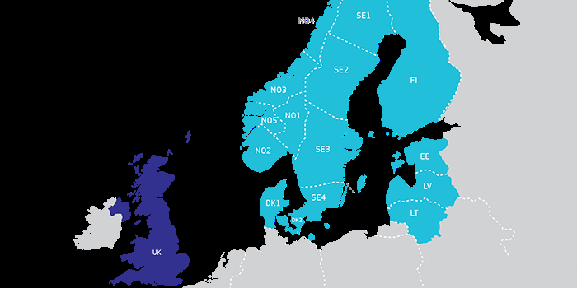
 |  |  |  |  |  | Number of connected regions | Connected regions | Countries | Identified storages | Capacities | in MtCO2
 |  |  |  | CO2 storage - Thisted structure | CO2 storage - Thisted structure | 2 | DK1, DK2 | Denmark | Thisted structure | 11 | 11000 | SON
 |  |  |  | CO2 storage - Gassum structure | CO2 storage - Gassum structure | 2 | DK1, DK2 | Denmark | Gassum structure | 0.6 | 600 | SON
 |  |  |  | CO2 storage - Gassum Aquifer | CO2 storage - Gassum Aquifer | 6 | DK1, DK2, NO1, NO2, NO5, SE3 | Denmark/Norway | Gassum Aquifer | 3.7 | 3700 | SOFF
 |  |  |  | CO2 storage - Norway southern hydrocarbon fields | CO2 storage - Norway southern hydrocarbon fields | 3 | NO1, NO2, NO5 | Norway | Norway middle hydrocarbon fields | 9 | 9000 | HC
 |  |  |  | CO2 storage - Accumulated West/Southern Zealand (Havnsø, Stenlille, Rødby) | CO2 storage - Accumulated West/Southern Zealand (Havnsø, Stenlille, Rødby) | 2 | DK1, DK2 | Denmark | Accumulated West/Southern Zealand (Havnsø, Stenlille, Rødby) | 1.15 | 1150 | SON
 |  |  |  | CO2 storage - Anager Greensand + Höganäs - Rya storage unit | CO2 storage - Anager Greensand + Höganäs - Rya storage unit | 5 | DK1, DK2, SE1, SE2, SE3 | Sweden | Anager Greensand + Höganäs - Rya storage unit | 1 | 1000 | SOFF
 |  |  |  | CO2 storage - Faludden | CO2 storage - Faludden | 5 | DK1, DK2, SE1, SE2, SE3 | Sweden | Faludden | 0.7 | 700 | SOFF
 |  |  |  | CO2 storage - Hanstholm structure | CO2 storage - Hanstholm structure | 6 | DK1, DK2, NO1, NO2, NO5, SE3 | Denmark | Hanstholm structure | 2.8 | 2800 | SOFF
 |  |  |  | CO2 storage - Norway South accumulated (Heimdal, Frigg, Krossfjord, Flensfjord, Johannes, Skade, Sognefjord, Statfjord) | CO2 storage - Norway South accumulated (Heimdal, Frigg, Krossfjord, Flensfjord, Johannes, Skade, Sognefjord, Statfjord) | 6 | DK1, DK2, NO1, NO2, NO5, SE3 | Norway | Norway southern hydrocarbon fields | 9 | 9000 | HC
 |  |  |  | CO2 storage - Norway middle hydrocarbon fields | CO2 storage - Norway middle hydrocarbon fields | 3 | NO1, NO2, NO5 | Norway | Norway northern hydrocarbon fields | 9 | 9000 | HC
 | As can be seen the storage potentials in the North are given by: |  |  | CO2 storage - Gran formation | CO2 storage - Gran formation | 3 | NO1, NO2, NO5 | Norway | Gran formation | 8 | 8000 | SOFF
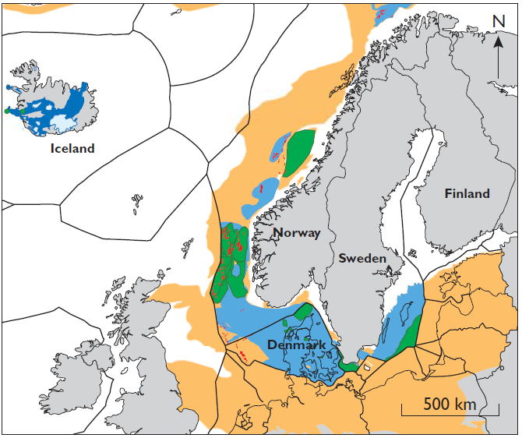
 |  |  |  |  |  | 2 | DK1, DK2 | Denmark | Accumulated Mid/Southern Jutland (Voldum, Paarum, Tønder formations) | 0.48 | 480 | SON
 |  |  |  |  |  | 2 | DK1, DK2 | Denmark | Hydrocarbon fields Denmark | 2.2 | 2200 | HC
 |  |  |  |  |  | 6 | DK1, DK2, NO1, NO2, NO5, SE3 | Norway | Norway South accumulated (Heimdal, Frigg, Krossfjord, Flensfjord, Johannes, Skade, Sognefjord, Statfjord) | 41.95 | 41950 | SOFF

 | As can be seen not all storage potentials are placed in the same distance according to all regions. Therefore a need for defining a price for each region is needed.
 | For this there is going to be set up some different cases in terms of transportation, these take basis on the study Ragnhild Skadestad et. Al. [14]

These numbers are based on investigation made by [17]
Storage/Traps | Places | Country | Knowledge (-78 lowest and 0 highest) | Theretical capacity (Gt) |  | Mt
S | Frigg formation | Norway | -17 | 1.2 |  | 1200
S | Utsari formation | Norway | -22 | 21.3 |  | 21300
S | Johansen formation | Norway | -26 | 0.8 |  | 800
S | Sognefjord formation | Norway | -28 | 11.5 |  | 11500
S | Garn formation | Norway | -43 | 8 |  | 8000
T | Havnsø fm | Denmark | -47 | 0.9 |  | 900
S | Gassum Aq. | Demark/Norway | -48 | 3.7 |  | 3700
T | Gassum St. | Denmark | -49 | 0.6 |  | 600
T | Thisted | Denmark | -57 | 11 |  | 11000
S | Faludden | Sweden | -60 | 0.7 |  | 700
T | Hanstholm | Denmark | -62 | 2.8 |  | 2800
S | Arnager Greensand | Sweden | -64 | 0.5 |  | 500
S | Höganäs-Rya | Sweden | -76 | 0.5 |  | 500

Investigation made by [15]
Denmark | Gt | Mt | Norway | Gt |  | Mt
Hanstholm | 2.8 | 2800 | Utsira and Skade | 15.8 |  | 15800
Gassum | 0.6 | 600 | Bryne/Sanders | 16.2 |  | 16200
Havnsø | 0.9 | 900 | Sognefjord | 4.1 |  | 4100
Paarup | 0.09 | 90 | Stratfjord | 3.6 |  | 3600
Rødby | 0.2 | 200 | Gassum | 2.9 |  | 2900
Stenlille | 0.05 | 50 | Johannes and Cook | 1.8 |  | 1800
Thisted | 11 | 11000 | Fiskerbanke | 1 |  | 1000
Tønder | 0.09 | 90 | Hugin | 0.1 |  | 100
Vedsted | 0.2 | 200 | Stord | 0.15 |  | 150
Voldum | 0.3 | 300 | Hydrocarbon fields | 27 |  | 27000
Hydro carbon | 2.2 | 2200

