Waste_Potential
 |  | Scaling 2010 value: | 0.89

 | ~UC_SETS: R_S: DKE,DKW

 |  |  | FX waste consumption in the power and district heating sector
 |  |  | ~UC_T
UC_N | Pset_PN | Cset_CN | Year | UC_FLO | UC_RHSTS~FX | UC_RHSTS~FX~0
\I: explanation should be incerted
\I: Unit |  |  |  |  | PJ
AF_WST_Cons_DK | FT-ELCWST | ELCWST | 2010 | 1 | 32.2 | 15
 |  |  | 2012 |  | 35.3
 |  |  | 2014 |  | 36.5
 |  |  | 2020 |  | 32.6
 |  |  | 2025 |  | 32.6 |  |  |  |  | The email from Marie Munster (from Amalia's article):
 |  |  | 2030 |  | 32.6 |  |  |  |  | Household and industrial waste projections are calculated using the econometric model FRIDA, developed for the Danish EPA, which links generation of waste in Denmark with economic activities, demographic variables, and a trend representing smooth technological changes and other innovations (Andersen & Larsen, 2012). FRIDA provides projections of waste generation at a national level, assuming an average economic growth of 1.3% between 2014 and 2035, and a total population growth of 7% (Danish Environmental Protection Agency, 2013). The amount of waste available for incineration is then calculated by defining specific recycling goals for each waste fraction and year, which allow to fulfill the EU targets in 2030 (see Figure 4 and Appendix).
 |  |  | 2035 |  | 32.6
 |  |  | 2040 |  | 32.6
 |  |  | 2045 |  | 32.6
 |  |  | 2050 |  | 32.6
 |  |  | 2100 |  | 32.6
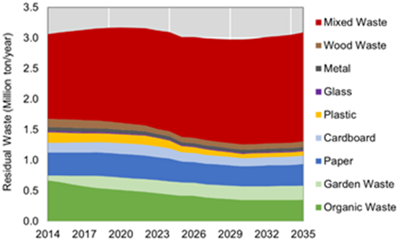
From statistics (see workbook Scen_Z-eStat2014)
waste | Affald | 36 | waste | Affald | 35 |  | Affald | 36.4787

 |  |  | Organic waste used for biogas production
 |  |  |  | ~UC_T
UC_N | Pset_CI | Pset_CO | Cset_CN | Year | UC_FLO | UC_RHSTS~UP | UC_RHSTS~0
\I: explanation should be incerted
\I: Unit |  |  |  |  |  | PJ
AF_WSTBGA_POT_DK | SUPWST | BGA | SUPWST | 2012 | 1 | 1.9 | 15 |  |  | Figure 4. Forecast of household and industrial waste available for incineration in Denmark
 |  |  |  | 2013 |  | 1.9
 |  |  |  | 2014 |  | 2.0
 |  |  |  | 2015 |  | 2.1 |  |  | 12.15957
 |  |  |  | 2016 |  | 2.2
 |  |  |  | 2017 |  | 2.3
 |  |  |  | 2018 |  | 2.4
 |  |  |  | 2019 |  | 2.4
 |  |  |  | 2020 |  | 2.4
 |  |  |  | 2021 |  | 3.2
 |  |  |  | 2022 |  | 3.2
 |  |  |  | 2023 |  | 3.2
 |  |  |  | 2024 |  | 3.3
 |  |  |  | 2025 |  | 3.3
 |  |  |  | 2026 |  | 3.3
 |  |  |  | 2027 |  | 3.4
 |  |  |  | 2028 |  | 3.4
 |  |  |  | 2029 |  | 3.5
 |  |  |  | 2030 |  | 3.5
 |  |  |  | 2031 |  | 3.5
 |  |  |  | 2032 |  | 3.6
 |  |  |  | 2033 |  | 3.6
 |  |  |  | 2034 |  | 3.7
 |  |  |  | 2035 |  | 3.7
 |  |  |  | 2036 |  | 3.7
 |  |  |  | 2037 |  | 3.8
 |  |  |  | 2038 |  | 3.8
 |  |  |  | 2039 |  | 3.8
 |  |  |  | 2040 |  | 3.9
 |  |  |  | 2041 |  | 3.9
 |  |  |  | 2042 |  | 3.9
 |  |  |  | 2043 |  | 4.0
 |  |  |  | 2044 |  | 4.0
 |  |  |  | 2045 |  | 4.0
 |  |  |  | 2046 |  | 4.1
 |  |  |  | 2047 |  | 4.1
 |  |  |  | 2048 |  | 4.1
 |  |  |  | 2049 |  | 4.2
 |  |  |  | 2050 |  | 4.2
 |  |  |  | 2100 |  | 4.2

BIO_PotACT
 | ~UC_SETS: R_S: DKE,DKW |  | Straw potential (national)
 |  |  |  |  |  |  |  | Straw yield and use by unit, crop, region, time and use (Statistics Denmark)
 |  |  | ~UC_T |  |  |  |  | Units: million kg
UC_N | Pset_PN | Cset_CN | Year | UC_IRE-I | UC_RHSTS~UP | UC_RHSTS~0~UP |  |  | Year | Straw total | Straw for energy | Straw for fodder | Straw for bedding etc. | Straw left on the field
\I: explanation should be incerted |  |  |  |  |  |  |  | Production (million kg) | 2014 | 6244 | 1432.3 | 958.9 | 619.3 | 3233.5
\I: Unit |  |  |  |  | PJ |  |  | Share (%) |  | 100% | 22.9% | 15.4% | 9.9% | 51.8%
AU_STR_MINPOT_DK | MINSTR* | STR | 2011 | 1 | 20.2 | 15
 |  | STR | 2012 |  | 18.3 |  |  | Total tonnes straw Denmark 2014 | Straw for energy | Straw left on the field | LHV (GJ/ton) | Straw (PJ)
 |  | STR | 2013 |  | 20.3 |  |  | 6244000 | 1432300 | 3233500 | 14.5 | 67.6541
 |  | STR | 2014 |  | 18.6 |  |  | 100% | 22.9% | 51.8% |  | 74.7%
 |  | STR | 2015 |  | 19.8
 |  | STR | 2016 |  | 19.7
 |  | STR | 2017 |  | 20.2
 |  | STR | 2018 |  | 17.6
 |  | STR | 2019 |  | 36.3
 |  | STR | 2020 |  | 45.6
 |  | STR | 2025 |  | 50.2
 |  | STR | 2030 |  | 52.6
 |  | STR | 2035 |  | 53.7
 |  | STR | 2040 |  | 54.3
 |  | STR | 2045 |  | 54.6
 |  | STR | 2050 |  | 54.8
 |  |  |  |  |  |  |  | Kilde : Hovedrapport fra Biogas Taskforce 2014 |  |  |  |  |  |  |  | From the report |  | Biogas i Danmark - status, barrierer og perspektiver, Energistyrelsen
 |  |  |  |  |  |  |  | Biogaspotentiale |  |  |  |  |  |  |  | Usable mio. t | LHV, wet (MJ/kg) | note
 |  |  |  |  |  |  |  | PJ | 2012 | 2020 | Revideret potentiale | Metan-udbytte (Nm3/ton) |  | Revideret potentiale
 |  |  |  |  |  |  |  | Gylle | 14.5 | 13.8 | 13.80 | 12,2 |  | 28% |  | 22 | 0.85167664671 | 2/3 of the manure is possible to feasible utilise and 9 % of the total content is straw gathred along with the manure
 |  |  |  |  |  |  |  | Dybstrøelse | 6.6 | 6.4 | 6.40 | 55,8 |  | 13%
 |  |  |  |  |  |  |  | Fast staldgødning | 0,6 | 0,1 | 0.10 | 43,8 |  | 0%
 |  |  | Deep litter potential (national) assumed efficiency of 40 % as it is only utilised for biogas production this has been taken into account there |  |  |  |  | Ajle | 0,0 | - | - | 4,5 |  | -
 |  |  |  |  |  |  |  | Halm | 11,5-26,3 | 14-31,3 | 11.50 | 222,1 |  | 24%
 |  |  | ~UC_T |  |  |  |  | Efterafgrøder | 0,3-0,4 | 1-1,2 | 1.10 | 24,6 |  | 2%
UC_N | Pset_PN | Cset_CN | Year | UC_IRE-I | UC_RHSTS~UP | UC_RHSTS~0~UP |  | Naturarealer | 2,2-3,2 | 2,2-3,2 | 2.70 | 143,5 |  | 6%
\I: explanation should be incerted |  |  |  |  |  |  |  | Randzoner | 0,5-1,3 | 0,5-1,3 | 0.90 | 59,5 |  | 2%
\I: Unit |  |  |  |  | PJ |  |  | Grøftekanter | 0,1-0,6 | 0,1-0,6 | 0.30 | 55,2 |  | 1%
AU_DLI_MINPOT_DK | MINDLI* | DLI | 2011 | 1 | 17 | 15 |  | Have-parkaffald | 0,4-0,9 | 0,4-1 | 0.70 | 47,3 |  | 1%
 |  |  | 2035 |  | 16 |  |  | Akvatiske biomasser | 0-0,1 | 0-0 | 0.00 | 25,0 |  | 0%
 |  |  | 2050 |  | 16 |  |  | Husholdningsaffald | 2,6-3,5 | 2,6 -3,5*- | 1.60 | 94,9 |  | 3%
 |  |  |  |  |  |  |  | Organisk industriaffald | 2,5**- | 2,5** | 2.00 | 120,7 |  | 4%
 |  |  | Manure potential (national) |  |  |  |  | Energimajs | - | 3,6 | 1.80 | 100,0 |  | 4%
 |  |  |  |  |  |  |  | Energiroer | - | 3,1 | 1.50 | 75,6 |  | 3%
 |  |  | ~UC_T |  |  |  |  | Kløvergræs | - | 2,5 | 1.20 | 40,6 |  | 2%
UC_N | Pset_PN | Cset_CN | Year | UC_IRE-I | UC_RHSTS~UP | UC_RHSTS~0~UP |  | Roetopensilage | 1,3-2,1 | 2,2-3,6 | 2.90 | 33,8 |  | 6%
\I: explanation should be incerted |  |  |  |  |  |  |  | Total | 43-62 | 55-78 | 48.60 | 30,6 |  | 100%
\I: Unit |  |  |  |  | mio. t |  |  |  | 53 | 66
AU_MNR_ACTPOT_DK | MINMNR | MNR | 2011 | 1 | 19.7 | 15 |  | Tabel 5. Biogas potentiale i PJ fra forskellige biomasseressourcer. Tabellen er primært baseret på AgroTech:
 |  |  | 2020 |  | 18.7 |  |  | Biomasse til biogas i Danmark – på kort og lang sigt, 2013. *AgroTechs skøn for 2012 er fastholdt uændret for 2020
 |  |  | 2050 |  | 18.7 |  |  | **PlanEnergis estimat af biogaspotentialet i organisk industriaffald på ca. 2,5 PJ i Biogas – grøn energi, Peter Jacob
 |  |  |  |  |  |  |  | Jørgensen, PlanEnergi 2009
*from Agrotech, 2013 in Biogas i Danmark - status, barrierer og perspektiver, Energistyrelsen
 |  |  | Wood chips potential ( national)
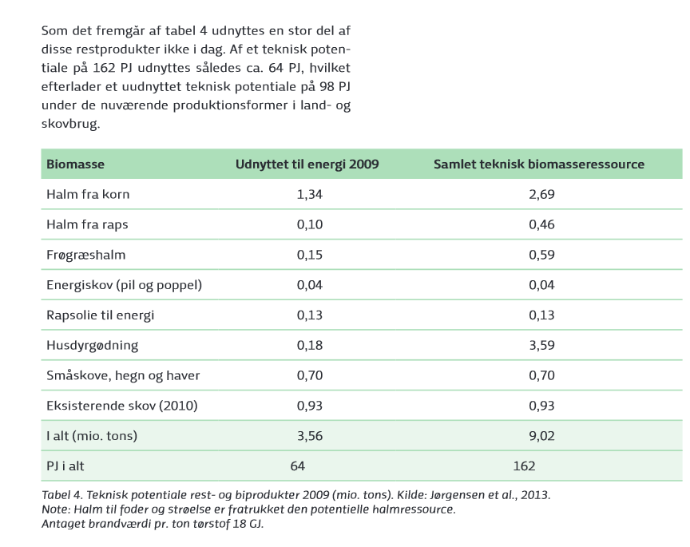
 |  |  |  |  |  |  |  | *SGB The sugar beet potentiale is set assuming that 40.kHa cultivated with sugar beets the yiels is 30t(dry matter)/ha and the energy content is 18GJ/t (dry matter)
 |  |  | ~UC_T |  |  |  |  | Straw - 2011 set to the consumption in 2009 and 2050 is set to the full potential from the scenarios 2014
UC_N | Pset_PN | Cset_CN | Year | UC_IRE-I | UC_RHSTS~UP | UC_RHSTS~0~UP |  | WCH: - 2011 set to the consumption in 2009 and 2050 is set to the full potential from the scenarios 2014
\I: explanation should be incerted |  |  |  |  |  |  |  | ! There is an issue about woodlogs that should be solved - is it used in the households ?
\I: Unit |  |  |  |  | PJ |  |  | There should be made an domestic wood limitation on the group WPE and WCH includes all wood fuel, including woodlogs and wood waste - meaning that the technologies which now is imp should be changed to mining
AU_WCH_MINPOT_DK | MINWCH* | WCH | 2011 | 1 | 11.4 | 15 |  | - 2011 set to the consumption in 2009 and 2050 is set to the full potential from the scenarios 2014
 |  | WCH | 2012 |  | 12.4
 |  | WCH | 2013 |  | 10.8
 |  | WCH | 2014 |  | 11.3
 |  | WCH | 2015 |  | 14.7
 |  | WCH | 2016 |  | 17.1
 |  | WCH | 2017 |  | 19.4
 |  | WCH | 2018 |  | 22.4
 |  | WCH | 2019 |  | 20.5
 |  | WCH | 2020 |  | 19.6
 |  | WCH | 2025 |  | 19.1
 |  | WCH | 2030 |  | 18.9
 |  | WCH | 2035 |  | 18.8
 |  | WCH | 2040 |  | 18.7
 |  | WCH | 2045 |  | 18.7
 |  | WCH | 2050 |  | 18.7

 |  |  | Wood Pellets potential ( national)

 |  |  | UC_T
UC_N | Pset_PN | Cset_CN | Year | UC_IRE-I | UC_RHSTS~UP | UC_RHSTS~0~UP
\I: explanation should be incerted
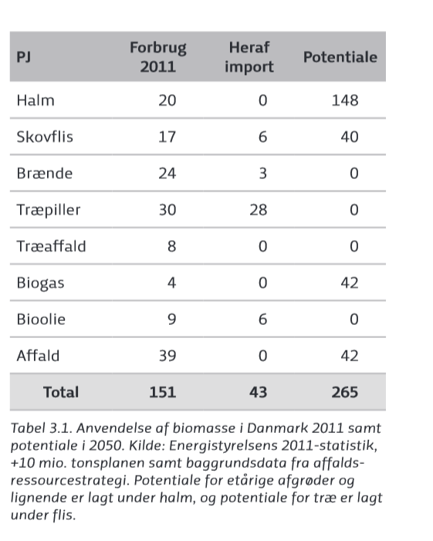
\I: Unit |  |  |  |  | PJ
AU_WPE_MINPOT_DK | MINWPE* | WPE | 2011 | 1 | 2.4 | 15
 |  | WPE | 2012 |  | 1.7
 |  | WPE | 2013 |  | 1.8 |  |  |  |  |  |  |  |  |  | Kilde : DEA scenarios2020, 2035 og 2050, 2014
 |  | WPE | 2014 |  | 1.9
 |  | WPE | 2015 |  | 2.7
 |  | WPE | 2016 |  | 2.9
 |  | WPE | 2017 |  | 2.8
 |  | WPE | 2018 |  | 2.7 |  |  | Kilde Analyse af bioenergi i Danmark, 2014
 |  | WPE | 2019 |  | 2.5
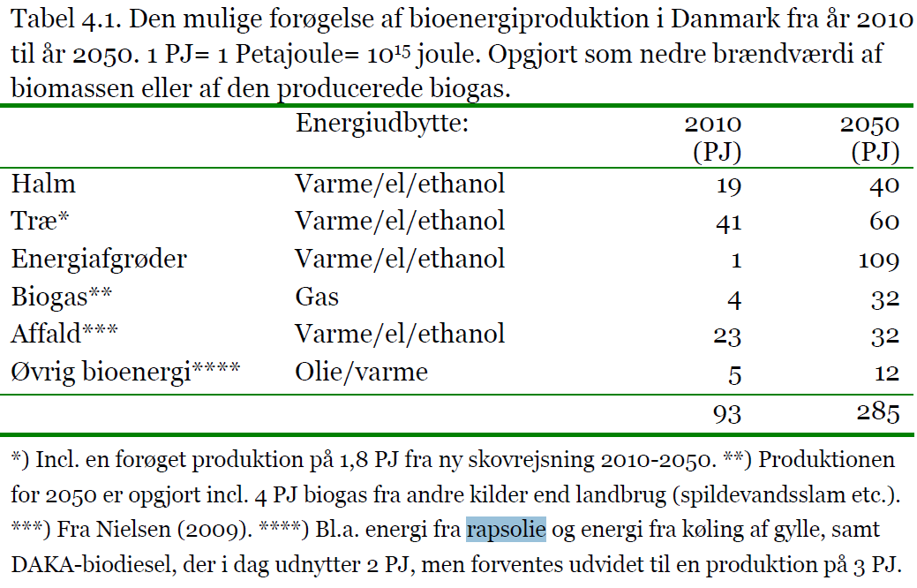
 |  | WPE | 2020 |  | 2.4
 |  | WPE | 2025 |  | 2.3
 |  | WPE | 2030 |  | 2.3
 |  | WPE | 2035 |  | 2.3
 |  | WPE | 2040 |  | 2.3
 |  | WPE | 2045 |  | 2.3
 |  | WPE | 2050 |  | 2.3

 |  |  | Sugar beets SGB potential (national)

 |  |  | ~UC_T
UC_N | Pset_PN | Cset_CN | Year | UC_IRE-I | UC_RHSTS~UP | UC_RHSTS~0~UP
\I: explanation should be incerted
\I: Unit |  |  |  |  | PJ
AU_SGB_MINPOT_DK | MINSGB* | SGB | 2011 | 1 | 10 | 15
 |  |  | 2035 |  | 15
 |  |  | 2050 |  | 15

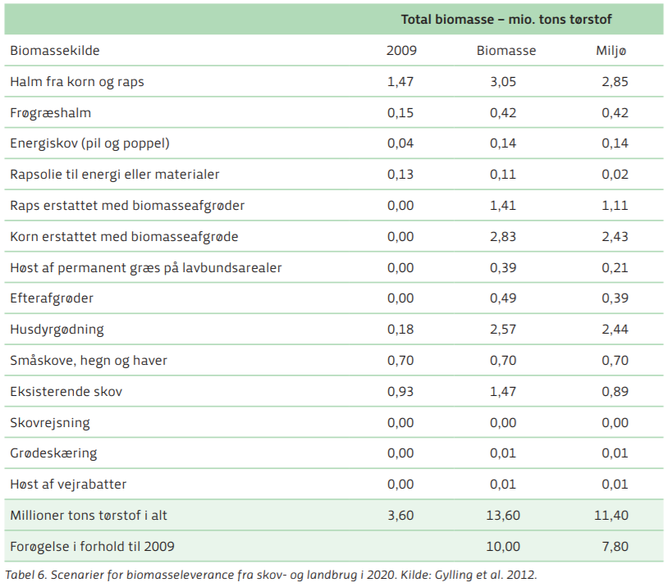

 |  |  | Rapeseed RPS potential (national)
 |  |  |  |  |  |  |  | Bioenergy ressource potential from danish energy agency - bioenergi analyse 2014
 |  |  | ~UC_T |  |  |  |  | https://ens.dk/sites/ens.dk/files/Bioenergi/bioenergi_-_analyse_2014_web.pdf |  | Samlet teknisk biomasseressource
UC_N | Pset_PN | Cset_CN | Year | UC_IRE-I | UC_RHSTS~UP | UC_RHSTS~0~UP |  |  |  | Technical potential
\I: explanation should be incerted |  |  |  |  |  |  |  |  |  |  | 18GJ/ t is assumed
\I: Unit |  |  |  |  | PJ |  |  |  | t dry matter, 2009 | t dry matter, potential | PJ | PJ
AU_RPS_IMPPOT_DK | MINRPS* | RPS | 2011 | 1 | 10 | 15 | STR | Halm fra korn | 1.34 | 2.69 | 24.12 | 48.42
 |  |  | 2035 |  | 12
 |  |  | 2050 |  | 15 |  | STR | Halm fra raps | 0.1 | 0.46 | 1.8 | 8.28

 |  |  |  |  |  |  | Grass | Frøgræshalm | 0.15 | 0.59 | 2.7 | 10.62

 |  |  |  |  |  |  | Energy wood | Energiskov (pil og poppel) | 0.04 | 0.04 | 0.72 | 0.72

 |  |  |  |  |  |  | Rape seed oil | Rapsolie til energi | 0.13 | 0.13

 |  |  |  |  |  |  | Manure | Husdyrgødning | 0.18 | 3.59 | 3.24 | 64.62

 |  |  |  |  |  |  | Wood | Småskove, hegn og haver | 0.7 | 0.7 | 12.6 | 12.6

 |  |  |  |  |  |  | Wood | Eksisterende skov (2010) | 0.93 | 0.93 | 16.74 | 16.74

 |  |  |  |  |  |  |  |  |  | T dry matter |  |  | PJ
 |  |  |  |  |  |  |  | Biomass source |  | 2009 | Biomass max | Biomass enviromental | 2009 | Biomass max | Biomass enviromental
 |  |  | Grass (national) |  |  |  |  | Straw from corn and rape seed | STR | 1.47 | 3.05 | 2.85 | 26.46 | 54.9 | 51.3
 |  |  |  |  |  |  |  | Frøhalmsgræs | GRS | 0.15 | 0.42 | 0.42 | 2.7 | 7.56 | 7.56
 |  |  | ~UC_T |  |  |  |  | Energiskov | Energi dedicated areas | 0.04 | 0.14 | 0.14 | 0.72 | 2.52 | 2.52
UC_N | Pset_PN | Cset_CN | Year | UC_IRE-I | UC_RHSTS~UP | UC_RHSTS~0~UP |  | Rape seed oil | RPS | 0.013 | 0.11 | 0.02 | 0.234 | 1.98 | 0.36
\I: explanation should be incerted |  |  |  |  |  |  |  | Raps erstattet af biomasseafgrøder | Energi dedicated areas | 0 | 1.41 | 1.11 | 0 | 25.38 | 19.98
\I: Unit |  |  |  |  | PJ |  |  | Korn erstattet af biomasseafgrøder | Energi dedicated areas | 0 | 2.83 | 2.43 | 0 | 50.94 | 43.74
AU_GRS_ACTPOT_DK | MINGRS* | GRS | 2011 | 1 | 4.1 | 15 |  | Permament grass from organic soils | GRS | 0 | 0.39 | 0.21 | 0 | 7.02 | 3.78
 |  |  | 2050 |  | 6.7 |  |  | Efterafgrøder | - | 0 | 0.49 | 0.39 | 0 | 8.82 | 7.02
 |  |  |  |  |  |  |  | Husdyrsgødning | MNR | 0.18 | 2.57 | 2.44 | 3.24 | 46.26 | 43.92
 |  |  |  |  |  |  |  | Småskov | Wood | 0.7 | 0.7 | 0.7 | 12.6 | 12.6 | 12.6
 |  |  |  |  |  |  |  | Eksisterende skov | Wood | 0.93 | 1.47 | 0.89 | 16.74 | 26.46 | 16.02
 |  |  |  |  |  |  |  | Skovrejsning | Wood | 0 | 0 | 0 | 0 | 0 | 0
 |  |  | Corn (national) |  |  |  |  | Grødeskæring | Wood | 0 | 0.01 | 0.01 | 0 | 0.18 | 0.18
 |  |  | ~UC_T |  |  |  |  | Høst af vejrabatter | Wood | 0 | 0.01 | 0.01 | 0 | 0.18 | 0.18
UC_N | Pset_PN | Cset_CN | Year | UC_IRE-I | UC_RHSTS~UP | UC_RHSTS~0~UP |  |  | WCH |  |  |  | 13.875404326 | 18.642414402 | 13.705153967
\I: explanation should be incerted |  |  |  |  |  |  |  |  | FIW |  |  |  | 13.773134302 | 18.505008663 | 13.604138789
\I: Unit |  |  |  |  | PJ |  |  |  | WPE |  |  |  | 1.6914613715 | 2.2725769347 | 1.6707072442
AU_CRN_MINPOT_DK | MINCRN* | CRN | 2011 | 1 | 3.6 | 15 |  | Total |  | 3.483 | 13.6 | 11.62 | 62.694 | 244.8 | 209.16
 |  |  | 2050 |  | 3.6

 |  |  | Firewood (national)

 |  |  | ~UC_T
UC_N | Pset_PN | Cset_CN | Year | UC_IRE-I | UC_RHSTS~UP | UC_RHSTS~0~UP
\I: explanation should be incerted
\I: Unit |  |  |  |  | PJ
AU_FIW_MINPOT_DK | MINFIW* | FIW | 2011 | 1 | 20.5 | 15
 |  | FIW | 2012 |  | 19.7
 |  | FIW | 2013 |  | 19.7
 |  | FIW | 2014 |  | 17.9
 |  | FIW | 2015 |  | 21.9
 |  | FIW | 2016 |  | 22.5
 |  | FIW | 2017 |  | 22.5
 |  | FIW | 2018 |  | 22.2
 |  | FIW | 2019 |  | 20.4
 |  | FIW | 2020 |  | 19.4
 |  | FIW | 2025 |  | 19.0
 |  | FIW | 2030 |  | 18.7
 |  | FIW | 2035 |  | 18.6
 |  | FIW | 2040 |  | 18.6
 |  | FIW | 2045 |  | 18.5
 |  | FIW | 2050 |  | 18.5

Onshore Wind - Comparison
Current and planned onshore windpower capacity
 |  | 2008 | 2009 | 2010 | 2011 | 2012 | 2013 | 2014 | 2015 | Max Potential | Source | Comment
TIMES DKE Base year | MW |  |  | 527 |  | 515 |  |  | 497 |  | C:\VEDA\Veda_BE\Databases\Denmark
TIMES DKW Base year | MW |  |  | 2,354 |  | 2,306 |  |  | 2,234 |  | C:\VEDA\Veda_BE\Databases\Denmark
TIMES DKE Planned | MW |  |  |  |  | 77 |  |  | 107 |  | C:\VEDA\Veda_BE\Databases\Denmark
TIMES DKW Planned | MW |  |  |  |  | 448 |  |  | 746 |  | C:\VEDA\Veda_BE\Databases\Denmark
TIMES DK Total | MW |  |  | 2,881 |  | 3,346 |  |  | 3,584 |  | C:\VEDA\Veda_BE\Databases\Denmark
RAMSES DK Total | MW |  |  |  |  | 3,230 | 3,230 | 3,230 | 3,230 |  | DATA612_2013.xls
DCCP DK Total | PJ | 20 |  |  |  |  |  |  |  | 37 | Sektoranalyse el- og varmeforsyning
DCCP DK Total | FLH | 2500 |  |  |  |  |  |  |  | 2500 | Sektoranalyse el- og varmeforsyning | DCCP figures are in PJ and 2500 FLH for today and 3000 FLH for 2050 is used. KEKA remembers a figure of 4,000 MW max. Potential so the FLH for max potential is assumed to be 2500.
DCCP DK Total | MW | 2,222 |  |  |  |  |  |  |  | 4,111 | Sektoranalyse el- og varmeforsyning
DEA DKE Statistic Feb. 2009 | MW |  | 536 |  |  |  |  |  |  |  | Kopi af AnlaegProdLinkTilNettet_20090526_jlun.xls
DEA DKW Statistic Feb. 2009 | MW |  | 2,203 |  |  |  |  |  |  |  | Kopi af AnlaegProdLinkTilNettet_20090526_jlun.xls
DEA DK Total Statistic Feb. 2009 | MW |  | 2,740 |  |  |  |  |  |  |  | Kopi af AnlaegProdLinkTilNettet_20090526_jlun.xls

Onsore Wind Capacity
2008 |  |  | 2222.2222222
2009 |  |  |  | 2,740
2010 | 2880.82
2011
2012 | 3346.1516 | 3230.052
2013 |  | 3230.381
2014 |  | 3230.381
2015 | 3584.117 | 3230.381
Max Potential |  |  | 4111.1111111

