L&IL
COLLEGE OF ENGINEERING
BACHELOR OF SCIENCE IN MECHATRONICS ENGINEERING
Control Systems Engineering: LABORATORY 1

Laplace and Inverse Laplace

 | Submission Date: Week 6
 | Instruction: Read and comprehend the expected output for each task then perform them according to your group designation.

 | Objectives: Use MATLAB as a tool for proving the Laplace and Inverse Laplace Transform of the following functions.

 | Procedure:

 | 1. Solve the laplace and inverse laplace transform of the following functions using MATLAB.
 | 2. Solve for the laplace and inverse laplace transform using written solutions.
 | 3. Compare your answers from MATLAB and written solutions.
 | 4. Provide the following as output of the experiment:

 | A. Separated MATLAB code files of the Laplace and Inverse Laplace Transform
 | B. Scan copy of the written solutions to be posted in README of your Github repository.

 | I. Solve for the Laplace Transform of the following:
 | 1.

 | 2.

 | 3.
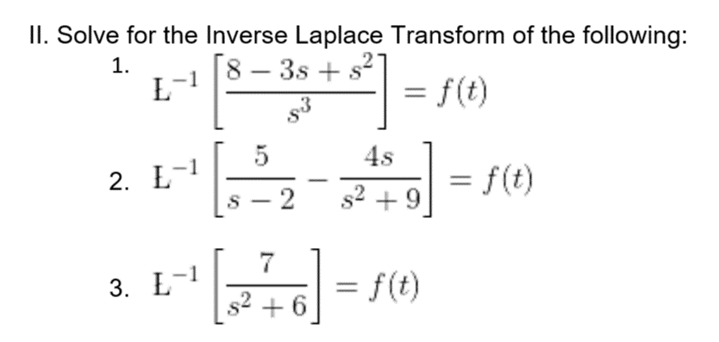

 | III. Solve for the Inverse Laplace Transform of the following:
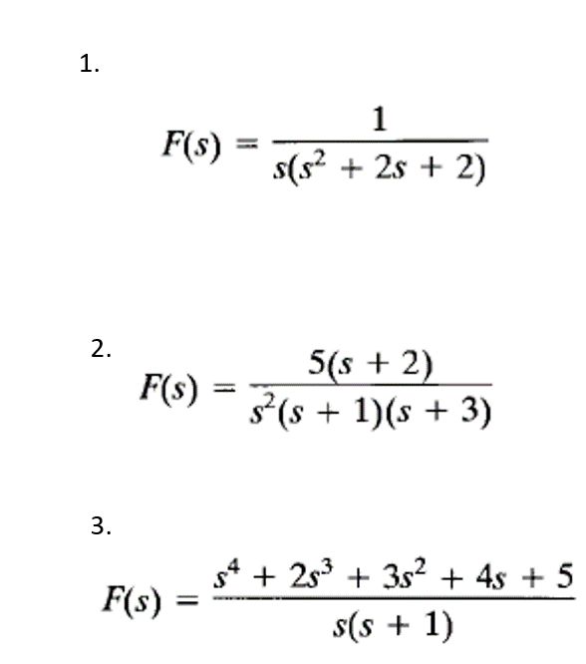

 | All outputs will be submitted on your created repository in Github titled:
 | CSE_Laplace&InverseLaplace_Course_Section_Group#_2024

