Trial 1
a1 | = | 30
a2 | = | 10 | Forward Kinematics |  | Home |  | Inverse Kinematics
a3 | = | 10
a4 | = | 10
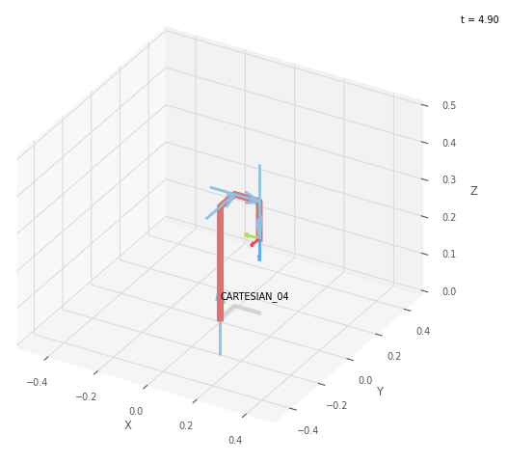
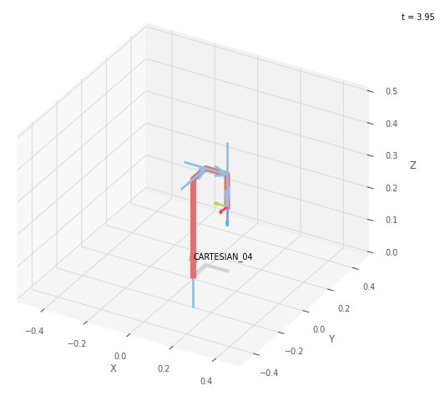
 |  |  |  | FK Joint Variables

 |  |  |  | 0 | 0 | 0
 |  |  |  | cm | deg | deg

 |  |  |  | Position Vector

 |  |  |  | 10 | 10 | 20
 |  |  |  | cm | deg | deg

 |  |  |  | IK Joint Variables

 |  |  |  | 0 | 0 | 0
 |  |  |  | cm | deg | deg

Trial 2
a1 | = | 30
a2 | = | 10 | Forward Kinematics |  | Home |  | Inverse Kinematics
a3 | = | 10
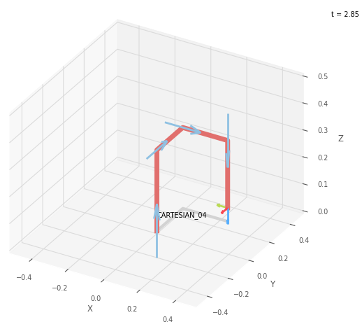
a4 | = | 10

 |  |  |  | FK Joint Variables

 |  |  |  | 15 | 15 | 15
 |  |  |  | cm | deg | deg

 |  |  |  | Position Vector

 |  |  |  | 25 | 25 | 5
 |  |  |  | cm | deg | deg

 |  |  |  | IK Joint Variables

 |  |  |  | 15 | 15 | 15
 |  |  |  | cm | deg | deg

Trial 3
a1 | = | 30
a2 | = | 10 | Forward Kinematics |  | Home |  | Inverse Kinematics
a3 | = | 10
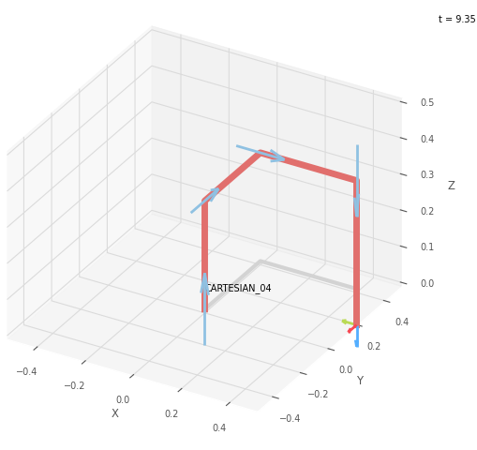
a4 | = | 10

 |  |  |  | FK Joint Variables

 |  |  |  | 30 | 30 | 30
 |  |  |  | cm | deg | deg

 |  |  |  | Position Vector

 |  |  |  | 40 | 40 | -10
 |  |  |  | cm | deg | deg

 |  |  |  | IK Joint Variables

 |  |  |  | 30 | 30 | 30
 |  |  |  | cm | deg | deg

Trial 4
a1 | = | 30
a2 | = | 10 | Forward Kinematics |  | Home |  | Inverse Kinematics
a3 | = | 10
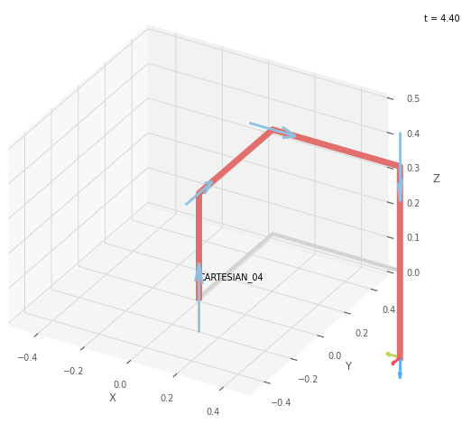

a4 | = | 10

 |  |  |  | FK Joint Variables

 |  |  |  | 45 | 45 | 45
 |  |  |  | cm | deg | deg

 |  |  |  | Position Vector

 |  |  |  | 55 | 55 | -25
 |  |  |  | cm | deg | deg

 |  |  |  | IK Joint Variables

 |  |  |  | 45 | 45 | 45
 |  |  |  | cm | deg | deg

Trial 5
a1 | = | 30
a2 | = | 10 | Forward Kinematics |  | Home |  | Inverse Kinematics
a3 | = | 10
a4 | = | 10
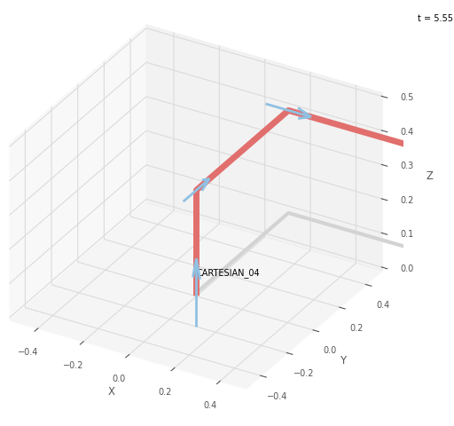

 |  |  |  | FK Joint Variables

 |  |  |  | 60 | 60 | 60
 |  |  |  | cm | deg | deg

 |  |  |  | Position Vector

 |  |  |  | 70 | 70 | -40
 |  |  |  | cm | deg | deg

 |  |  |  | IK Joint Variables

 |  |  |  | 60 | 60 | 60
 |  |  |  | cm | deg | deg

