Trial 1
 | TRIAL 1

FORWARD KINEMATICS | HOME |  |  | INVERSE KINEMATICS

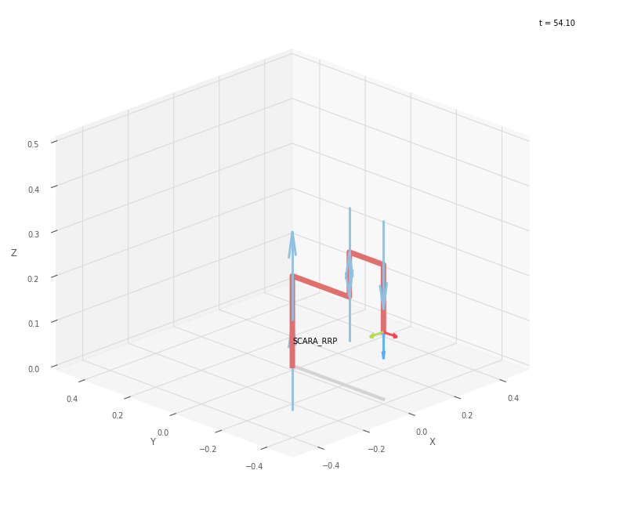
 | FK Joint Variables
 | -90 | 0 | 0
 | deg | deg | cm

 | Position Vector
 | 0 | -40 | 15
 | cm | cm | cm

 | IK Joint Variables
 | -90 | 0 | 0
 | deg | deg | cm

 | Link Lengths
 | a1 | = | 20
 | a2 | = | 25
 | a3 | = | 10
 | a4 | = | 15
 | a5 | = | 15

Trial 2
 | TRIAL 2

FORWARD KINEMATICS | HOME |  |  | INVERSE KINEMATICS

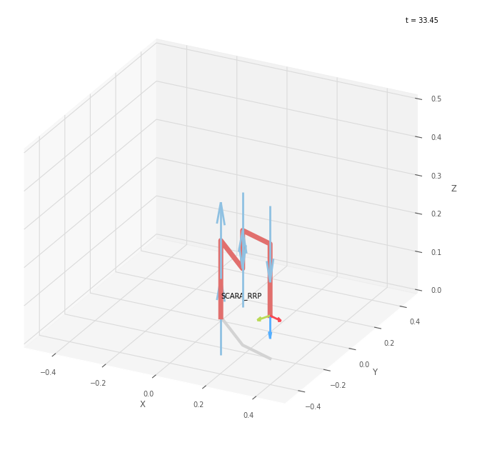
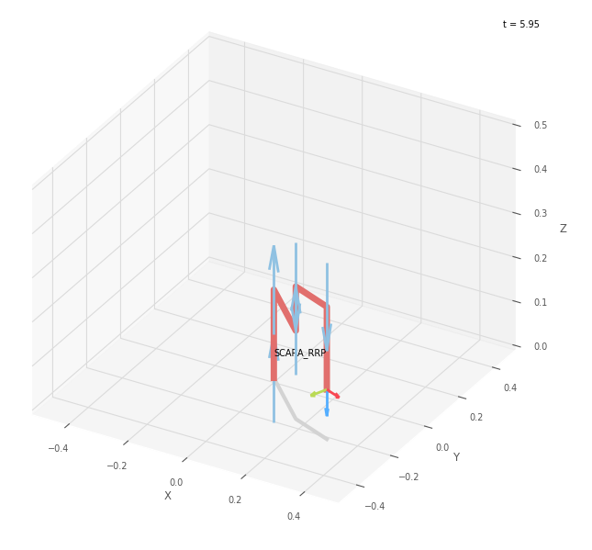
 | FK Joint Variables
 | -45 | 22.5 | 3.75
 | deg | deg | cm

 | Position Vector
 | 31.536 | -23.418 | 11.25
 | cm | cm | cm

 | IK Joint Variables
 | -44.999 | 22.498 | 3.75
 | deg | deg | cm

 | Link Lengths
 | a1 | = | 20
 | a2 | = | 25
 | a3 | = | 10
 | a4 | = | 15
 | a5 | = | 15

Trial 3
 | TRIAL 3

FORWARD KINEMATICS | HOME |  |  | INVERSE KINEMATICS

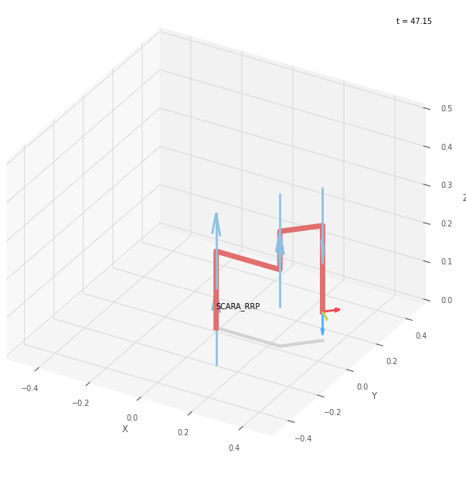
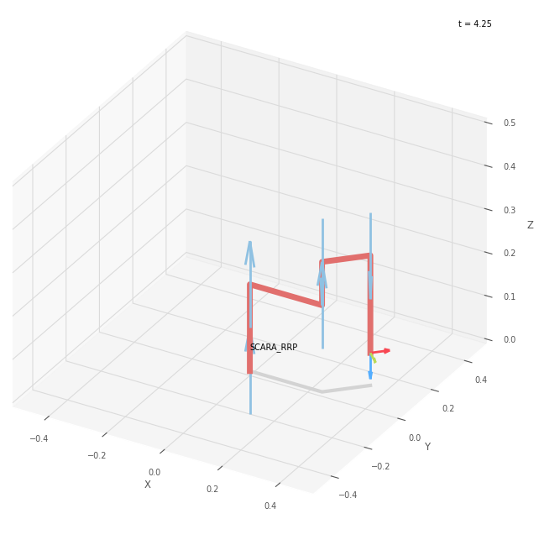
 | FK Joint Variables
 | 0 | 45 | 7.5
 | deg | deg | cm

 | Position Vector
 | 35.607 | 10.607 | 7.5
 | cm | cm | cm

 | IK Joint Variables
 | 0.002 | 44.996 | 7.5
 | deg | deg | cm

 | Link Lengths
 | a1 | = | 20
 | a2 | = | 25
 | a3 | = | 10
 | a4 | = | 15
 | a5 | = | 15

Trial 4
 | TRIAL 4

FORWARD KINEMATICS | HOME |  |  | INVERSE KINEMATICS

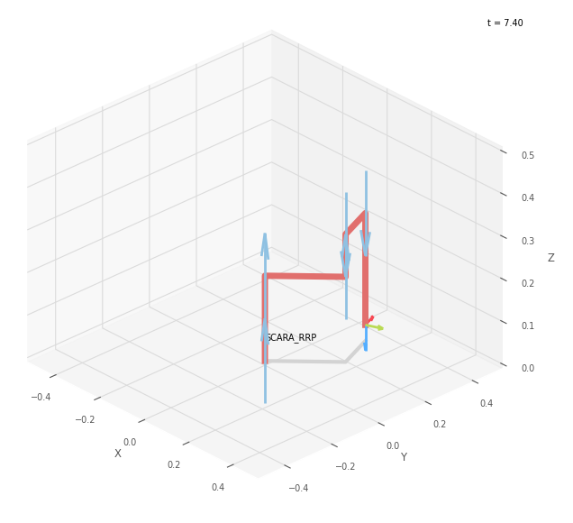
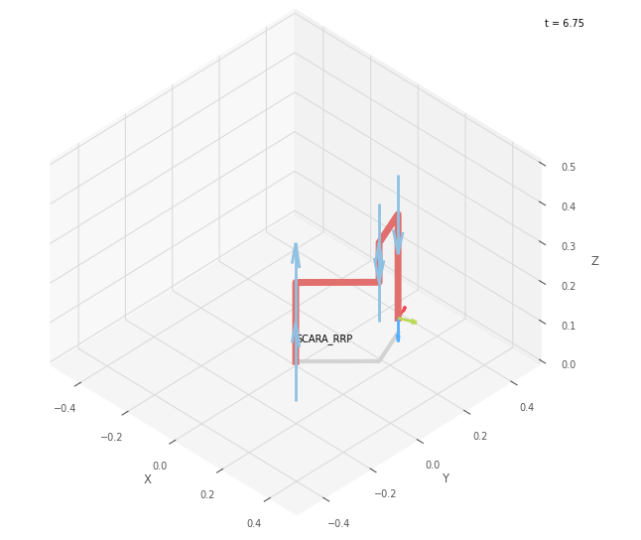
 | FK Joint Variables
 | 45 | 67.5 | 11.25
 | deg | deg | cm

 | Position Vector
 | 11.937 | 31.536 | 3.75
 | cm | cm | cm

 | IK Joint Variables
 | 45.001 | 67.5 | 11.25
 | deg | deg | cm

 | Link Lengths
 | a1 | = | 20
 | a2 | = | 25
 | a3 | = | 10
 | a4 | = | 15
 | a5 | = | 15

Trial 5
 | TRIAL 4

FORWARD KINEMATICS | HOME |  |  | INVERSE KINEMATICS

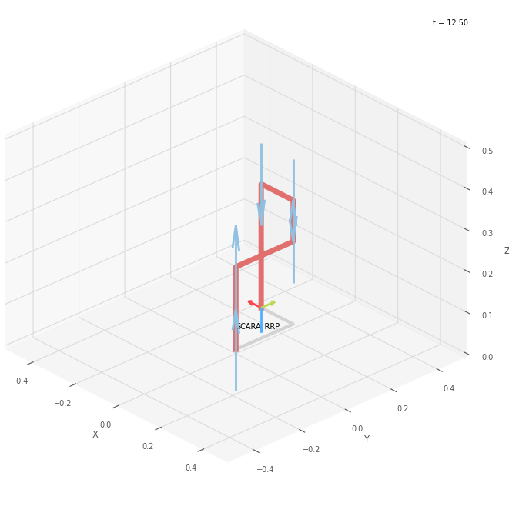
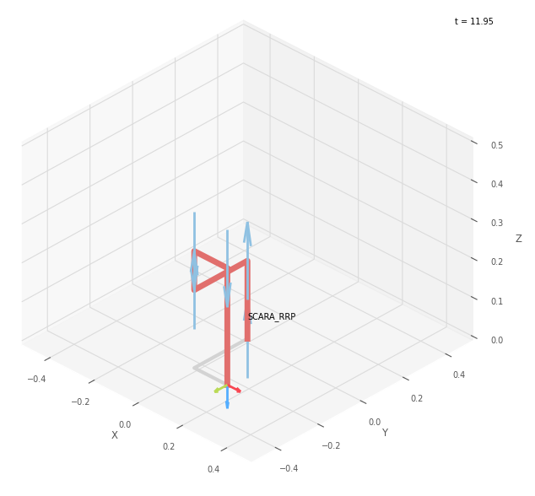
 | FK Joint Variables
 | 90 | 90 | 15
 | deg | deg | cm

 | Position Vector
 | -15 | 25 | 0
 | cm | cm | cm

 | IK Joint Variables
 | -90 | 90 | 15
 | deg | deg | cm

 | Link Lengths
 | a1 | = | 20
 | a2 | = | 25
 | a3 | = | 10
 | a4 | = | 15
 | a5 | = | 15

