Trial 1
a1 = 20
a2 = 30
a3 = 10

FORWARD KINEMATICS | HOME |  |  | INVERSE KINEMATICS

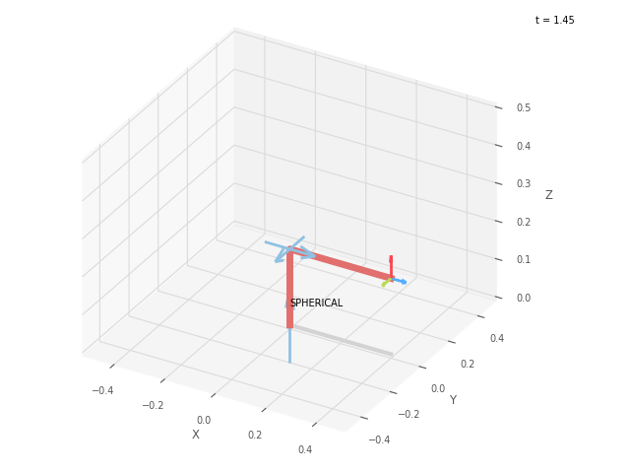
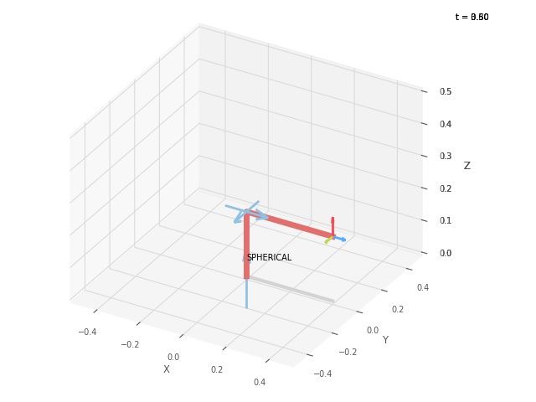
 | FK JOINT VARIABLES

 | 0 | 0 | 0

 | deg | deg | cm

 | POSITION VECTORS

 | 40 | 0 | 20

 | cm | cm | cm

 | IK JOINT VARIABLES

 | 0 | 0 | 0

 | deg | deg | cm

Trial 2
a1 = 20
a2 = 30
a3 = 10

FORWARD KINEMATICS | HOME |  |  | INVERSE KINEMATICS
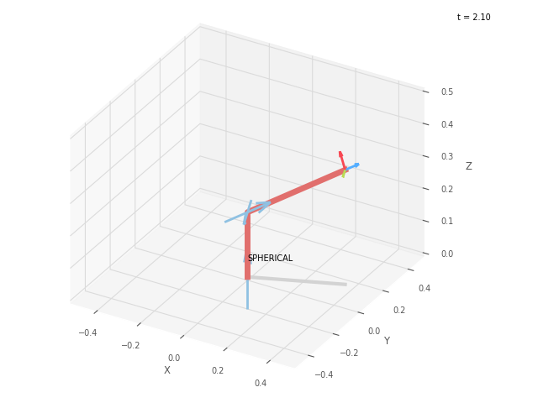


 | FK JOINT VARIABLES

 | 21.25 | 21.25 | 2.5

 | deg | deg | cm

 | POSITION VECTORS

 | 36.917 | 14.356 | 35.404

 | cm | cm | cm

 | IK JOINT VARIABLES

 | 21.25 | 21.251 | 2.5

 | deg | deg | cm

Trial 3
a1 = 20
a2 = 30
a3 = 10

FORWARD KINEMATICS | HOME |  |  | INVERSE KINEMATICS

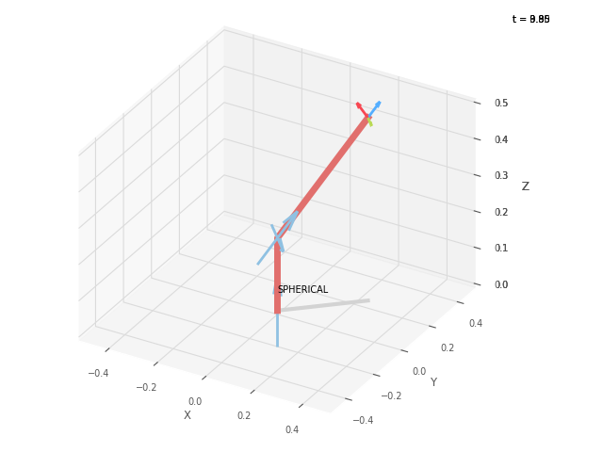

 | FK JOINT VARIABLES

 | 42.5 | 42.5 | 5

 | deg | deg | cm

 | POSITION VECTORS

 | 24.461 | 22.414 | 50.402

 | cm | cm | cm

 | IK JOINT VARIABLES

 | 42.5 | 42.501 | 5

 | deg | deg | cm

Trial 4
a1 = 20
a2 = 30
a3 = 10

FORWARD KINEMATICS | HOME |  |  | INVERSE KINEMATICS
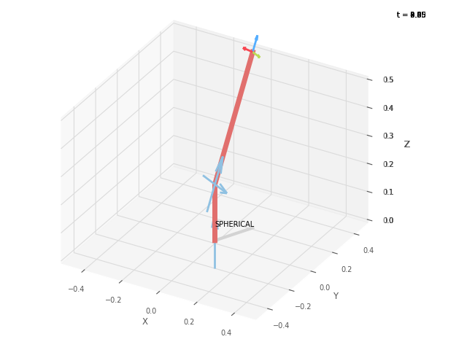


 | FK JOINT VARIABLES

 | 63.75 | 63.75 | 7.5

 | deg | deg | cm

 | POSITION VECTORS

 | 9.292 | 18.842 | 62.601

 | cm | cm | cm

 | IK JOINT VARIABLES

 | 63.75 | 63.75 | 7.5

 | deg | deg | cm

Trial 5
a1 = 20
a2 = 30
a3 = 10

FORWARD KINEMATICS | HOME |  |  | INVERSE KINEMATICS

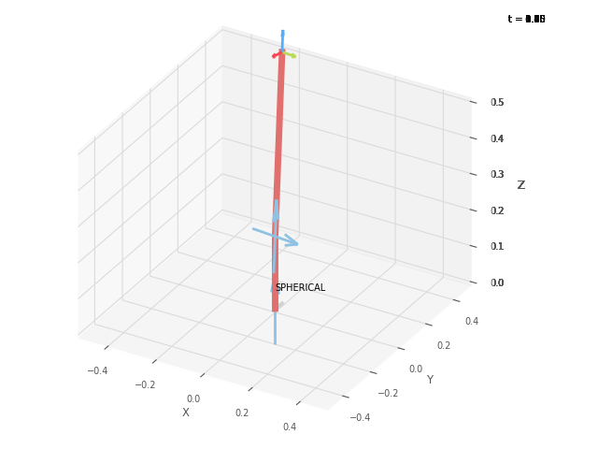

 | FK JOINT VARIABLES

 | 85 | 85 | 10

 | deg | deg | cm

 | POSITION VECTORS

 | 0.38 | 4.341 | 69.81

 | cm | cm | cm

 | IK JOINT VARIABLES

 | 84.997 | 85 | 10

 | deg | deg | cm

