Trial 1
a1 | = | 40
a2 | = | 20 | Forward Kinematics |  | Home |  | Inverse Kinematics
a3 | = | 5
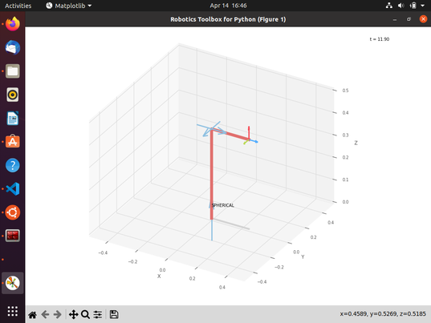
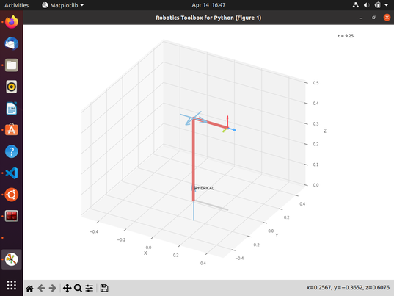

 |  |  |  | FK Joint Variables

 |  |  |  | 0 | 0 | 0
 |  |  |  | deg | deg | cm

 |  |  |  | Position Vector

 |  |  |  | 25 | 0 | 40
 |  |  |  | deg | deg | cm

 |  |  |  | IK Joint Variables

 |  |  |  | 0 | 0 | 0
 |  |  |  | deg | deg | cm

Trial 2
a1 | = | 40
a2 | = | 20 | Forward Kinematics |  | Home |  | Inverse Kinematics
a3 | = | 5
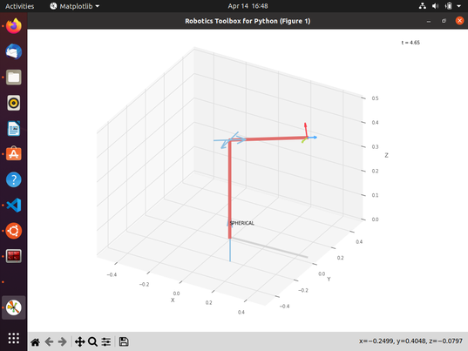

 |  |  |  | FK Joint Variables

 |  |  |  | 2.5 | 11.25 | 22.5
 |  |  |  | deg | deg | cm

 |  |  |  | Position Vector

 |  |  |  | 46.543 | 2.032 | 49.267
 |  |  |  | deg | deg | cm

 |  |  |  | IK Joint Variables

 |  |  |  | 2.5 | 11.25 | 22.5
 |  |  |  | deg | deg | cm

Trial 3
a1 | = | 40
a2 | = | 20 | Forward Kinematics |  | Home |  | Inverse Kinematics
a3 | = | 5

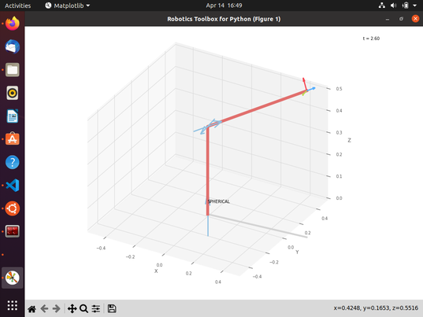
 |  |  |  | FK Joint Variables

 |  |  |  | 5 | 22.5 | 45
 |  |  |  | deg | deg | cm

 |  |  |  | Position Vector

 |  |  |  | 64.541 | 5.647 | 66.505
 |  |  |  | deg | deg | cm

 |  |  |  | IK Joint Variables

 |  |  |  | 5 | 22.25 | 45
 |  |  |  | deg | deg | cm

Trial 4
a1 | = | 40
a2 | = | 20 | Forward Kinematics |  | Home |  | Inverse Kinematics
a3 | = | 5

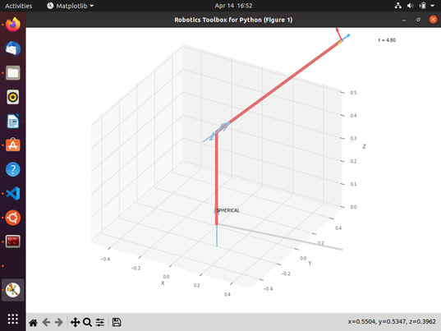
 |  |  |  | FK Joint Variables

 |  |  |  | 7.5 | 33.75 | 67.5
 |  |  |  | deg | deg | cm

 |  |  |  | Position Vector

 |  |  |  | 76.253 | 10.039 | 91.39
 |  |  |  | deg | deg | cm

 |  |  |  | IK Joint Variables

 |  |  |  | 7.5 | 33.75 | 67.5
 |  |  |  | deg | deg | cm

Trial 5
a1 | = | 40
a2 | = | 20 | Forward Kinematics |  | Home |  | Inverse Kinematics
a3 | = | 5

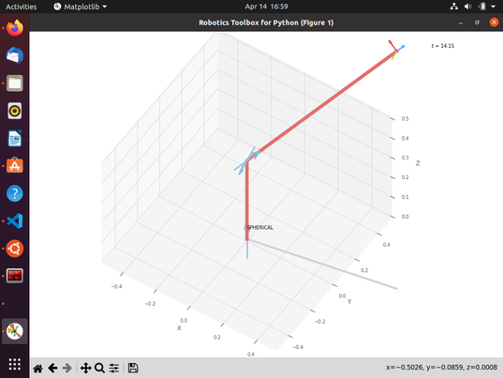
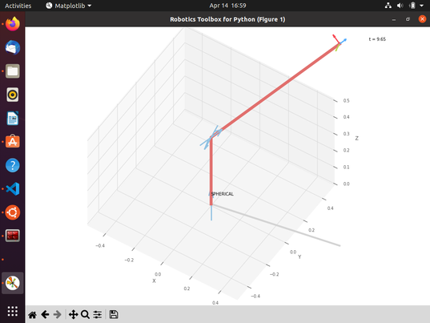
 |  |  |  | FK Joint Variables

 |  |  |  | 10 | 45 | 90
 |  |  |  | deg | deg | cm

 |  |  |  | Position Vector

 |  |  |  | 80.082 | 14.121 | 121.317
 |  |  |  | deg | deg | cm

 |  |  |  | IK Joint Variables

 |  |  |  | 10 | 45 | 90
 |  |  |  | deg | deg | cm

