Trial 1
a1 | 10 |  |  | Home
a2 | 10 | FORWARD KINEMATICS |  |  |  | INVERSE KINEMATICS
a3 | 10
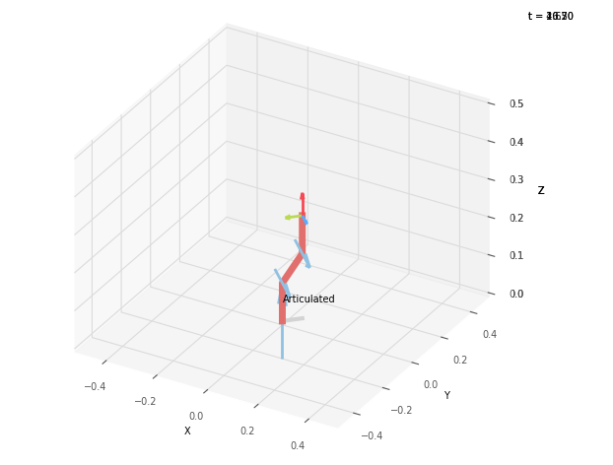
 |  |  | FK Joint Variables
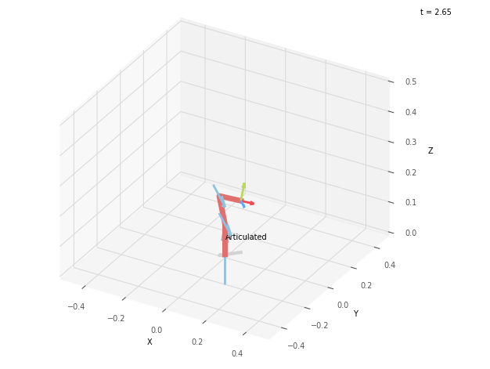
 |  |  | 45 | 45 | 45
 |  |  | cm | deg | deg

 |  |  | FK Position Vector

 |  |  | 5 | 5 | 17.071
 |  |  | cm | deg | deg

 |  |  | IK Joint Variables

 |  |  | 45 | 105 | -120
 |  |  | cm | deg | deg

 |  |  | IK Position Vector

 |  |  | 5 | 5 | 7.071
 |  |  | cm | deg | deg

Trial 2
a1 | 10 |  |  | Home
a2 | 10 | FORWARD KINEMATICS |  |  |  | INVERSE KINEMATICS
a3 | 10
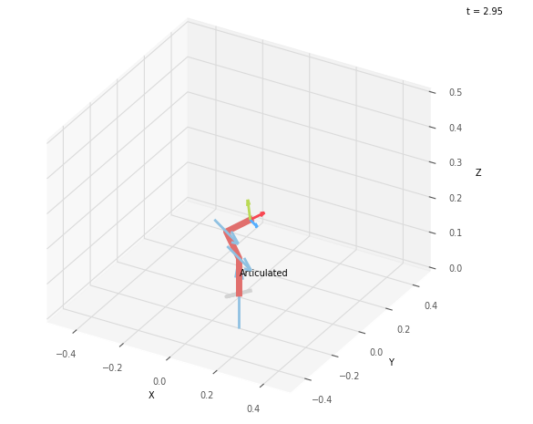
 |  |  | FK Joint Variables
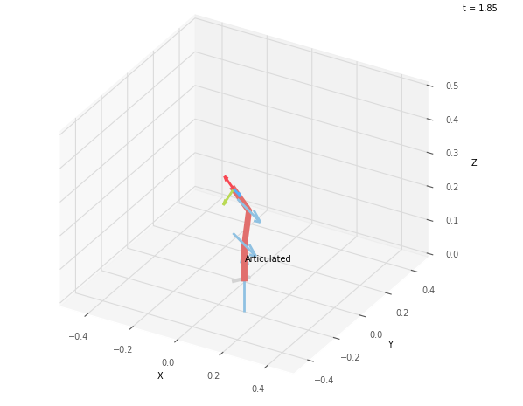
 |  |  | 56.25 | 78.75 | 52.5
 |  |  | cm | deg | deg

 |  |  | FK Position Vector

 |  |  | -2.579 | -3.86 | 17.326
 |  |  | cm | deg | deg

 |  |  | IK Joint Variables

 |  |  | 56.252 | 121.939 | -112.093
 |  |  | cm | deg | deg

 |  |  | IK Position Vector

 |  |  | 2.535 | 3.794 | 10.196
 |  |  | cm | deg | deg

Trial 3
a1 | 10 |  |  | Home
a2 | 10 | FORWARD KINEMATICS |  |  |  | INVERSE KINEMATICS
a3 | 10
 |  |  | FK Joint Variables
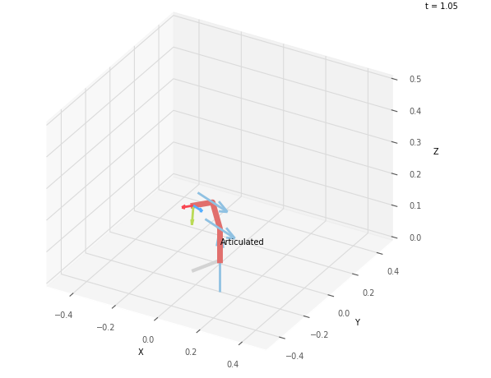
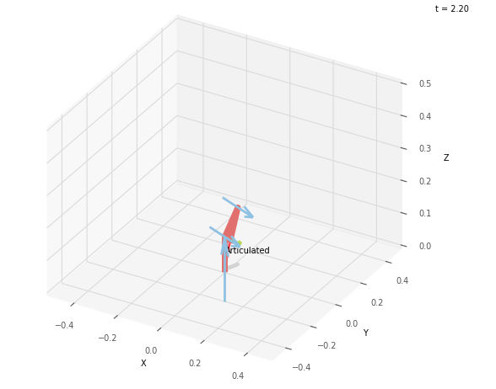
 |  |  | 67.5 | 112.5 | 60
 |  |  | cm | deg | deg

 |  |  | FK Position Vector

 |  |  | -5.259 | -12.693 | 10.544
 |  |  | cm | deg | deg

 |  |  | IK Joint Variables

 |  |  | 67.498 | 48.827 | -161.011
 |  |  | cm | deg | deg

 |  |  | IK Position Vector

 |  |  | 1.074 | 2.594 | -1.733
 |  |  | cm | deg | deg

Trial 4
a1 | 10 |  |  | Home
a2 | 10 | FORWARD KINEMATICS |  |  |  | INVERSE KINEMATICS
a3 | 10
 |  |  | FK Joint Variables
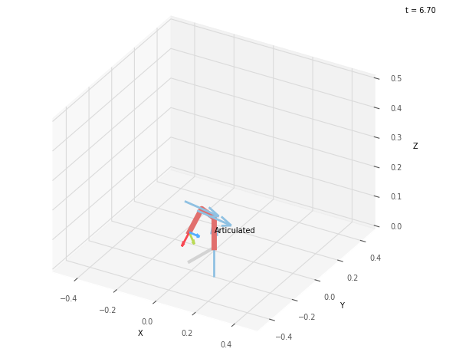
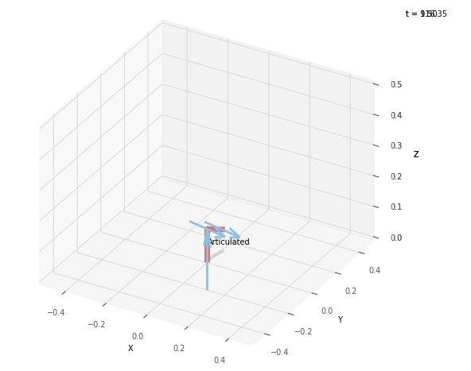
 |  |  | 78.75 | 146.25 | 67.5
 |  |  | cm | deg | deg

 |  |  | FK Position Vector

 |  |  | -3.244 | -16.31 | 0
 |  |  | cm | deg | deg

 |  |  | IK Joint Variables

 |  |  | 78.751 | -17.005 | NaN
 |  |  | cm | deg | deg

 |  |  | IK Position Vector

 |  |  | NaN | NaN | NaN
 |  |  | cm | deg | deg

Trial 5
a1 | 10 |  |  | Home
a2 | 10 | FORWARD KINEMATICS |  |  |  | INVERSE KINEMATICS
a3 | 10
 |  |  | FK Joint Variables
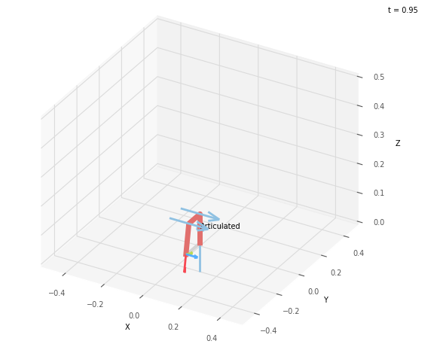
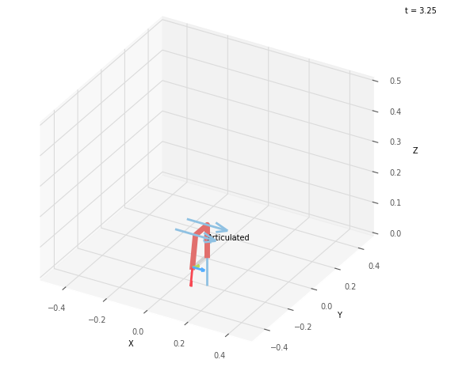
 |  |  | 90 | 180 | 75
 |  |  | cm | deg | deg

 |  |  | FK Position Vector

 |  |  | 0 | -12.588 | -9.659
 |  |  | cm | deg | deg

 |  |  | IK Joint Variables

 |  |  | 90 | 180 | 75
 |  |  | cm | deg | deg

 |  |  | IK Position Vector

 |  |  | 0 | -12.588 | -9.659
 |  |  | cm | deg | deg

