Trial 1
a1 = | 15
a2 = | 30
a3 = | 25
 |  | Forward Kinematics |  | Home |  | Inverse Kinematics
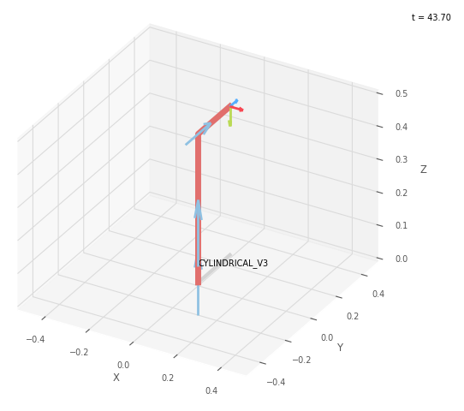
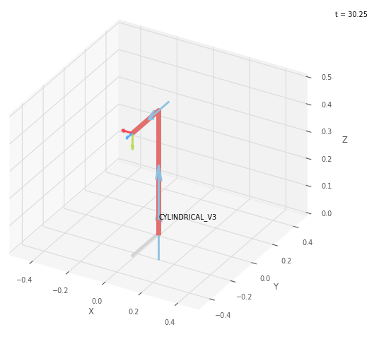
 |  |  | FK Joint Variable
 |  |  | 0 | 0 | 0

 |  |  | deg | cm | cm

 |  |  | Position Vector thru FK
 |  |  | 25 | 0 | 45

 |  |  | x0_3 | y0_3 | z0_3

 |  |  | IK Joint Variable
 |  |  | 180 | 0 | 0

 |  |  | deg | cm | cm

 |  |  | Position Vector thru IK
 |  |  | 25 | 0 | 45

 |  |  | x0_3 | y0_3 | z0_3

Trial 2
a1 = | 15
a2 = | 30
a3 = | 25
 |  | Forward Kinematics |  | Home |  | Inverse Kinematics
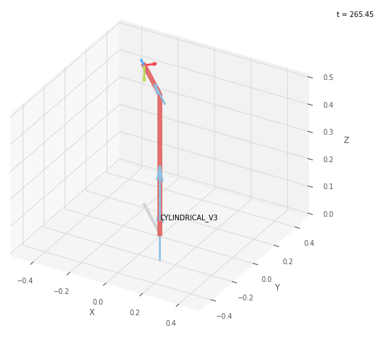
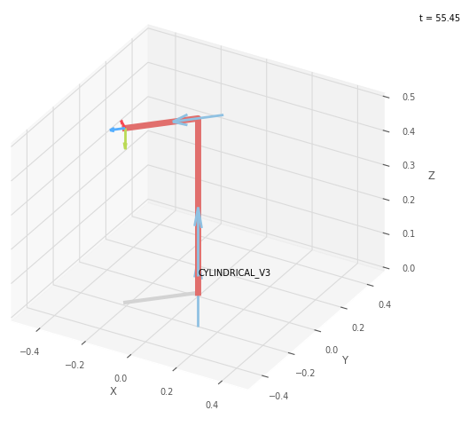
 |  |  | FK Joint Variable
 |  |  | 45 | 6 | 3.75

 |  |  | deg | cm | cm

 |  |  | Position Vector
 |  |  | 20.329 | 20.329 | 51

 |  |  | x0_3 | y0_3 | z0_3

 |  |  | IK Joint Variable
 |  |  | 135 | 6 | 3.75

 |  |  | deg | cm | cm

 |  |  | Position Vector thru IK
 |  |  | 20.329 | 20.329 | 51

 |  |  | x0_3 | y0_3 | z0_3

Trial 3
a1 = | 15
a2 = | 30
a3 = | 25
 |  | Forward Kinematics |  | Home |  | Inverse Kinematics
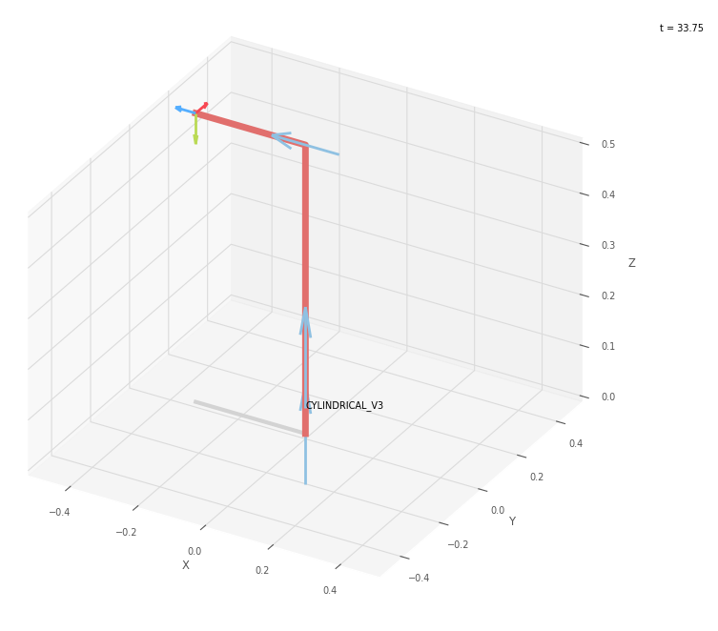
 |  |  | FK Joint Variable
 |  |  | 90 | 12 | 7.5

 |  |  | deg | cm | cm

 |  |  | Position Vector
 |  |  | 0 | 32.5 | 57

 |  |  | x0_3 | y0_3 | z0_3

 |  |  | IK Joint Variable
 |  |  | Undefined Solution | Undefined Solution | Undefined Solution

 |  |  | deg | cm | cm

 |  |  | Position Vector thru IK
 |  |  | 0 | 32.5 | 57

 |  |  | x0_3 | y0_3 | z0_3

Trial 4
a1 = | 15
a2 = | 30
a3 = | 25
 |  | Forward Kinematics |  | Home |  | Inverse Kinematics
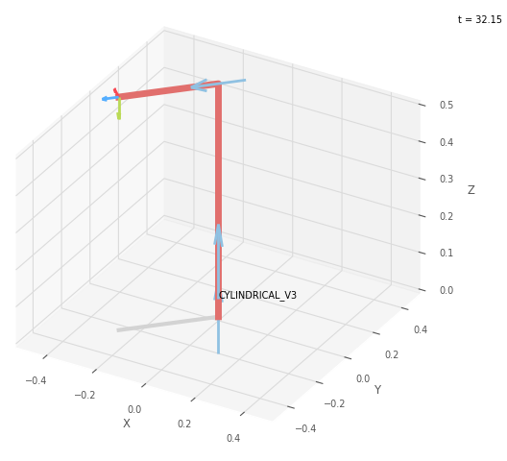
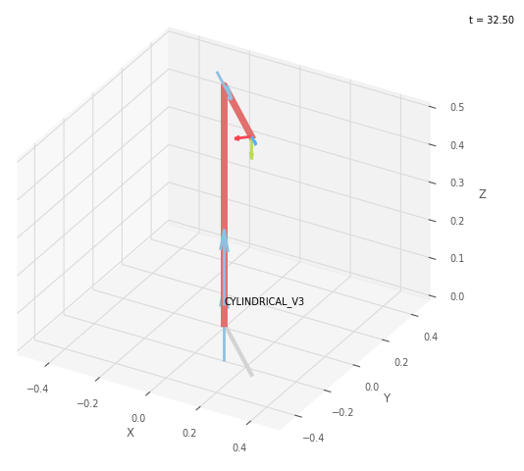
 |  |  | FK Joint Variable
 |  |  | 135 | 18 | 11.25

 |  |  | deg | cm | cm

 |  |  | Position Vector
 |  |  | -25.633 | 25.633 | 63

 |  |  | x0_3 | y0_3 | z0_3

 |  |  | IK Joint Variable
 |  |  | 225 | 18 | 11.251

 |  |  | deg | cm | cm

 |  |  | Position Vector thru IK
 |  |  | -25.633 | 25.633 | 63

 |  |  | x0_3 | y0_3 | z0_3

Trial 5
a1 = | 15
a2 = | 30
a3 = | 25
 |  | Forward Kinematics |  | Home |  | Inverse Kinematics
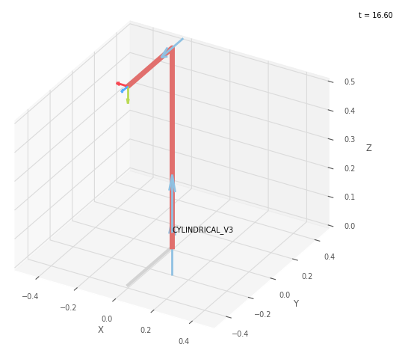

 |  |  | FK Joint Variable
 |  |  | 180 | 24 | 15

 |  |  | deg | cm | cm

 |  |  | Position Vector
 |  |  | -40 | 0 | 69

 |  |  | x0_3 | y0_3 | z0_3

 |  |  | IK Joint Variable
 |  |  | 180 | 24 | 15

 |  |  | deg | cm | cm

 |  |  | Position Vector thru IK
 |  |  | -40 | 0 | 69

 |  |  | x0_3 | y0_3 | z0_3

