Trial 1
a1 | = | 35
a2 | = | 25 | Forward Kinematics | Home |  |  | Inverse Kinematics
a3 | = | 20
a4 | = | 20
a5 | = | 15
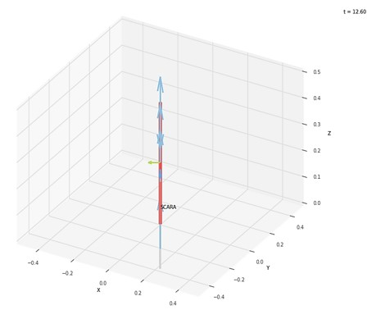
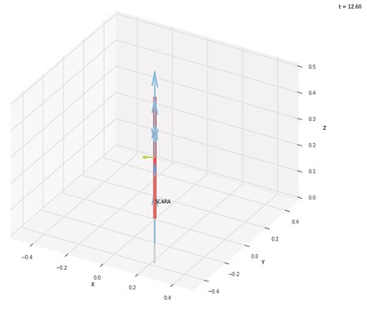
 |  |  |  | FK Joint Variables

 |  |  |  | -60 | 0 | 0
 |  |  |  | deg | deg | cm

 |  |  |  | Position Vector

 |  |  |  | 22.5 | -38.971 | 40
 |  |  |  | cm | cm | cm

 |  |  |  | IK Joint Variables

 |  |  |  | -60.12 | 0.271 | 0
 |  |  |  | deg | deg | cm

Trial 2
a1 | = | 35
a2 | = | 25 | Forward Kinematics | Home |  |  | Inverse Kinematics
a3 | = | 20
a4 | = | 20
a5 | = | 15
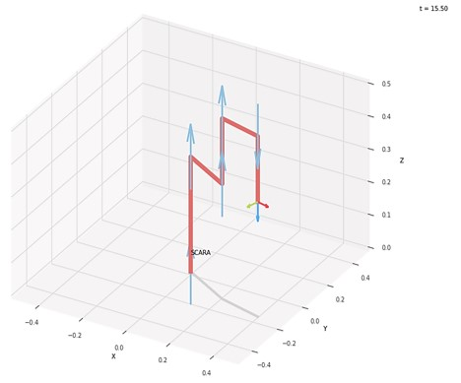

 |  |  |  | FK Joint Variables

 |  |  |  | -30 | 15 | 5
 |  |  |  | deg | deg | cm

 |  |  |  | Position Vector

 |  |  |  | 40.969 | -17.676 | 35
 |  |  |  | cm | cm | cm

 |  |  |  | IK Joint Variables

 |  |  |  | -30.002 | 15.006 | 5
 |  |  |  | deg | deg | cm

Trial 3
a1 | = | 35
a2 | = | 25 | Forward Kinematics | Home |  |  | Inverse Kinematics
a3 | = | 20
a4 | = | 20
a5 | = | 15
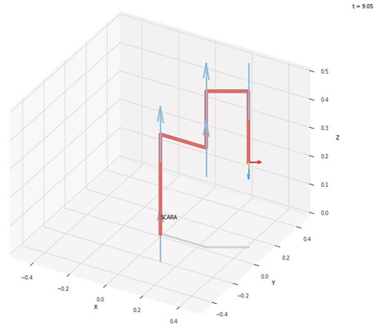
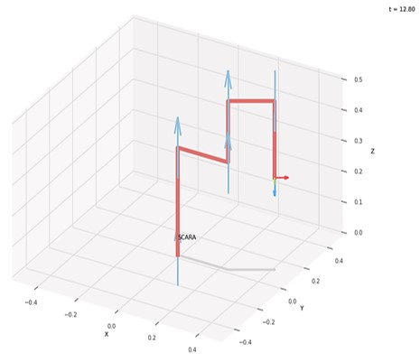
 |  |  |  | FK Joint Variables

 |  |  |  | 0 | 30 | 10
 |  |  |  | deg | deg | cm

 |  |  |  | Position Vector

 |  |  |  | 42.321 | 10 | 30
 |  |  |  | cm | cm | cm

 |  |  |  | IK Joint Variables

 |  |  |  | 0.002 | 29.995 | 10
 |  |  |  | deg | deg | cm

Trial 4
a1 | = | 35
a2 | = | 25 | Forward Kinematics | Home |  |  | Inverse Kinematics
a3 | = | 20
a4 | = | 20
a5 | = | 15
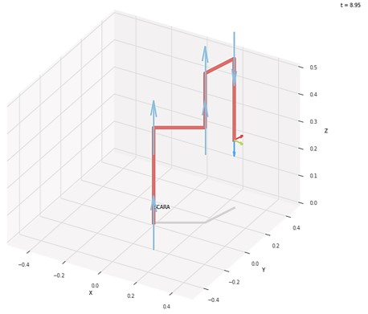
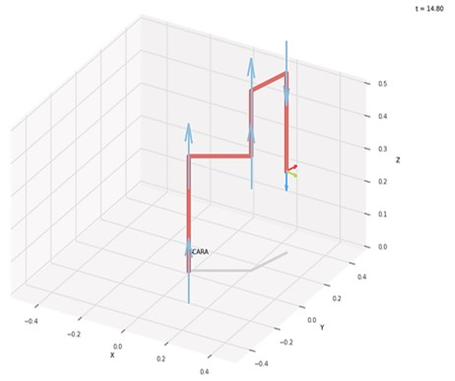
 |  |  |  | FK Joint Variables

 |  |  |  | 30 | 45 | 15
 |  |  |  | deg | deg | cm

 |  |  |  | Position Vector

 |  |  |  | 26.827 | 31.819 | 25
 |  |  |  | cm | cm | cm

 |  |  |  | IK Joint Variables

 |  |  |  | 30.002 | 44.998 | 15
 |  |  |  | deg | deg | cm

Trial 5
a1 | = | 35
a2 | = | 25 | Forward Kinematics | Home |  |  | Inverse Kinematics
a3 | = | 20
a4 | = | 20
a5 | = | 15
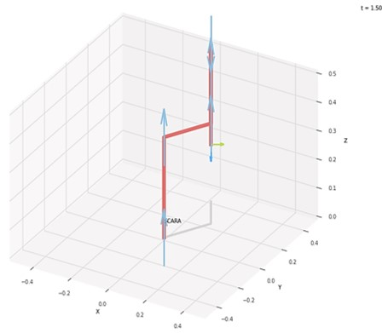
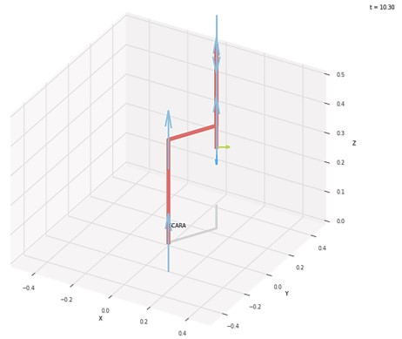
 |  |  |  | FK Joint Variables

 |  |  |  | 60 | 60 | 20
 |  |  |  | deg | deg | cm

 |  |  |  | Position Vector

 |  |  |  | 2.5 | 38.971 | 20
 |  |  |  | cm | cm | cm

 |  |  |  | IK Joint Variables

 |  |  |  | 60 | 60.001 | 20
 |  |  |  | deg | deg | cm

