TRIAL 1
a1=20
a2=30 |  |  | HOME
a3=10
 | FOWARD KINEMATICS |  |  |  | INVERSE KINEMATICS

 |  | FK Joint Variables

 | 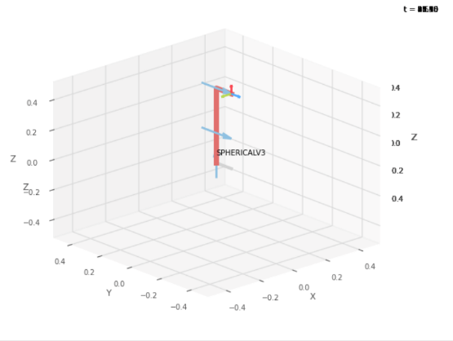 | 0 | 0 | 0 | 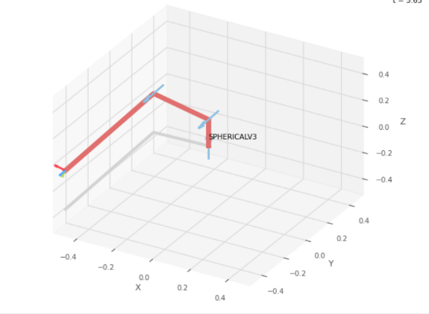
 |  | cm | cm | cm

 |  | Position Vector

 |  | 10 | 30 | 50
 |  | x | y | z

 |  | IK Joint Variables

 |  | 3.589 | 71.565 | 43.492
 |  | cm | deg | deg

 |  | Position Vector

 |  | 10 | 30 | 50
 |  | x | y | z

TRIAL 2
a1=20
a2=30 |  |  | HOME
a3=10
 | FORWARD KINEMATICS |  |  |  | INVERSE KINEMATICS

 |  | FK Joint Variables
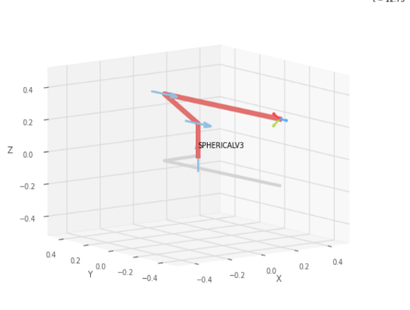
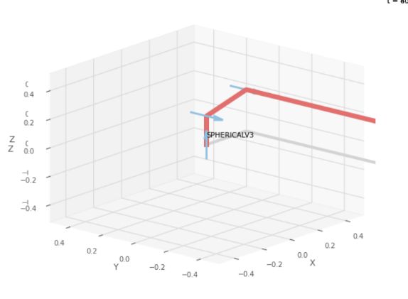
 |  | 4.5 | 44.5 | 44.5
 |  | cm | cm | cm

 |  | Position Vector

 |  | 7.621 | 24.071 | 51.561
 |  | x | y | z

 |  | IK Joint Variables

 |  | 0.418 | 72.432 | 51.34
 |  | cm | deg | deg

 |  | Position Vector

 |  | 7.621 | 24.071 | 51.561
 |  | x | y | z

TRIAL 3
a1=20
a2=30 |  |  | HOME
a3=10
 | FORWARD KINEMATICS |  |  |  | INVERSE KINEMATICS

 |  | FK Joint Variables

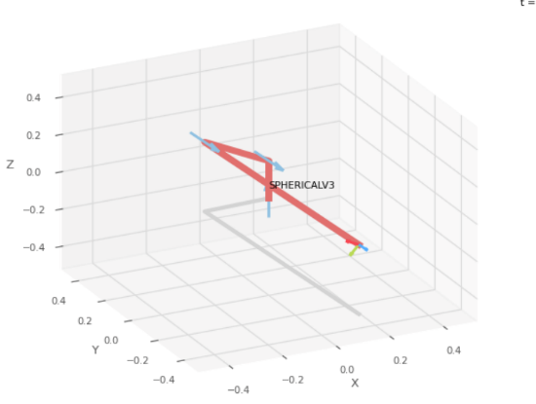
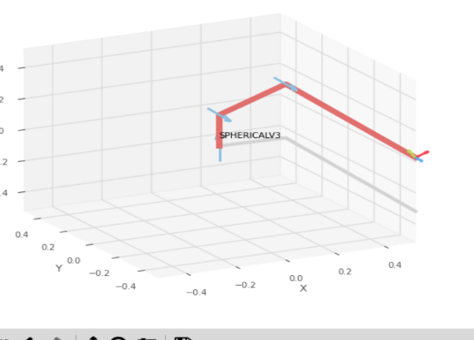
 |  | 5 | 55 | 55
 |  | cm | cm | cm

 |  | Position Vector

 |  | -9.161 | 16.412 | 49.495
 |  | x | y | z

 |  | IK Joint Variables

 |  | -5.025 | -60.83 | 57.4993
 |  | cm | deg | deg

 |  | Position Vector

 |  | -9.161 | 16.412 | 49.495
 |  | x | y | z

TRIAL 4
a1=20
a2=30 |  |  | HOME
a3=10
 | FORWARD KINEMATICS |  |  |  | INVERSE KINEMATICS

 |  | FK Joint Variables
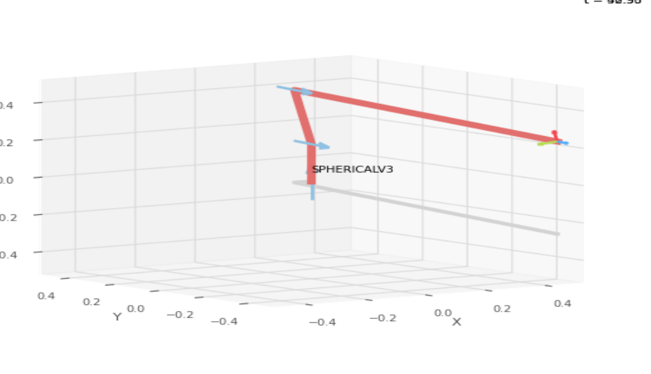
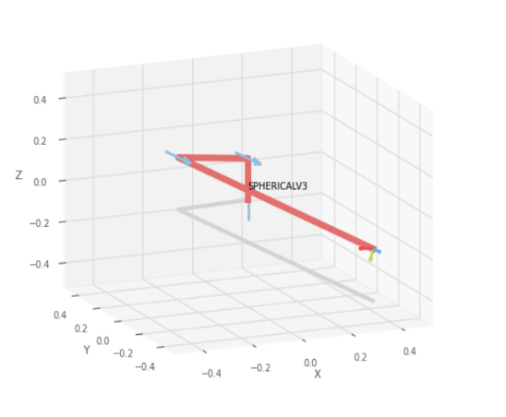
 |  | 9.8 | 79.8 | 79.8
 |  | cm | cm | cm

 |  | Position Vector

 |  | -4.608 | -0.809 | 44.8
 |  | x | y | z

 |  | IK Joint Variables

 |  | -14.763 | 9.958 | 79.317
 |  | cm | deg | deg

 |  | Position Vector

 |  | -4.608 | -0.809 | 44.8
 |  | x | y | z

TRIAL 5
a1=20
a2=30 |  |  | HOME
a3=10
 | FORWARD KINEMATICS |  |  |  | INVERSE KINEMATICS

 |  | FK Joint Variables
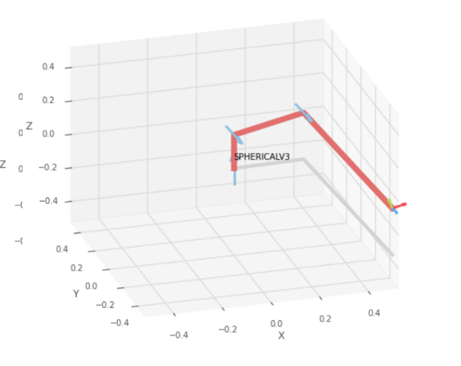
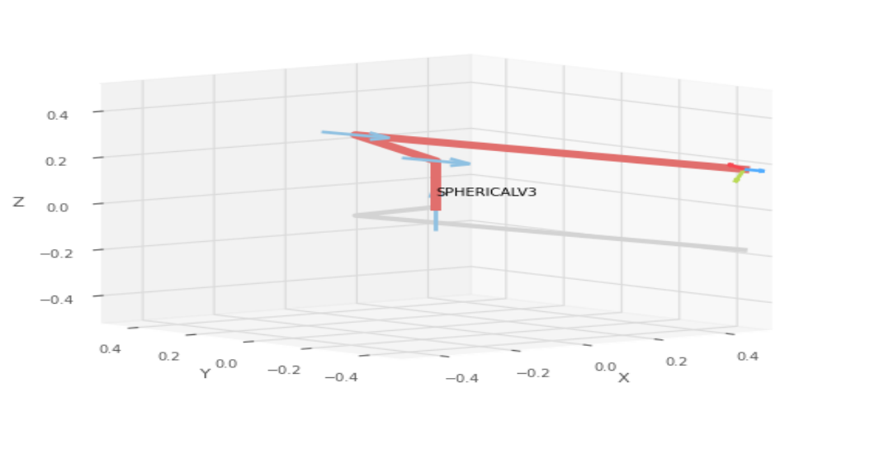
 |  | 15 | 60 | 60
 |  | cm | cm | cm

 |  | Position Vector

 |  | -6.74 | 24.976 | 56.651
 |  | x | y | z

 |  | IK Joint Variables

 |  | 4.861 | -74.898 | 54.784
 |  | cm | deg | deg

 |  | Position Vector

 |  | -6.74 | 24.976 | 56.651
 |  | x | y | z

