Trial 1
a1 | = | 30
a2 | = | 16 | Forward Kinematics |  | Home |  | Inverse Kinematics
a3 | = | 16
a4 | = | 16
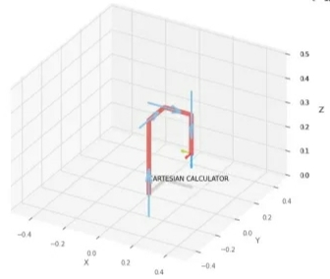
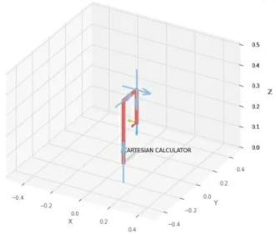
 |  |  |  | FK Joint Variables

 |  |  |  | 0 | 0 | 0
 |  |  |  | cm | deg | deg

 |  |  |  | Position Vector

 |  |  |  | 16 | 16 | 30
 |  |  |  | cm | deg | deg

 |  |  |  | IK Joint Variables

 |  |  |  | 0 | 0 | -16
 |  |  |  | cm | deg | deg

Trial 2
a1 | = | 30
a2 | = | 16 | Forward Kinematics |  | Home |  | Inverse Kinematics
a3 | = | 16
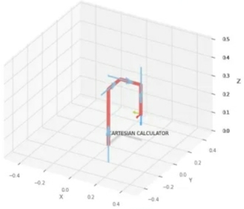
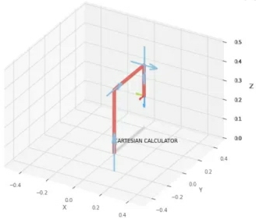
a4 | = | 16

 |  |  |  | FK Joint Variables

 |  |  |  | 2.5 | 22.5 | 11.25
 |  |  |  | cm | deg | deg

 |  |  |  | Position Vector

 |  |  |  | 38.5 | 18.5 | 30
 |  |  |  | cm | deg | deg

 |  |  |  | IK Joint Variables

 |  |  |  | 0.025 | 0.225 | -16
 |  |  |  | cm | deg | deg

Trial 3
a1 | = | 30
a2 | = | 16 | Forward Kinematics |  | Home |  | Inverse Kinematics
a3 | = | 16
a4 | = | 16
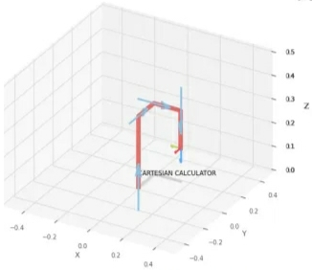
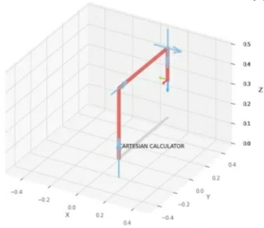
 |  |  |  | FK Joint Variables

 |  |  |  | 5 | 45 | 22.5
 |  |  |  | cm | deg | deg

 |  |  |  | Position Vector

 |  |  |  | 61 | 21 | 30
 |  |  |  | cm | deg | deg

 |  |  |  | IK Joint Variables

 |  |  |  | 5 | 45 | -16
 |  |  |  | cm | deg | deg

Trial 4
a1 | = | 30
a2 | = | 16 | Forward Kinematics |  | Home |  | Inverse Kinematics
a3 | = | 16
a4 | = | 16
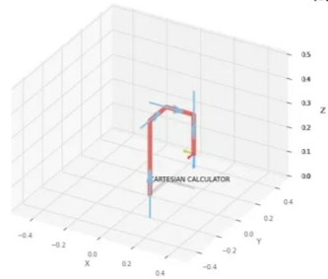
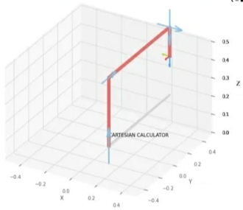
 |  |  |  | FK Joint Variables

 |  |  |  | 7.5 | 67.5 | 33.75
 |  |  |  | cm | deg | deg

 |  |  |  | Position Vector

 |  |  |  | 83.5 | 23.5 | 30
 |  |  |  | cm | deg | deg

 |  |  |  | IK Joint Variables

 |  |  |  | 7.5 | 67.5 | -16
 |  |  |  | cm | deg | deg

Trial 5
a1 | = | 30
a2 | = | 16 | Forward Kinematics |  | Home |  | Inverse Kinematics
a3 | = | 16
a4 | = | 16
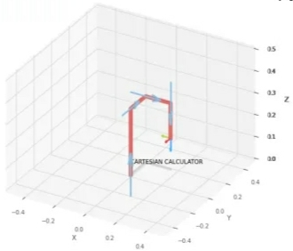
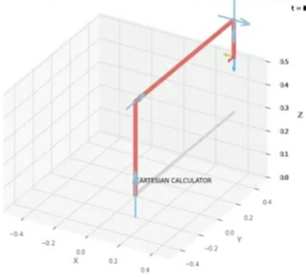
 |  |  |  | FK Joint Variables

 |  |  |  | 10 | 90 | 45
 |  |  |  | cm | deg | deg

 |  |  |  | Position Vector

 |  |  |  | 106 | 26 | 30
 |  |  |  | cm | deg | deg

 |  |  |  | IK Joint Variables

 |  |  |  | 10 | 90 | -16
 |  |  |  | cm | deg | deg

