Trial 1
a1 | = | 15
a2 | = | 15 | Forward Kinematics |  | Home |  | Inverse Kinematics
a3 | = | 15

 |  |  |  | FK Joint Variables
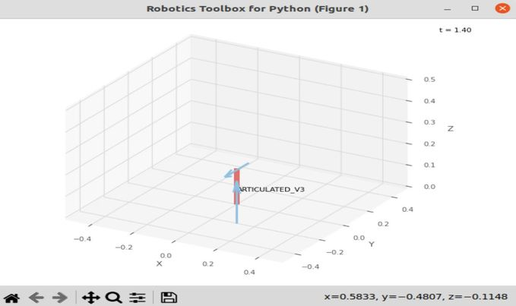
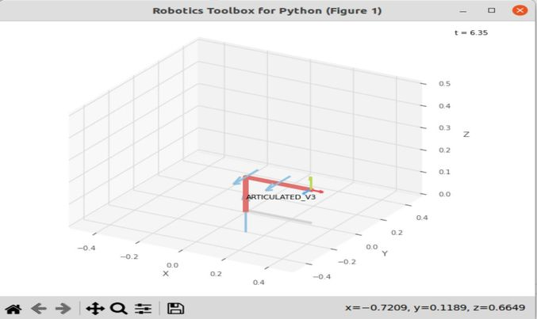
 |  |  |  | 0 | 0 | 0
 |  |  |  | deg | deg | deg

 |  |  |  | Position Vector

 |  |  |  | 157.08 | 0 | 30
 |  |  |  | deg | deg | deg

 |  |  |  | IK Joint Variables

 |  |  |  | 0 | NaN | NaN
 |  |  |  | deg | deg | deg

Trial 2
a1 | = | 15
a2 | = | 15 | Forward Kinematics |  | Home |  | Inverse Kinematics
a3 | = | 15

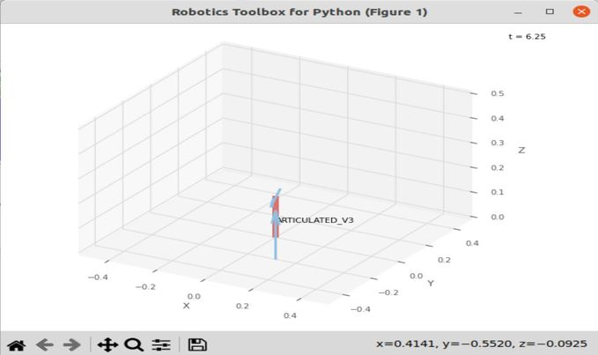
 |  |  |  | FK Joint Variables
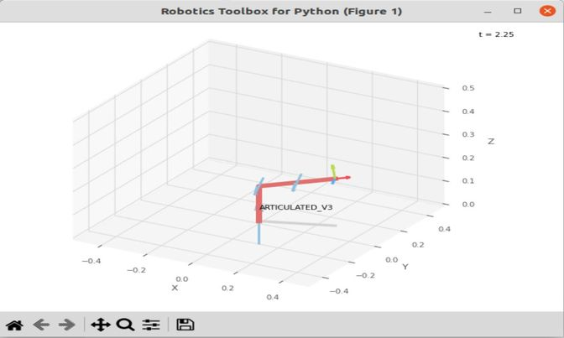
 |  |  |  | 20 | 10 | 17.5
 |  |  |  | deg | deg | deg

 |  |  |  | Position Vector

 |  |  |  | 147.607 | 53.725 | 30
 |  |  |  | deg | deg | deg

 |  |  |  | IK Joint Variables

 |  |  |  | 20 | NaN | NaN
 |  |  |  | deg | deg | deg

Trial 3
a1 | = | 15
a2 | = | 15 | Forward Kinematics |  | Home |  | Inverse Kinematics
a3 | = | 15

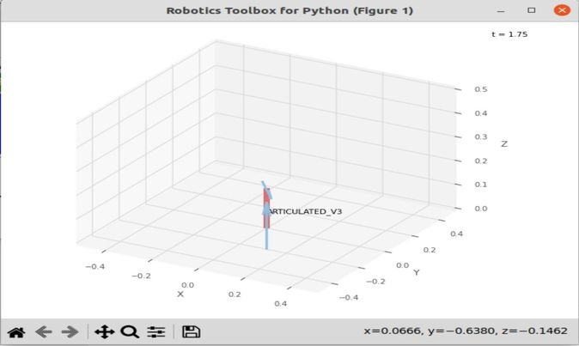
 |  |  |  | FK Joint Variables
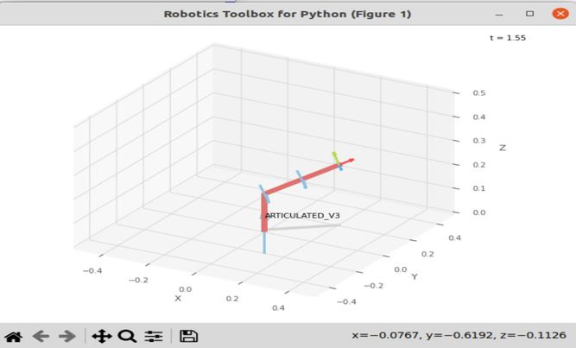
 |  |  |  | 40 | 20 | 35
 |  |  |  | deg | deg | deg

 |  |  |  | Position Vector

 |  |  |  | 120.33 | 100.969 | 30
 |  |  |  | deg | deg | deg

 |  |  |  | IK Joint Variables

 |  |  |  | 40 | NaN | NaN
 |  |  |  | deg | deg | deg

Trial 4
a1 | = | 15
a2 | = | 15 | Forward Kinematics |  | Home |  | Inverse Kinematics
a3 | = | 15

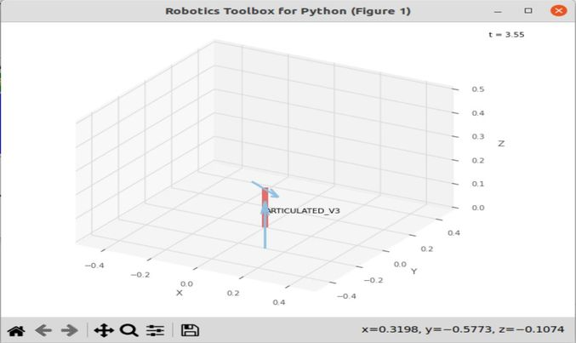
 |  |  |  | FK Joint Variables
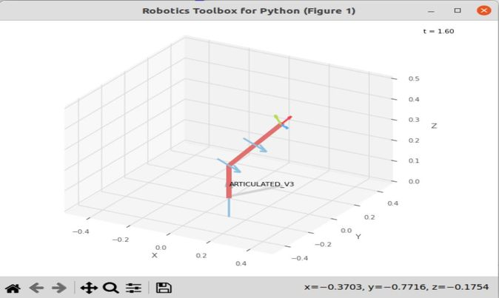
 |  |  |  | 60 | 30 | 52.5
 |  |  |  | deg | deg | deg

 |  |  |  | Position Vector

 |  |  |  | 78.54 | 136.035 | 30
 |  |  |  | deg | deg | deg

 |  |  |  | IK Joint Variables

 |  |  |  | 60 | NaN | NaN
 |  |  |  | deg | deg | deg

Trial 5
a1 | = | 15
a2 | = | 15 | Forward Kinematics |  | Home |  | Inverse Kinematics
a3 | = | 15

 |  |  |  | FK Joint Variables
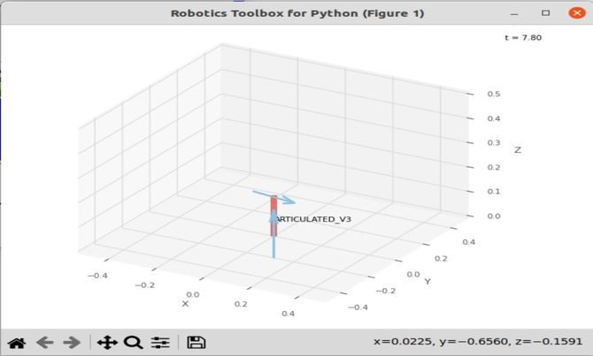
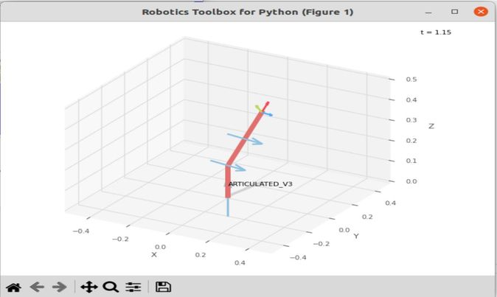
 |  |  |  | 80 | 40 | 70
 |  |  |  | deg | deg | deg

 |  |  |  | Position Vector

 |  |  |  | 27.277 | 154.693 | 30
 |  |  |  | deg | deg | deg

 |  |  |  | IK Joint Variables

 |  |  |  | 80 | NaN | NaN
 |  |  |  | deg | deg | deg

