Trial 1
a1 | 20
a2 | 10
a3 | 15 | Forward Kinematics |  | Home |  | Inverse Kinematics | Forward Kinematics
a4 | 20

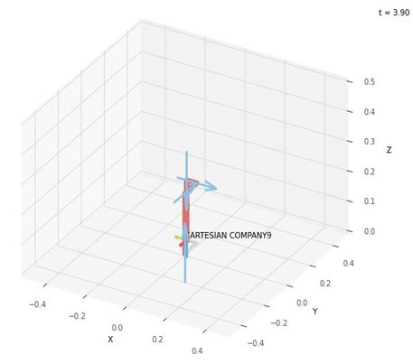
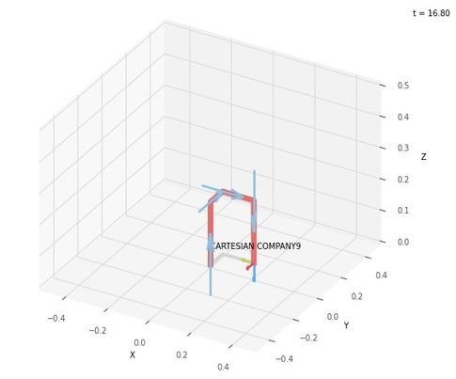
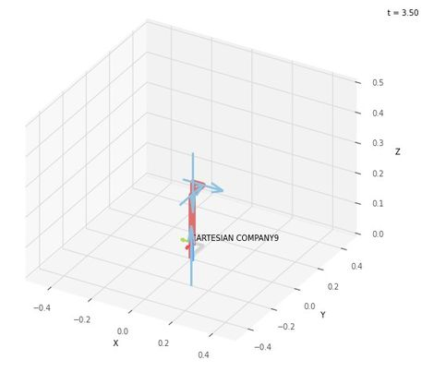
 |  |  | FK Joint Variables

 |  |  | 0 | 0 | 0
 |  |  | cm | cm | cm

 |  |  | Position Vector

 |  |  | 15 | 10 | 20
 |  |  | x | y | z

 |  |  | IK Joint Variables

 |  |  | 15 | 10 | 20
 |  |  | cm | cm | cm

 |  |  | Position Vector

 |  |  | 15 | 10 | 20
 |  |  | x | y | z

Trial 2
a1 | 20
a2 | 10
a3 | 15 | Forward Kinematics |  | Home |  | Inverse Kinematics | Forward Kinematics
a4 | 20

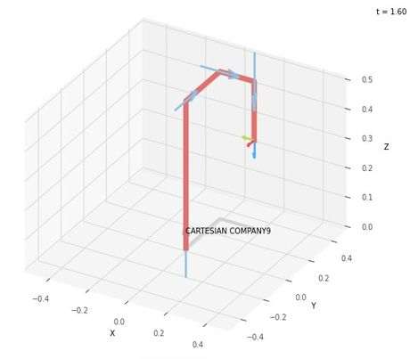
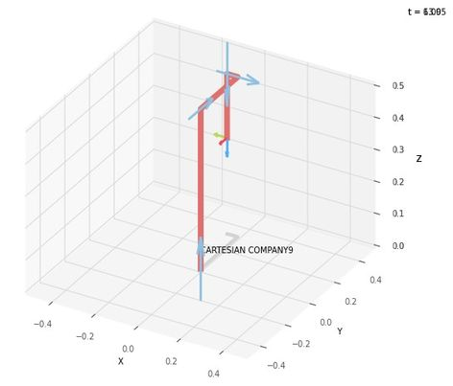
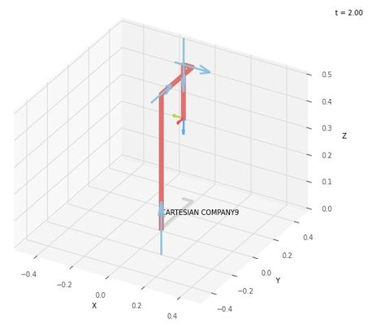
 |  |  | FK Joint Variables

 |  |  | 30 | 20 | 2.5
 |  |  | cm | cm | cm

 |  |  | Position Vector

 |  |  | 35 | 40 | 20
 |  |  | x | y | z

 |  |  | IK Joint Variables

 |  |  | 35 | 40 | 20
 |  |  | cm | cm | cm

 |  |  | Position Vector

 |  |  | 35 | 40 | 20
 |  |  | x | y | z

Trial 3
a1 | 20
a2 | 10
a3 | 15 | Forward Kinematics |  | Home |  | Inverse Kinematics | Forward Kinematics
a4 | 20

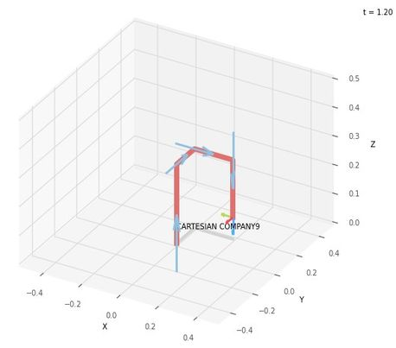
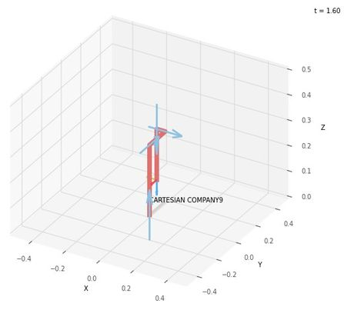
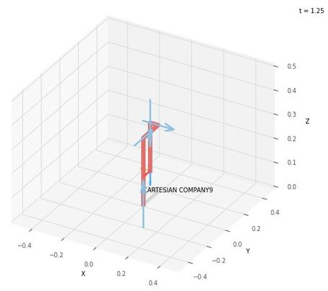
 |  |  | FK Joint Variables

 |  |  | 7.5 | 6 | 5
 |  |  | cm | cm | cm

 |  |  | Position Vector

 |  |  | 21 | 17.5 | 20
 |  |  | cm | cm | cm

 |  |  | IK Joint Variables

 |  |  | 21 | 17.5 | 20
 |  |  | cm | cm | cm

 |  |  | Position Vector

 |  |  | 21 | 17.5 | 20
 |  |  | cm | cm | cm

Trial 4
a1 | 20
a2 | 10
a3 | 15 | Forward Kinematics |  | Home |  | Inverse Kinematics | Forward Kinematics
a4 | 20

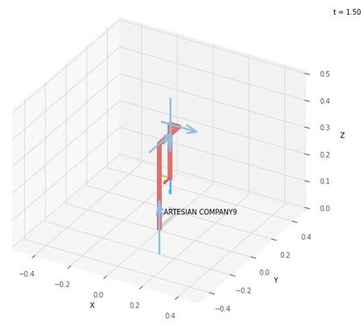

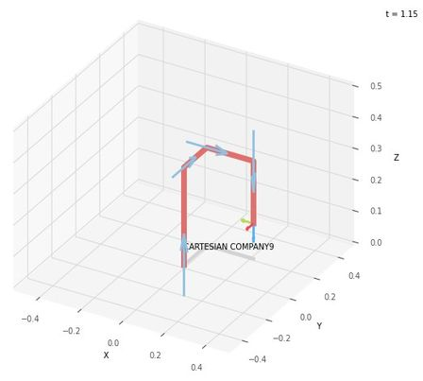
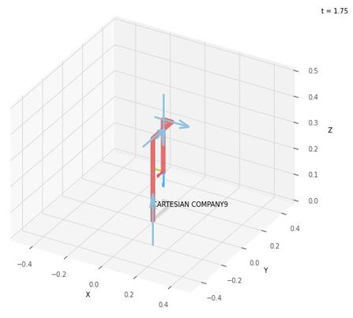
 |  |  | FK Joint Variables

 |  |  | 11.25 | 9 | 7.5
 |  |  | cm | cm | cm

 |  |  | Position Vector

 |  |  | 24 | 21.25 | 20
 |  |  | x | y | z

 |  |  | IK Joint Variables

 |  |  | 24 | 21.25 | 20
 |  |  | cm | cm | cm

 |  |  | Position Vector

 |  |  | 24 | 21.25 | 20
 |  |  | x | y | z

Trial 5
a1 | 20
a2 | 10
a3 | 15 | Forward Kinematics |  | Home |  | Inverse Kinematics | Forward Kinematics
a4 | 20

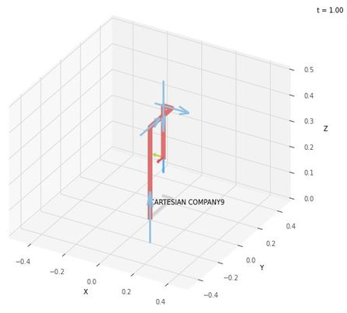
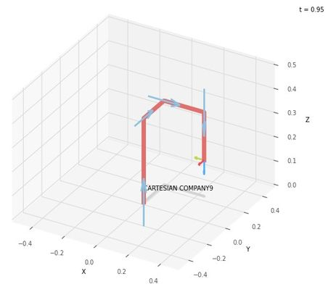
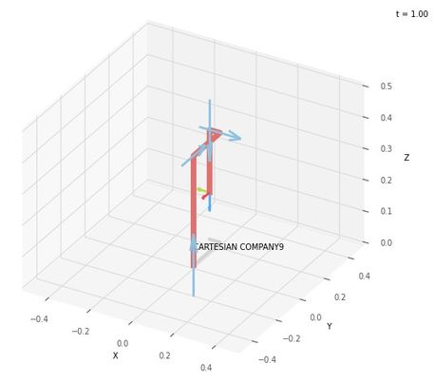
 |  |  | FK Joint Variables

 |  |  | 15 | 12 | 10
 |  |  | cm | cm | cm

 |  |  | Position Vector

 |  |  | 27 | 25 | 20
 |  |  | x | y | z

 |  |  | IK Joint Variables

 |  |  | 27 | 25 | 20
 |  |  | cm | cm | cm

 |  |  | Position Vector

 |  |  | 27 | 25 | 20
 |  |  | x | y | z

