Trial 1
a1 | 10
a2 | 15
a3 | 20 | Forward Kinematics |  | Home |  | Inverse Kinematics | Forward Kinematics

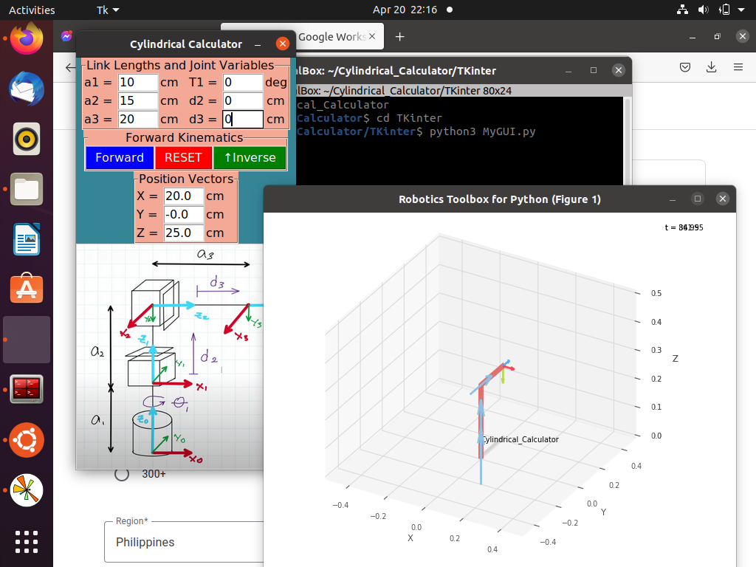
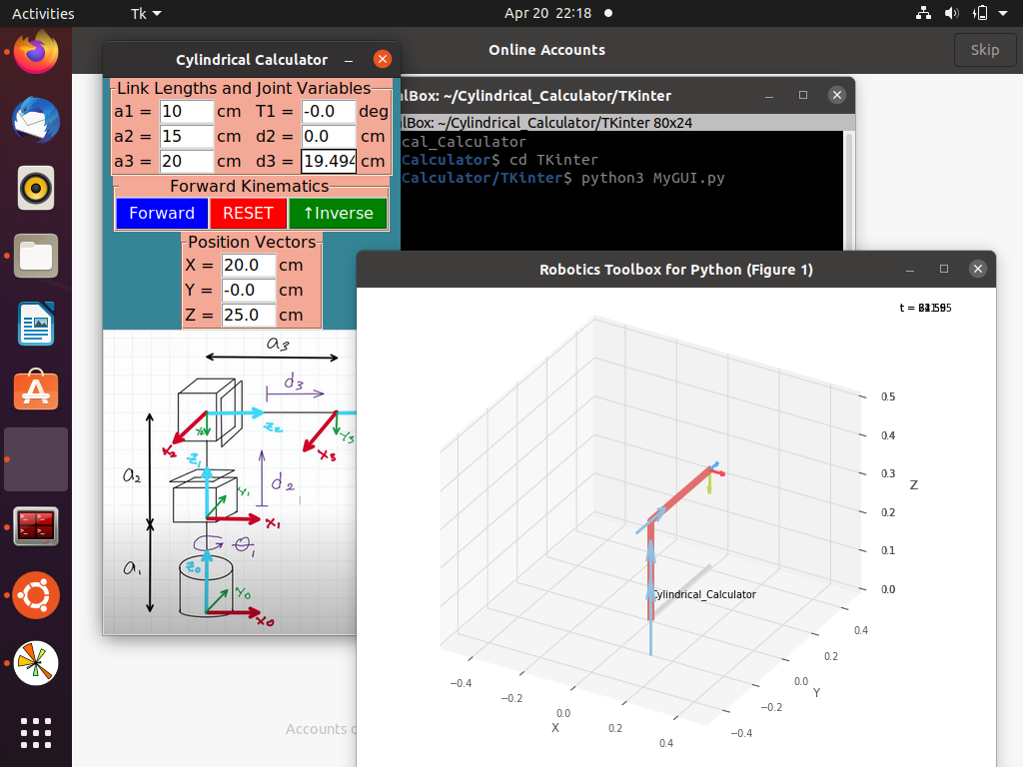
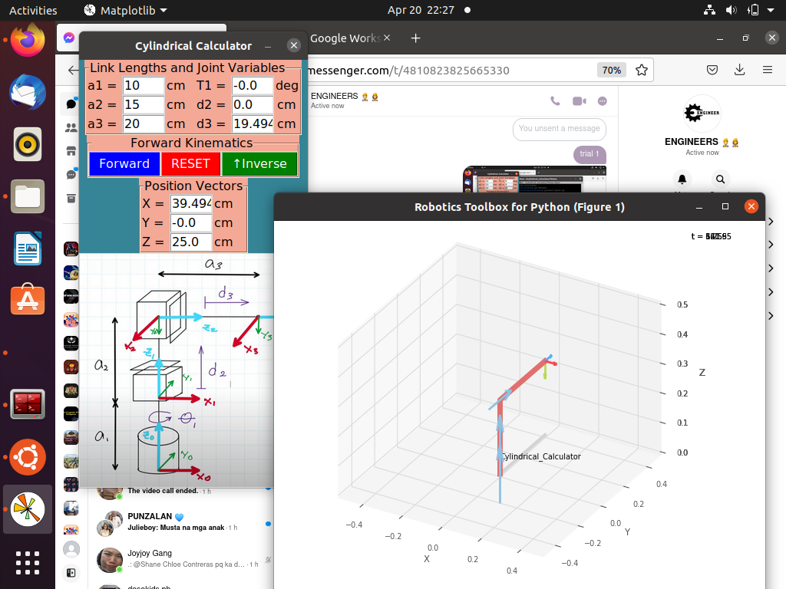
 |  |  | FK Joint Variables

 |  |  | 0 | 0 | 0
 |  |  | deg | cm | cm

 |  |  | Position Vector thru FK

 |  |  | 20 | 0 | 25
 |  |  | x | y | z

 |  |  | IK Joint Variables

 |  |  | 0 | 0 | 19.494
 |  |  | deg | cm | cm

 |  |  | Position Vector thru IK

 |  |  | 39.494 | 0 | 25
 |  |  | x | y | z

Trial 2
a1 | 10
a2 | 15
a3 | 20 | Forward Kinematics |  | Home |  | Inverse Kinematics | Forward Kinematics

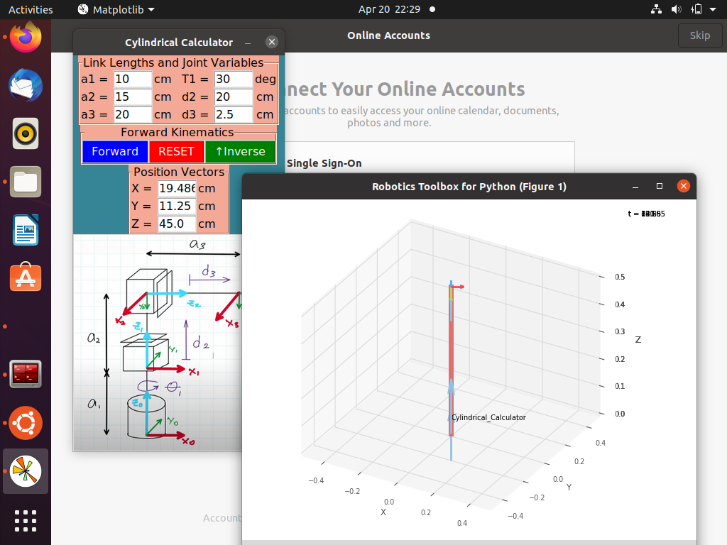
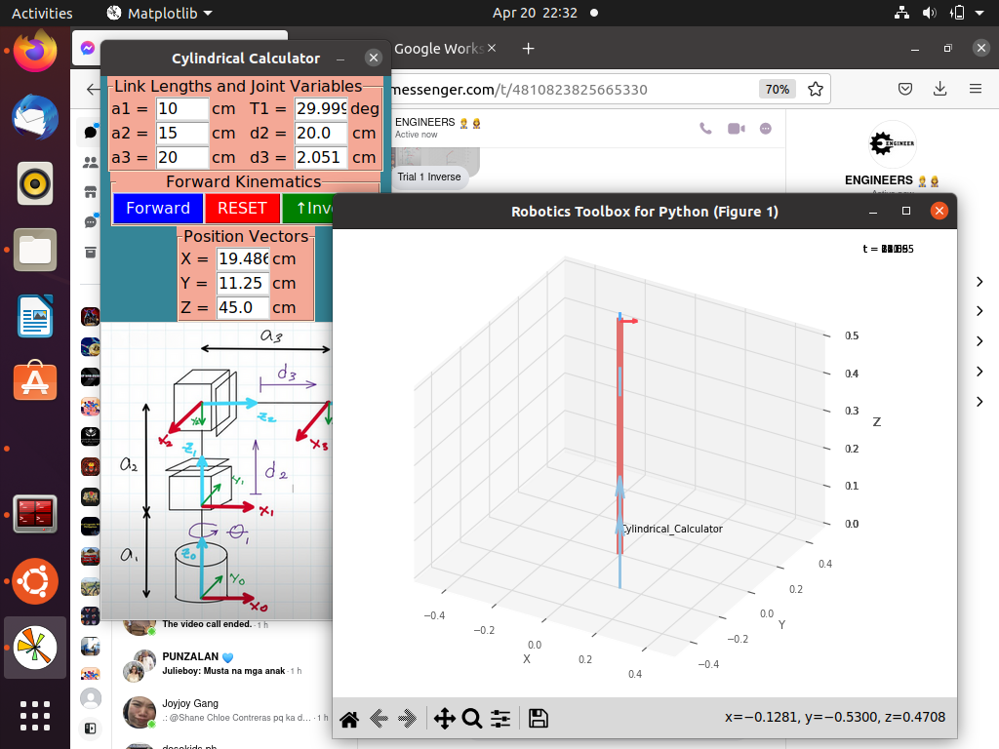
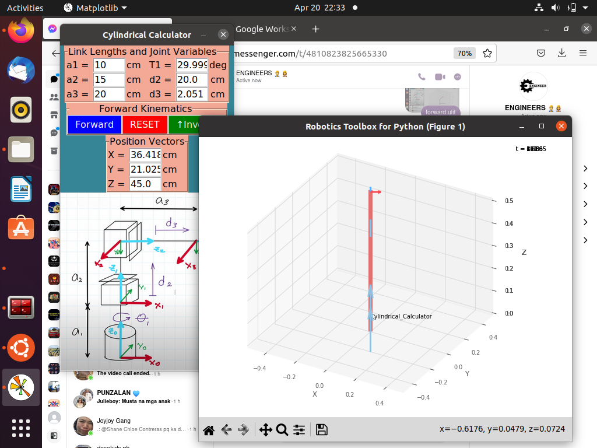
 |  |  | FK Joint Variables

 |  |  | 30 | 20 | 2.5
 |  |  | deg | cm | cm

 |  |  | Position Vector thru FK

 |  |  | 19.486 | 11.25 | 45
 |  |  | x | y | z

 |  |  | IK Joint Variables

 |  |  | 29.999 | 20 | 22.051
 |  |  | deg | cm | cm

 |  |  | Position Vector thru IK

 |  |  | 36.418 | 21.025 | 45
 |  |  | x | y | z

Trial 3
a1 | 10
a2 | 15
a3 | 20 | Forward Kinematics |  | Home |  | Inverse Kinematics | Forward Kinematics

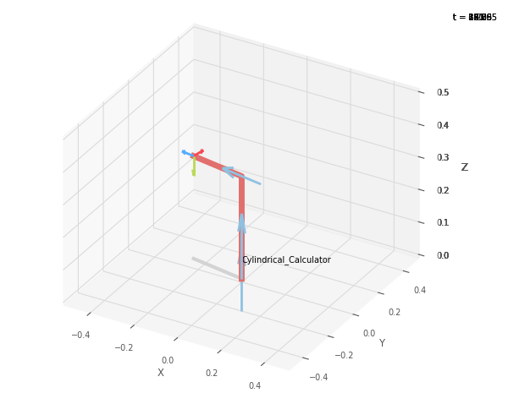
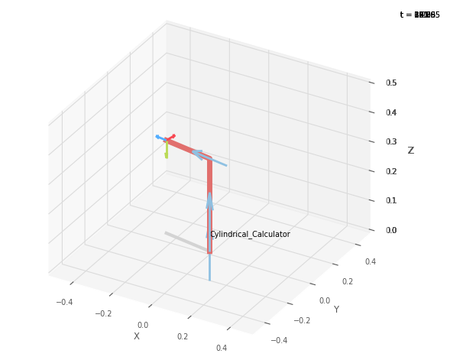
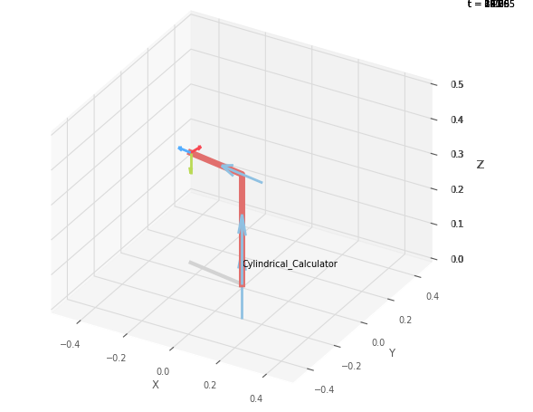
 |  |  | FK Joint Variables

 |  |  | 80 | 6.5 | 5
 |  |  | deg | cm | cm

 |  |  | Position Vector thru FK

 |  |  | 4.341 | 24.62 | 31.5
 |  |  | x | y | z

 |  |  | IK Joint Variables

 |  |  | 80 | 6.5 | 24.597
 |  |  | deg | cm | cm

 |  |  | Position Vector thru IK

 |  |  | 7.744 | 43.919 | 31.5
 |  |  | x | y | z

Trial 4
a1 | 10
a2 | 15
a3 | 20 | Forward Kinematics |  | Home |  | Inverse Kinematics | Forward Kinematics

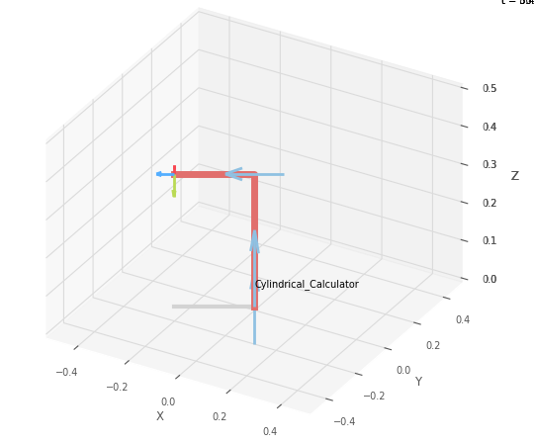
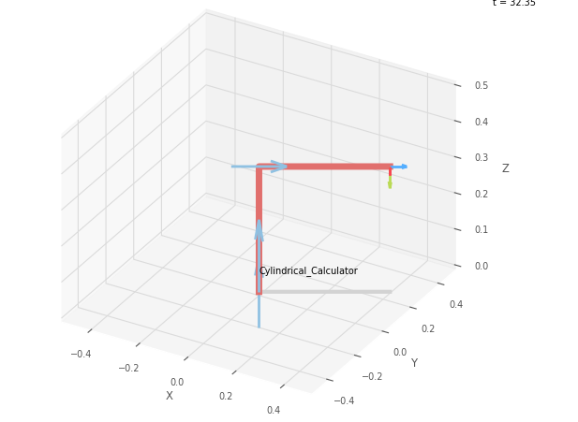
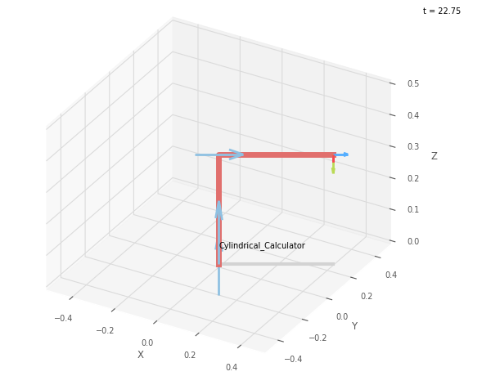
 |  |  | FK Joint Variables

 |  |  | 120 | 9.75 | 7.5
 |  |  | deg | cm | cm

 |  |  | Position Vector thru FK

 |  |  | -13.75 | 23.816 | 34.75
 |  |  | x | y | z

 |  |  | IK Joint Variables

 |  |  | -60 | 9.75 | 27.134
 |  |  | deg | cm | cm

 |  |  | Position Vector thru IK

 |  |  | 23.567 | -40.81 | 34.75
 |  |  | x | y | z

Trial 5
a1 | 10
a2 | 15
a3 | 20 | Forward Kinematics |  | Home |  | Inverse Kinematics | Forward Kinematics

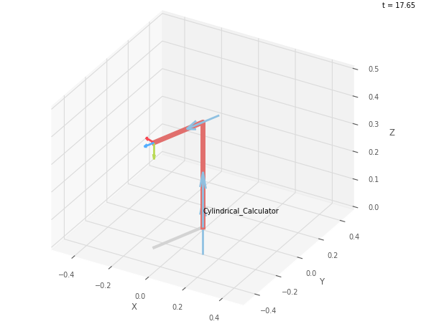
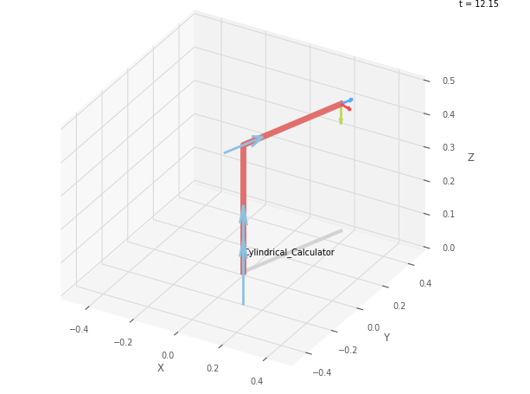
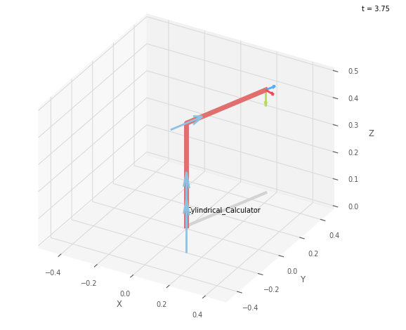
 |  |  | FK Joint Variables

 |  |  | 160 | 13 | 10
 |  |  | deg | cm | cm

 |  |  | Position Vector thru FK

 |  |  | -28.19 | 10.261 | 38
 |  |  | x | y | z

 |  |  | IK Joint Variables

 |  |  | -20 | 13 | 29.665
 |  |  | deg | cm | cm

 |  |  | Position Vector thru IK

 |  |  | 46.67 | -16.998
 |  |  | x | y | z

