Trial 1
a1 | 10
a2 | 10
a3 | 10 | Forward Kinematics | Inverse Kinematics | Forward Kinematics |  | Home
a4 | 10
a5 | 10
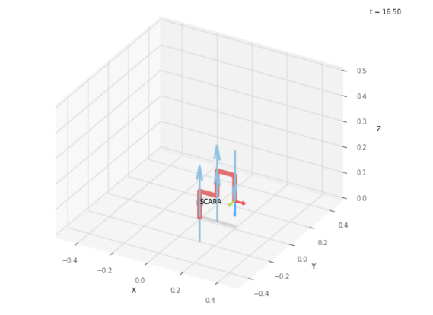

 |  |  |  |  | Calibration Joint Variables

 |  |  |  |  | 0 | 0 | 0
 |  |  |  |  | deg | deg | cm

 |  |  |  |  | Position Vector thu FK

 |  |  |  |  | 0 | 0 | 0
 |  |  |  |  | x0_3 | y0_3 | z0_3

 |  |  |  |  | Joint Variables thru IK

 |  |  |  |  | 0 | 0 | 0
 |  |  |  |  | deg | deg | cm

 |  |  |  |  | Position Vector thu FK

 |  |  |  |  | 0 | 0 | 0
 |  |  |  |  | x0_3 | y0_3 | z0_3

Trial 2
a1 | 10
a2 | 10
a3 | 10 | Forward Kinematics | Inverse Kinematics | Forward Kinematics |  | Home
a4 | 10
a5 | 10
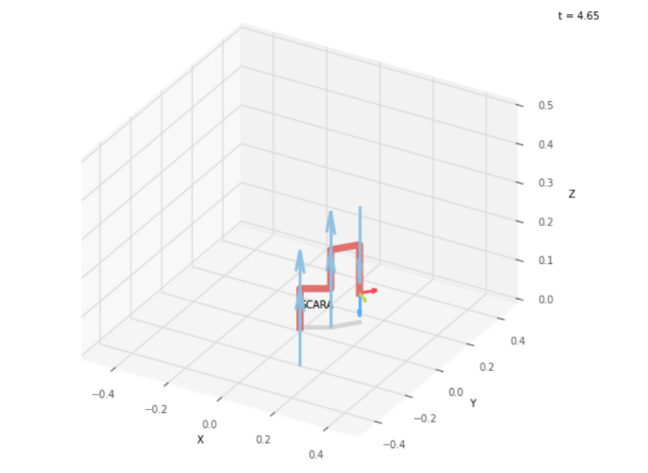

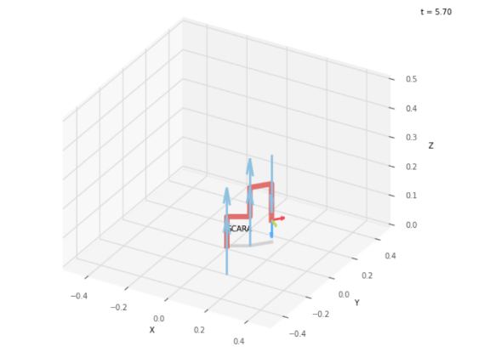
 |  |  |  |  | FK Joint Variables

 |  |  |  |  | 30 | 20 | 2.5
 |  |  |  |  | deg | deg | cm

 |  |  |  |  | Position Vector thu FK

 |  |  |  |  | 15.088 | 12.66 | 7.5
 |  |  |  |  | x0_3 | y0_3 | z0_3

 |  |  |  |  | IK Joint Variables

 |  |  |  |  | 29.993 | 20.013 | 2.5
 |  |  |  |  | deg | deg | cm

 |  |  |  |  | Position Vector thu FK

 |  |  |  |  | 15.088 | 12.66 | 7.5
 |  |  |  |  | x0_3 | y0_3 | z0_3

Trial 3
a1 | 10
a2 | 10
a3 | 10 | Forward Kinematics | Inverse Kinematics | Forward Kinematics |  | Home
a4 | 10
a5 | 10
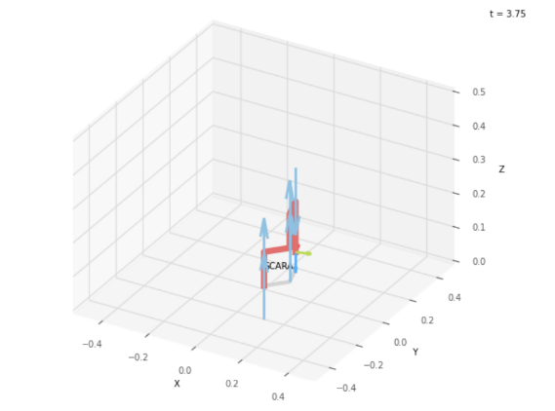

 |  |  |  |  | FK Joint Variables
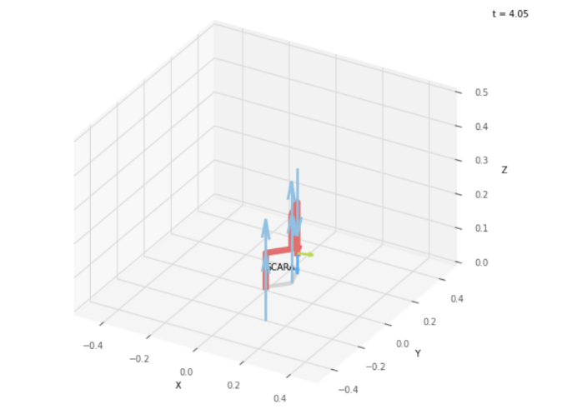
 |  |  |  |  | 47.5 | 60 | 5
 |  |  |  |  | deg | deg | cm

 |  |  |  |  | Position Vector thu FK

 |  |  |  |  | 3.749 | 16.91 | 5
 |  |  |  |  | x0_3 | y0_3 | z0_3

 |  |  |  |  | IK Joint Variables

 |  |  |  |  | 47.5 | 59.999 | 5
 |  |  |  |  | deg | deg | cm

 |  |  |  |  | Position Vector thu FK

 |  |  |  |  | 3.749 | 16.91 | 5
 |  |  |  |  | x0_3 | y0_3 | z0_3

Trial 4
a1 | 10
a2 | 10
a3 | 10 | Forward Kinematics | Inverse Kinematics | Forward Kinematics |  | Home
a4 | 10
a5 | 10
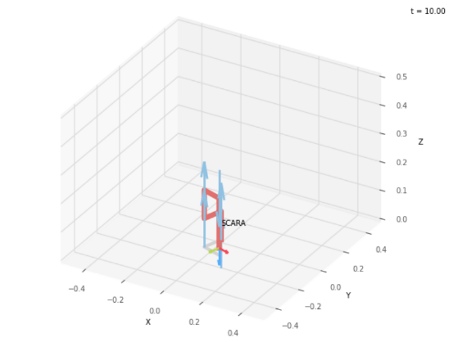
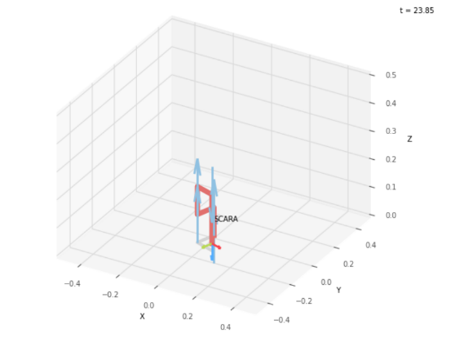
 |  |  |  |  | FK Joint Variables
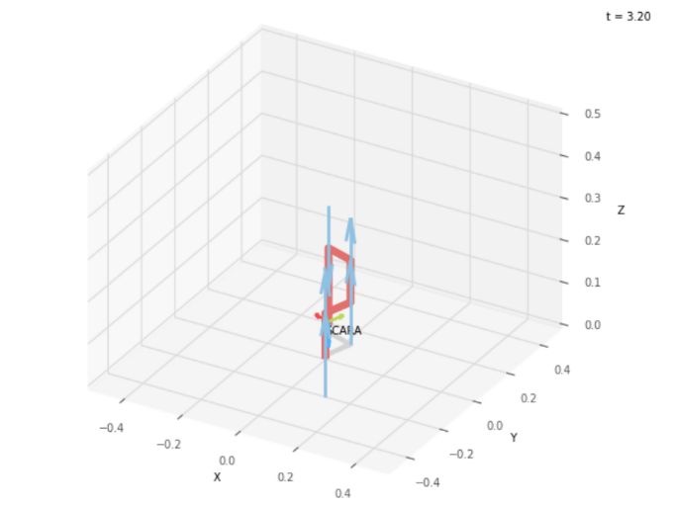
 |  |  |  |  | 71.25 | 90 | 7.5
 |  |  |  |  | deg | deg | cm

 |  |  |  |  | Position Vector thu FK

 |  |  |  |  | -6.255 | 12.684 | 2.5
 |  |  |  |  | x0_3 | y0_3 | z0_3

 |  |  |  |  | IK Joint Variables

 |  |  |  |  | -108.749 | 89.997 | 7.5
 |  |  |  |  | deg | deg | cm

 |  |  |  |  | Position Vector thu FK

 |  |  |  |  | 6.225 | -12.684 | 2.5
 |  |  |  |  | x0_3 | y0_3 | z0_3

Trial 5
a1 | 10
a2 | 10
a3 | 10 | Forward Kinematics | Inverse Kinematics | Forward Kinematics |  | Home
a4 | 10
a5 | 10
 |  |  |  |  | FK Joint Variables
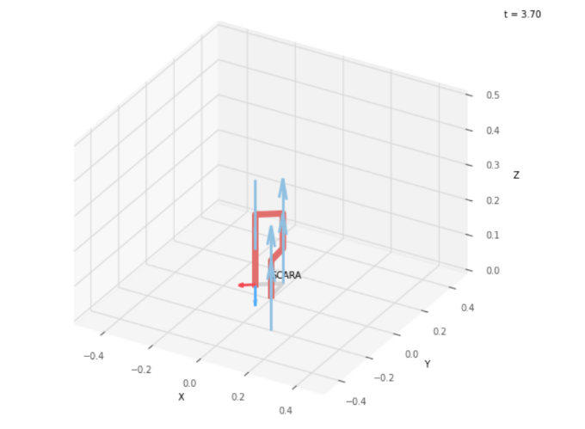
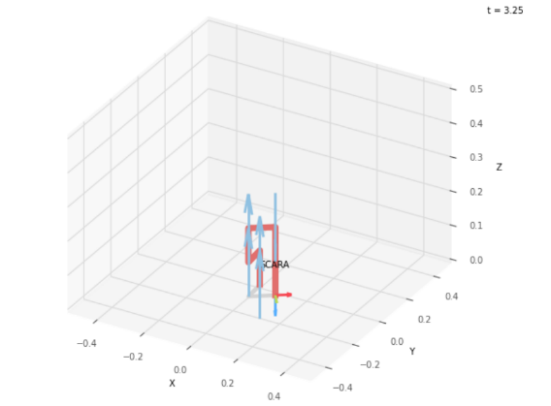
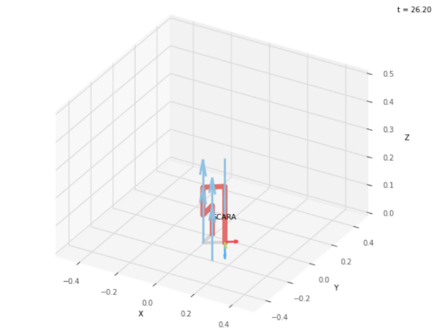
 |  |  |  |  | 95 | 120 | 10
 |  |  |  |  | deg | deg | cm

 |  |  |  |  | Position Vector thu FK

 |  |  |  |  | -9.063 | 4.226 | 0
 |  |  |  |  | x0_3 | y0_3 | z0_3

 |  |  |  |  | IK Joint Variables

 |  |  |  |  | -85 | 120 | 10
 |  |  |  |  | deg | deg | cm

 |  |  |  |  | Position Vector thu FK

 |  |  |  |  | 9.063 | -4.226 | 0
 |  |  |  |  | x0_3 | y0_3 | z0_3

