Trial 1
a1 | 50
a2 | 40
a3 | 20 | Forward Kinematics |  | Home |  | Inverse Kinematics | Forward Kinematics

 |  |  | FK Joint Variables
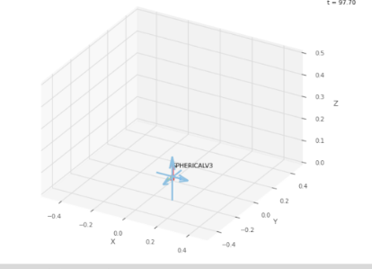
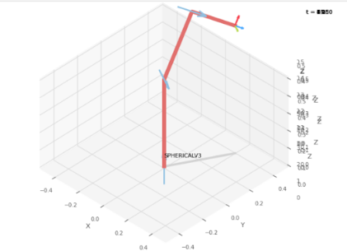
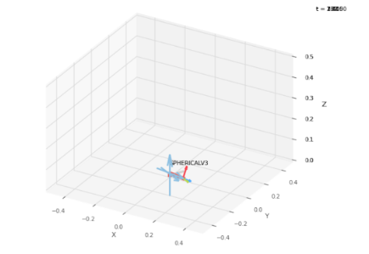
 |  |  | 0 | 0 | 0
 |  |  | deg | cm | cm

 |  |  | Position Vector thru FK

 |  |  | 20 | 40 | 90
 |  |  | x | y | z

 |  |  | IK Joint Variables

 |  |  | 61.4 | -25.6 | 9.46
 |  |  | deg | cm | cm

 |  |  | Position Vector thru IK

 |  |  | 20.99 | 61.85 | 73.35
 |  |  | x | y | z

Trial 2
a1 | 50
a2 | 40
a3 | 20 | Forward Kinematics |  | Home |  | Inverse Kinematics | Forward Kinematics

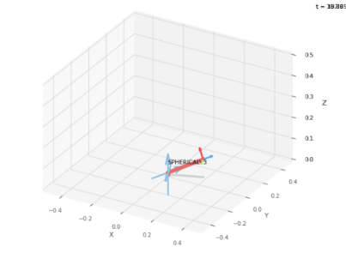
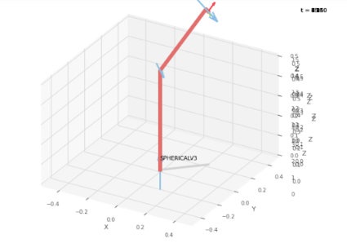
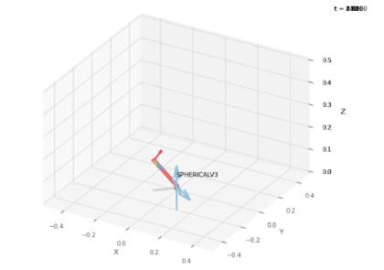
 |  |  | FK Joint Variables

 |  |  | 20.5 | 20.5 | 21.5
 |  |  | deg | cm | cm

 |  |  | Position Vector thru FK

 |  |  | 23.3 | 60.7 | 102
 |  |  | x | y | z

 |  |  | IK Joint Variables

 |  |  | 43.64 | -44.8 | -18.13
 |  |  | deg | cm | cm

 |  |  | Position Vector thru IK

 |  |  | 21.36 | 47.43 | 77.07
 |  |  | x | y | z

Trial 3
a1 | 50
a2 | 40
a3 | 20 | Forward Kinematics |  | Home |  | Inverse Kinematics | Forward Kinematics

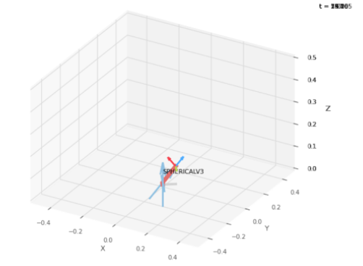
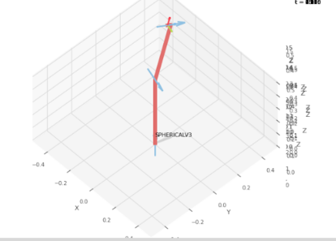
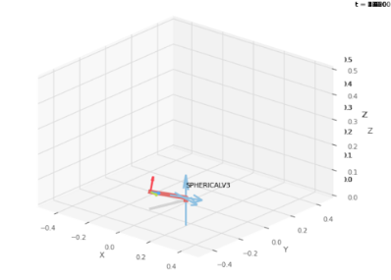
 |  |  | FK Joint Variables

 |  |  | 35 | 45 | 10
 |  |  | deg | cm | cm

 |  |  | Position Vector thru FK

 |  |  | -5.79 | 45.44 | 99.5
 |  |  | x | y | z

 |  |  | IK Joint Variables

 |  |  | 74.05 | -15.36 | -22.26
 |  |  | deg | cm | cm

 |  |  | Position Vector thru IK

 |  |  | 2.314 | 47.26 | 89.17
 |  |  | x | y | z

Trial 4
a1 | 50
a2 | 40
a3 | 20 | Forward Kinematics |  | Home |  | Inverse Kinematics | Forward Kinematics

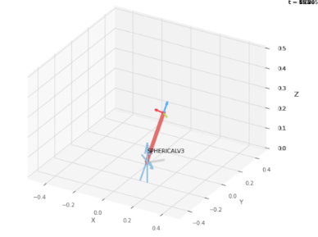
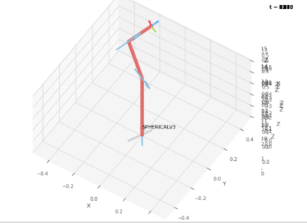
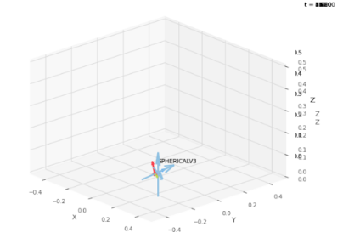
 |  |  | FK Joint Variables

 |  |  | 50 | 65 | 25
 |  |  | deg | cm | cm

 |  |  | Position Vector thru FK

 |  |  | -11.07 | 44.49 | 107.7
 |  |  | x | y | z

 |  |  | IK Joint Variables

 |  |  | 63.44 | 15.02 | -2.12
 |  |  | deg | cm | cm

 |  |  | Position Vector thru IK

 |  |  | 3.1 | 49.44 | 93.27
 |  |  | x | y | z

Trial 5
a1 | 50
a2 | 40
a3 | 20 | Forward Kinematics |  | Home |  | Inverse Kinematics | Forward Kinematics

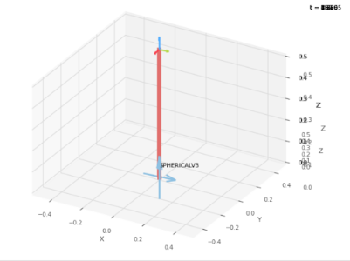
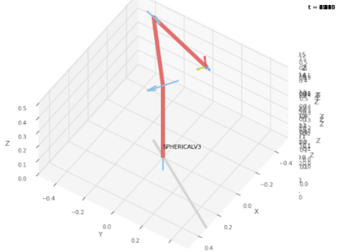
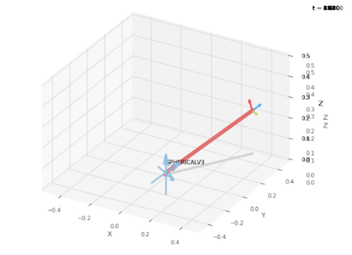
 |  |  | FK Joint Variables

 |  |  | 95 | 90 | 60
 |  |  | deg | cm | cm

 |  |  | Position Vector thru FK

 |  |  | 3.49 | 40.15 | 1.3
 |  |  | x | y | z

 |  |  | IK Joint Variables

 |  |  | 57.72 | 19.6 | 59.27
 |  |  | deg | cm | cm

 |  |  | Position Vector thru IK

 |  |  | 32.72 | 116.1 | 114.2
 |  |  | x | y | z

