Trial 1
a1 | = | 25
a2 | = | 20 | Forward Kinematics |  | Home |  | Inverse Kinematics
a3 | = | 10

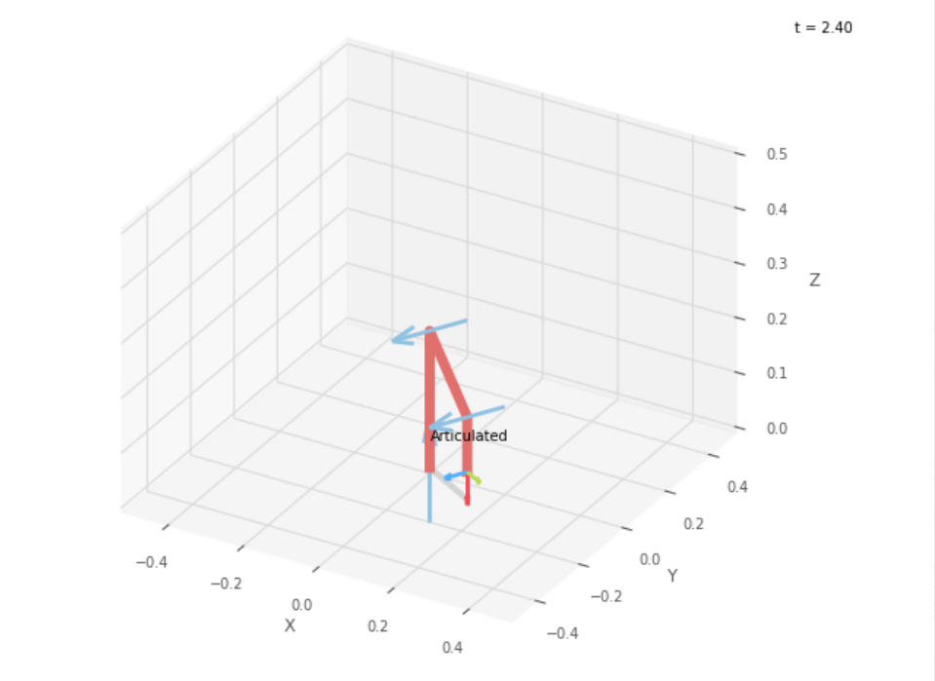
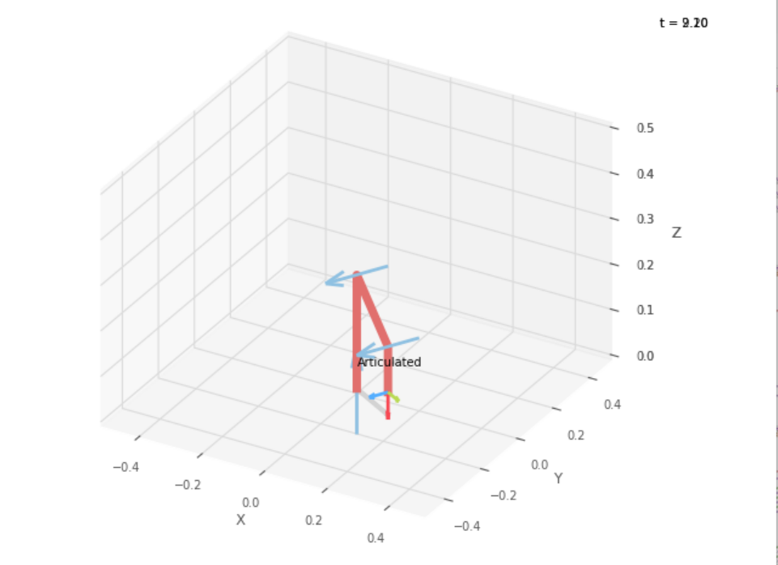
 |  |  |  | FK Joint Variables

 |  |  |  | -30 | -30 | -60
 |  |  |  | deg | deg | deg

 |  |  |  | Position Vector

 |  |  |  | 15 | -8.66 | 5
 |  |  |  | deg | deg | deg

 |  |  |  | IK Joint Variables

 |  |  |  | -29.99 | -30 | -60
 |  |  |  | deg | deg | deg

Trial 2
a1 | = | 25
a2 | = | 20 | Forward Kinematics |  | Home |  | Inverse Kinematics
a3 | = | 10

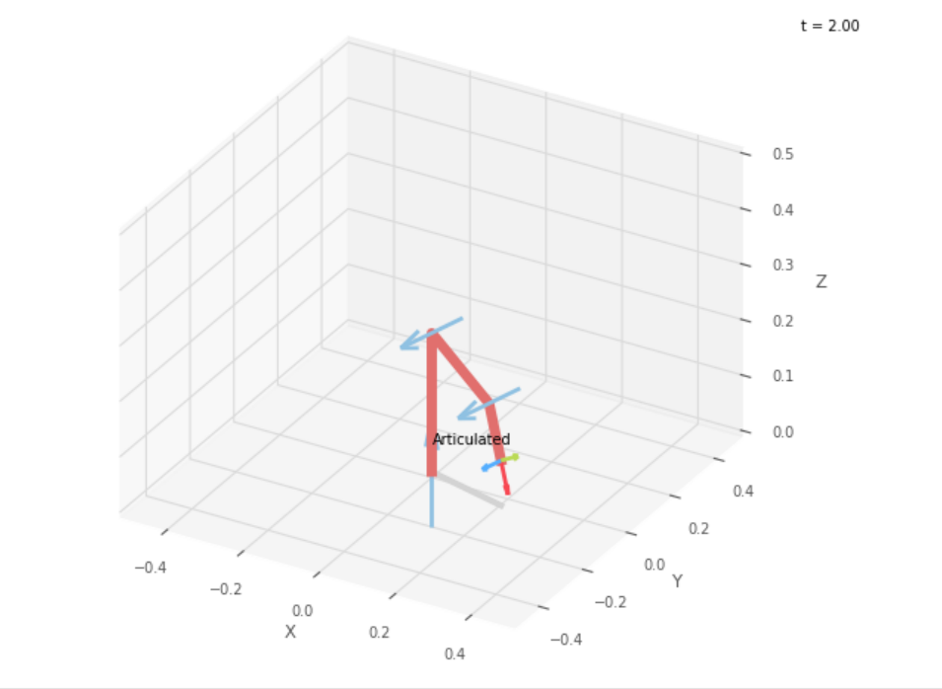
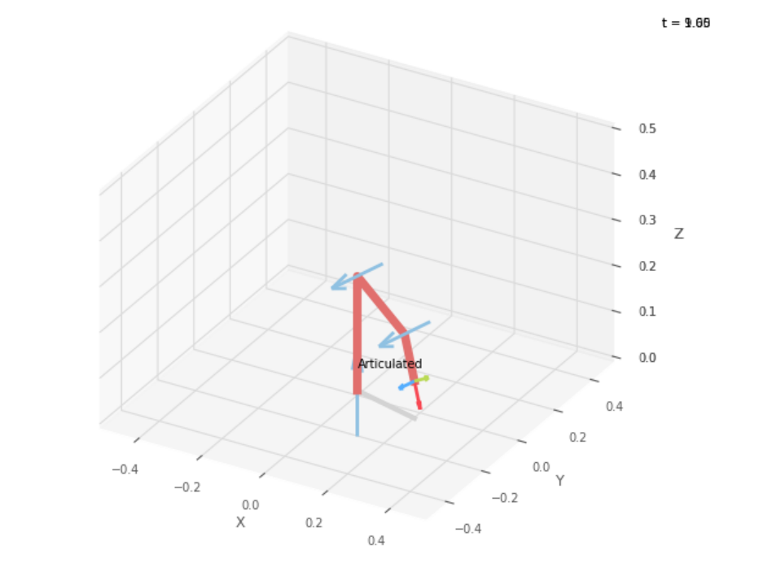
 |  |  |  | FK Joint Variables

 |  |  |  | -15 | -22.5 | -45
 |  |  |  | deg | deg | deg

 |  |  |  | Position Vector

 |  |  |  | 21.544 | -5.773 | 8.108
 |  |  |  | deg | deg | deg

 |  |  |  | IK Joint Variables

 |  |  |  | -15 | -22.49 | -45
 |  |  |  | deg | deg | deg

Trial 3
a1 | = | 25
a2 | = | 20 | Forward Kinematics |  | Home |  | Inverse Kinematics
a3 | = | 10

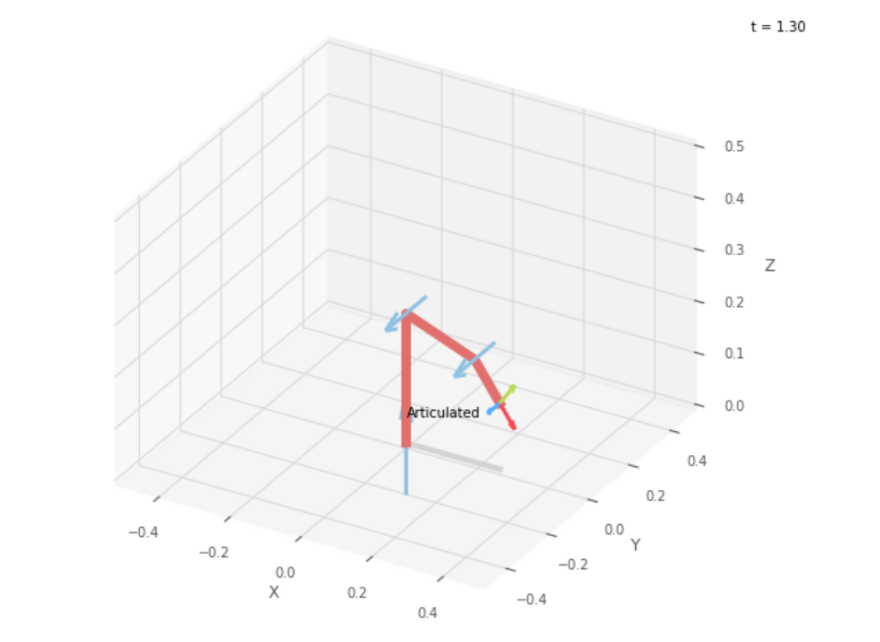
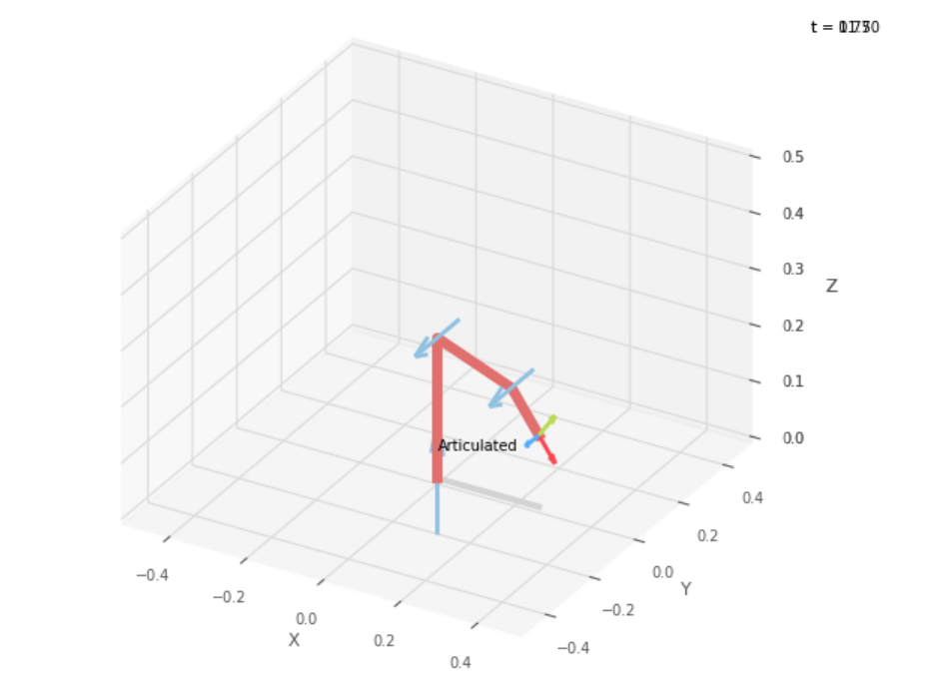
 |  |  |  | FK Joint Variables

 |  |  |  | 0 | -15 | -30
 |  |  |  | deg | deg | deg

 |  |  |  | Position Vector

 |  |  |  | 26.39 | 0 | 12.753
 |  |  |  | deg | deg | deg

 |  |  |  | IK Joint Variables

 |  |  |  | 0 | -15 | -29.99
 |  |  |  | deg | deg | deg

Trial 4
a1 | = | 25
a2 | = | 20 | Forward Kinematics |  | Home |  | Inverse Kinematics
a3 | = | 10

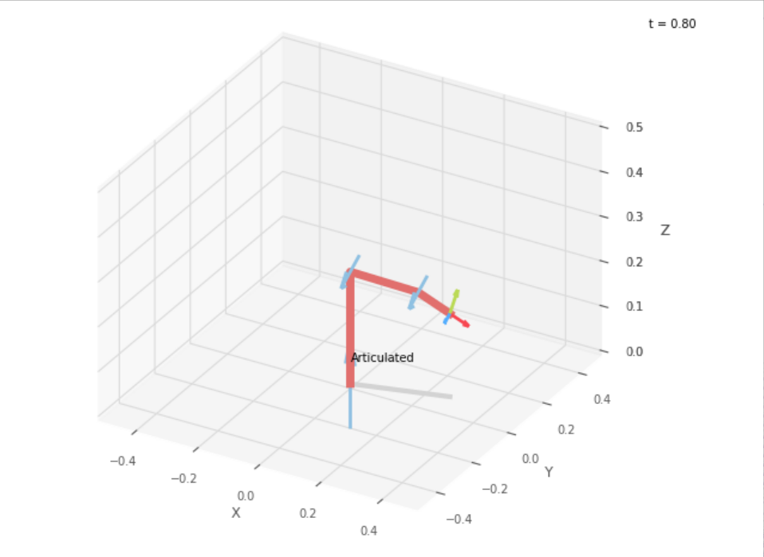
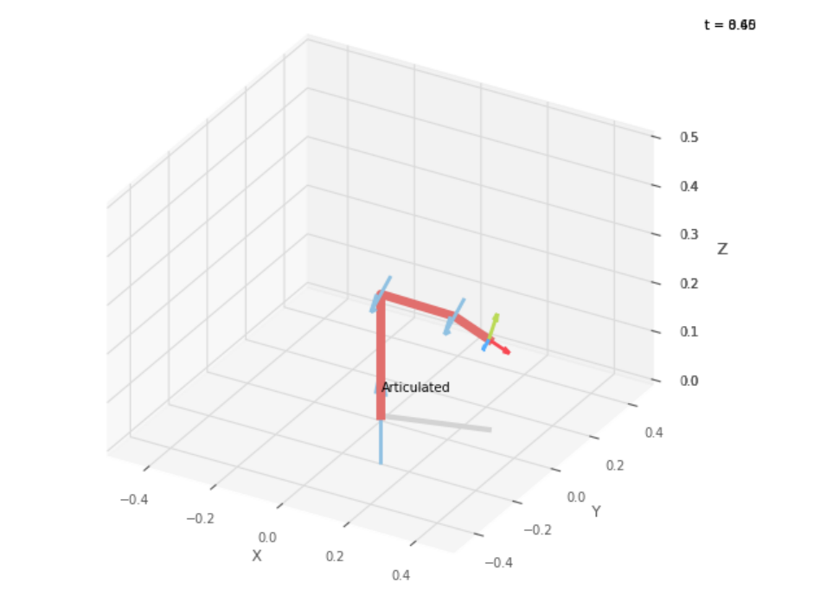
 |  |  |  | FK Joint Variables

 |  |  |  | 15 | -7.5 | -15
 |  |  |  | deg | deg | deg

 |  |  |  | Position Vector

 |  |  |  | 28.077 | 7.523 | 18.563
 |  |  |  | deg | deg | deg

 |  |  |  | IK Joint Variables

 |  |  |  | 15 | -7.495 | -15.01
 |  |  |  | deg | deg | deg

Trial 5
a1 | = | 25
a2 | = | 20 | Forward Kinematics |  | Home |  | Inverse Kinematics
a3 | = | 10

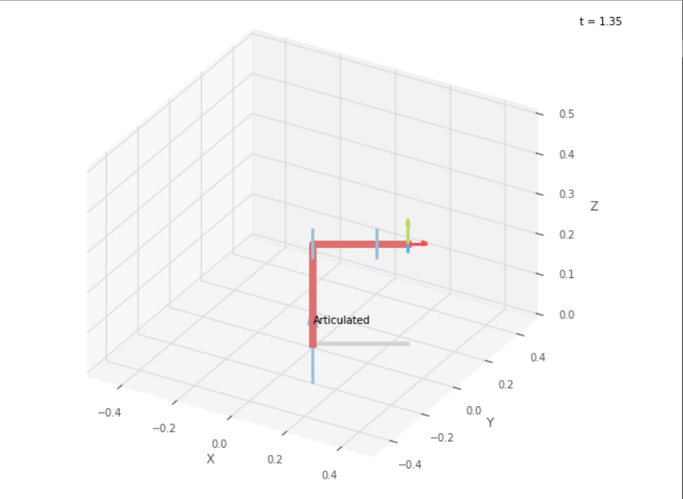
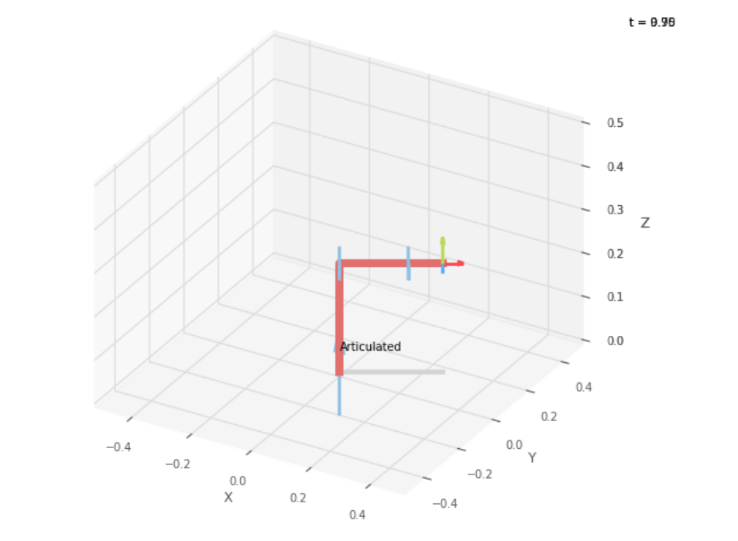
 |  |  |  | FK Joint Variables

 |  |  |  | 30 | 0 | 0
 |  |  |  | deg | deg | deg

 |  |  |  | Position Vector

 |  |  |  | 25.981 | 15 | 25
 |  |  |  | deg | deg | deg

 |  |  |  | IK Joint Variables

 |  |  |  | 30 | 0 | 0
 |  |  |  | deg | deg | deg

