Trial 1
a1 | = | 20
a2 | = | 30 | Forward Kinematics |  | Home |  | Inverse Kinematics
a3 | = | 10
a4 | = | 15
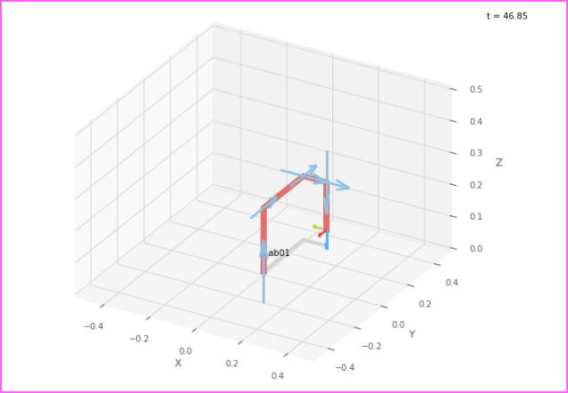
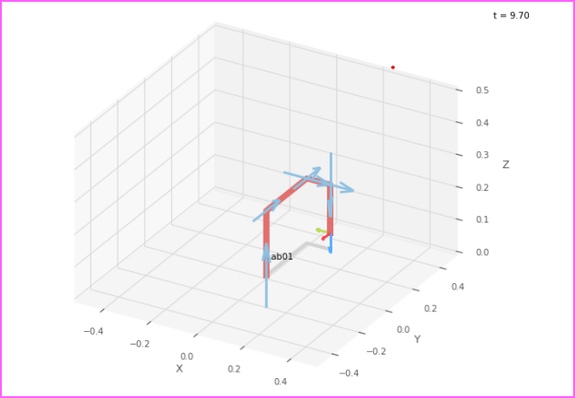
 |  |  |  | FK Joint Variables

 |  |  |  | 0 | 0 | 0
 |  |  |  | cm | cm | cm

 |  |  |  | Position Vector

 |  |  |  | 10 | 30 | 5
 |  |  |  | cm | cm | cm

 |  |  |  | IK Joint Variables

 |  |  |  | 0 | 0 | 0
 |  |  |  | cm | cm | cm

Trial 2
a1 | = | 20
a2 | = | 30 | Forward Kinematics |  | Home |  | Inverse Kinematics
a3 | = | 10
a4 | = | 15
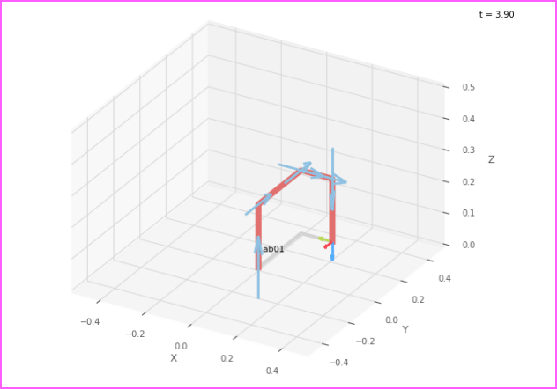
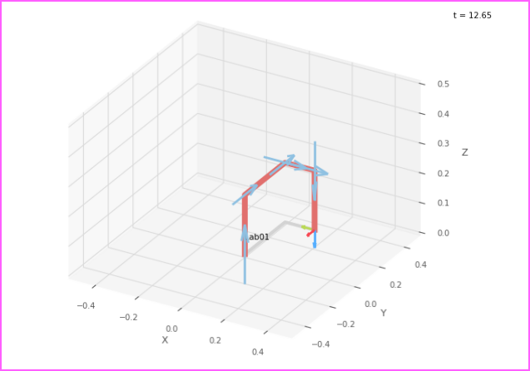
 |  |  |  | FK Joint Variables

 |  |  |  | 2.5 | 3.75 | 5
 |  |  |  | cm | cm | cm

 |  |  |  | Position Vector

 |  |  |  | 13.75 | 32.5 | 0
 |  |  |  | cm | cm | cm

 |  |  |  | IK Joint Variables

 |  |  |  | 2.5 | 3.75 | 5
 |  |  |  | cm | cm | cm

Trial 3
a1 | = | 20
a2 | = | 30 | Forward Kinematics |  | Home |  | Inverse Kinematics
a3 | = | 10
a4 | = | 15
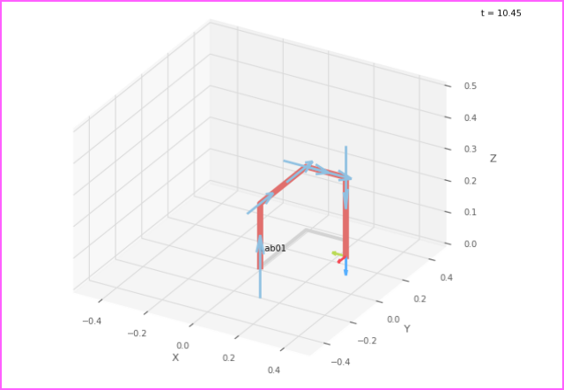
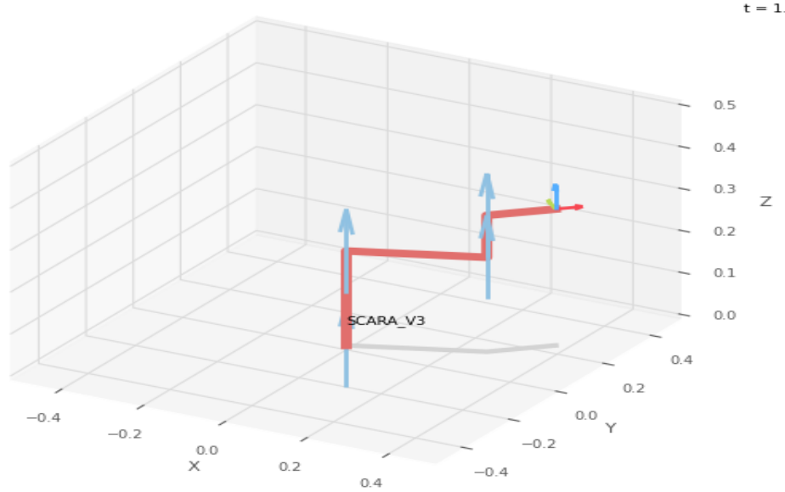
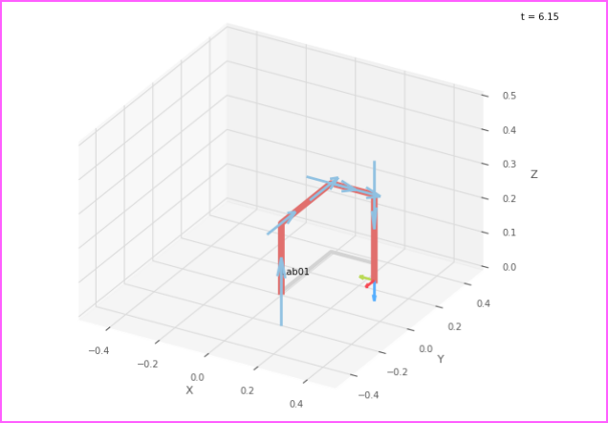
 |  |  |  | FK Joint Variables

 |  |  |  | 5 | 7.5 | 10
 |  |  |  | cm | cm | cm

 |  |  |  | Position Vector

 |  |  |  | 17.5 | 35 | -5
 |  |  |  | cm | cm | cm

 |  |  |  | IK Joint Variables

 |  |  |  | 5 | 7.5 | 10
 |  |  |  | cm | cm | cm

Trial 4
a1 | = | 20
a2 | = | 30 | Forward Kinematics |  | Home |  | Inverse Kinematics
a3 | = | 10
a4 | = | 15

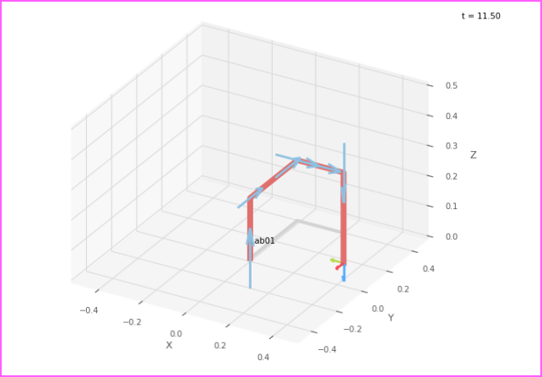
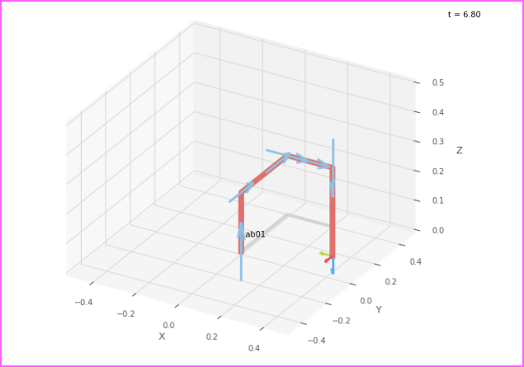
 |  |  |  | FK Joint Variables

 |  |  |  | 7.5 | 11.25 | 15
 |  |  |  | cm | cm | cm

 |  |  |  | Position Vector

 |  |  |  | 21.25 | 37.5 | -10
 |  |  |  | cm | cm | cm

 |  |  |  | IK Joint Variables

 |  |  |  | 7.5 | 11.25 | 15
 |  |  |  | cm | cm | cm

Trial 5
a1 | = | 20
a2 | = | 30 | Forward Kinematics |  | Home |  | Inverse Kinematics
a3 | = | 10
a4 | = | 15
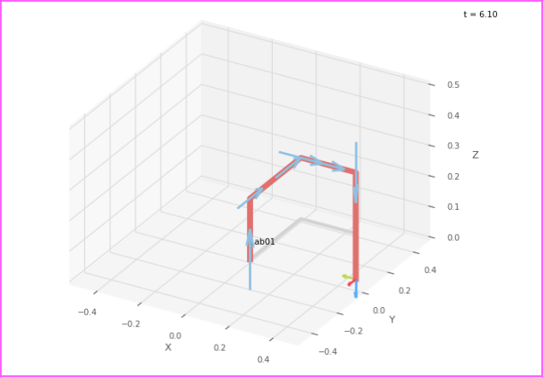
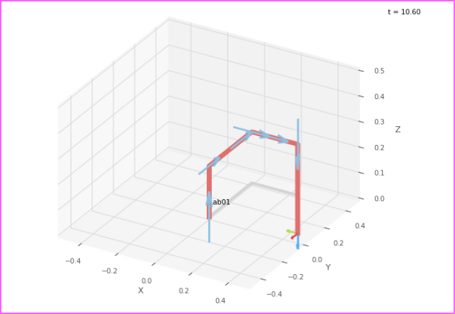
 |  |  |  | FK Joint Variables

 |  |  |  | 10 | 15 | 20
 |  |  |  | cm | cm | cm

 |  |  |  | Position Vector

 |  |  |  | 25 | 40 | -15
 |  |  |  | cm | cm | cm

 |  |  |  | IK Joint Variables

 |  |  |  | 10 | 15 | 20
 |  |  |  | cm | cm | cm

