Trial 1
a1 | = | 10
a2 | = | 20 | Forward Kinematics |  | Home |  | Inverse Kinematics
a3 | = | 10
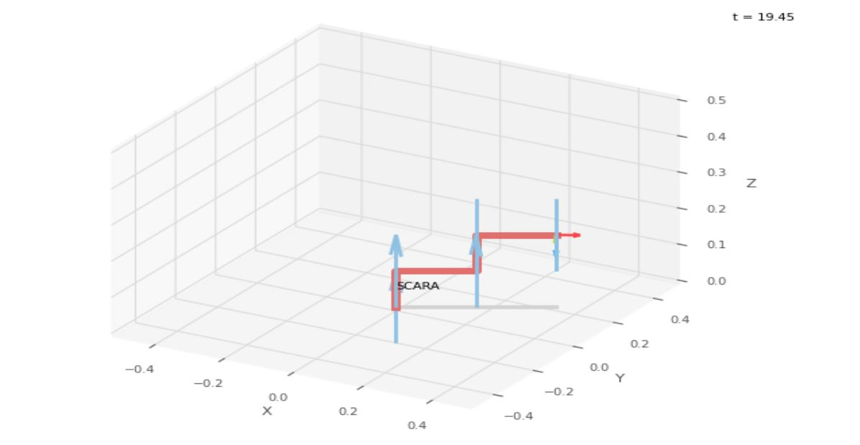
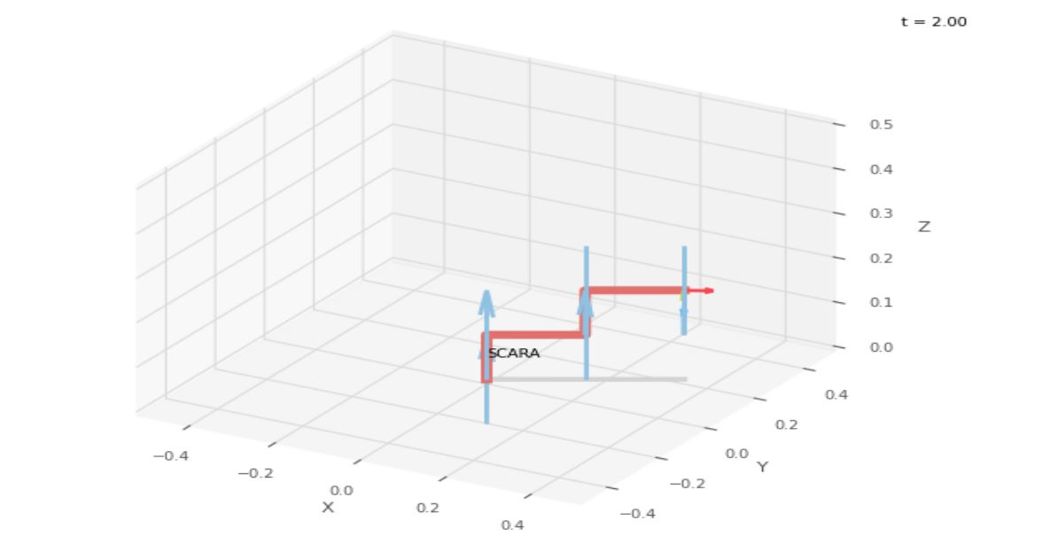
a4 | = | 20
a5 | = | 5
 |  |  |  | FK Joint Variables

 |  |  |  | 30 | 0 | 0
 |  |  |  | cm | deg | deg

 |  |  |  | Position Vector

 |  |  |  | 34.641 | 20 | 15
 |  |  |  | cm | deg | deg

 |  |  |  | IK Joint Variables

 |  |  |  | 29.952 | 0.096 | 0
 |  |  |  | cm | deg | deg

Trial 2
a1 | = | 10
a2 | = | 20 | Forward Kinematics |  | Home |  | Inverse Kinematics
a3 | = | 10
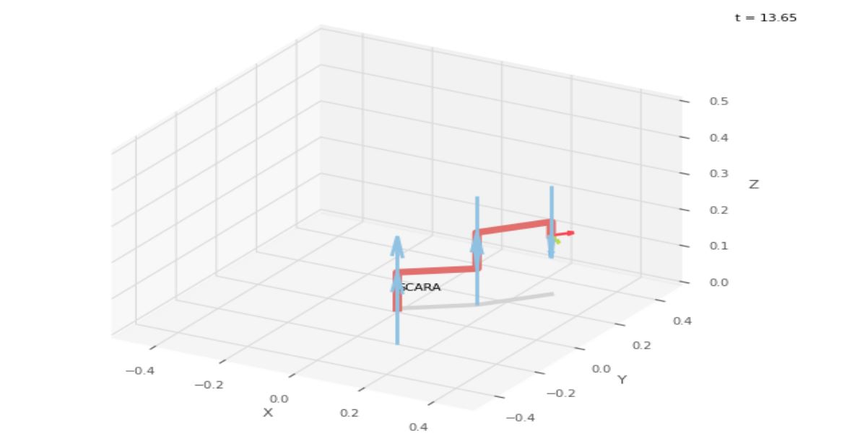
a4 | = | 20

a5 | = | 5
 |  |  |  | FK Joint Variables

 |  |  |  | 37.5 | 15 | 3.75
 |  |  |  | cm | deg | deg

 |  |  |  | Position Vector

 |  |  |  | 28.042 | 28.042 | 11.25
 |  |  |  | cm | deg | deg

 |  |  |  | IK Joint Variables

 |  |  |  | 37.495 | 15.009 | 3.75
 |  |  |  | cm | deg | deg

Trial 3
a1 | = | 10
a2 | = | 20 | Forward Kinematics |  | Home |  | Inverse Kinematics
a3 | = | 10
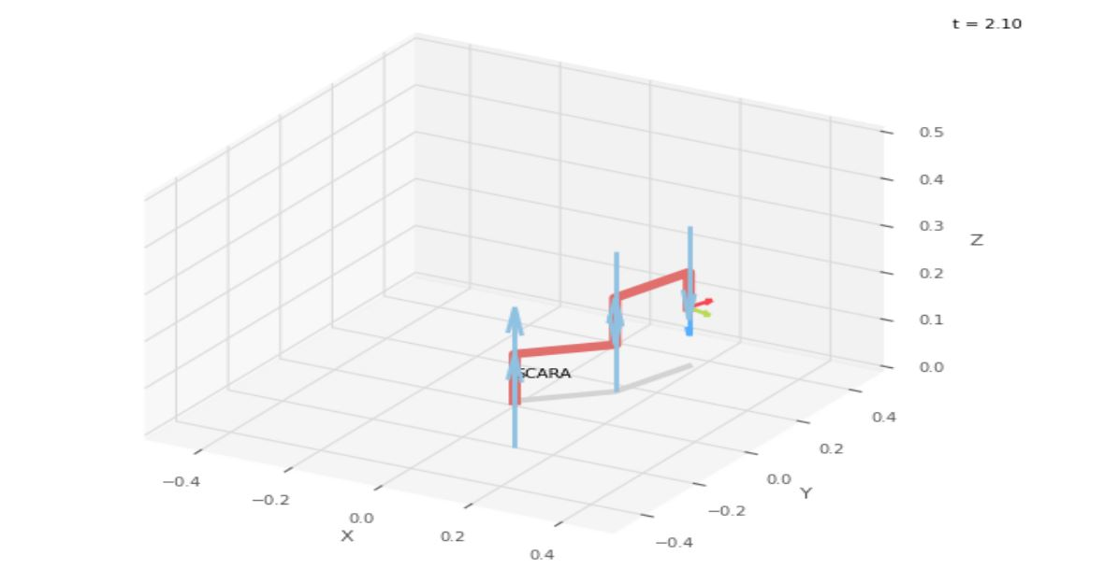
a4 | = | 20

a5 | = | 5
 |  |  |  | FK Joint Variables

 |  |  |  | 45 | 30 | 7.5
 |  |  |  | cm | deg | deg

 |  |  |  | Position Vector

 |  |  |  | 19.319 | 33.461 | 7.5
 |  |  |  | cm | deg | deg

 |  |  |  | IK Joint Variables

 |  |  |  | 45.003 | 29.994 | 7.5
 |  |  |  | cm | deg | deg

Trial 4
a1 | = | 10
a2 | = | 20 | Forward Kinematics |  | Home |  | Inverse Kinematics
a3 | = | 10
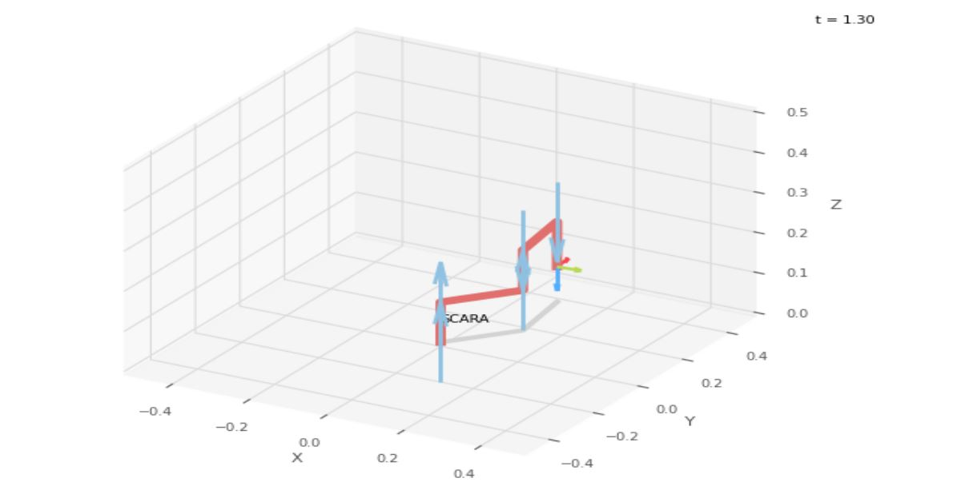

a4 | = | 20
a5 | = | 5
 |  |  |  | FK Joint Variables

 |  |  |  | 52.5 | 45 | 11.25
 |  |  |  | cm | deg | deg

 |  |  |  | Position Vector

 |  |  |  | 9.565 | 35.696 | 3.75
 |  |  |  | cm | deg | deg

 |  |  |  | IK Joint Variables

 |  |  |  | 52.5 | 44.999 | 11.25
 |  |  |  | cm | deg | deg

Trial 5
a1 | = | 10
a2 | = | 20 | Forward Kinematics |  | Home |  | Inverse Kinematics
a3 | = | 10
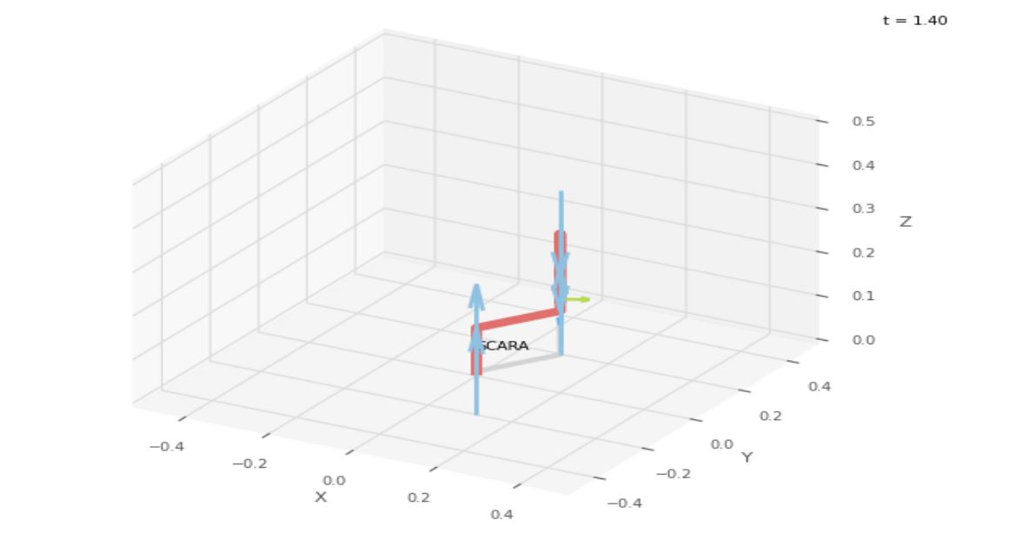
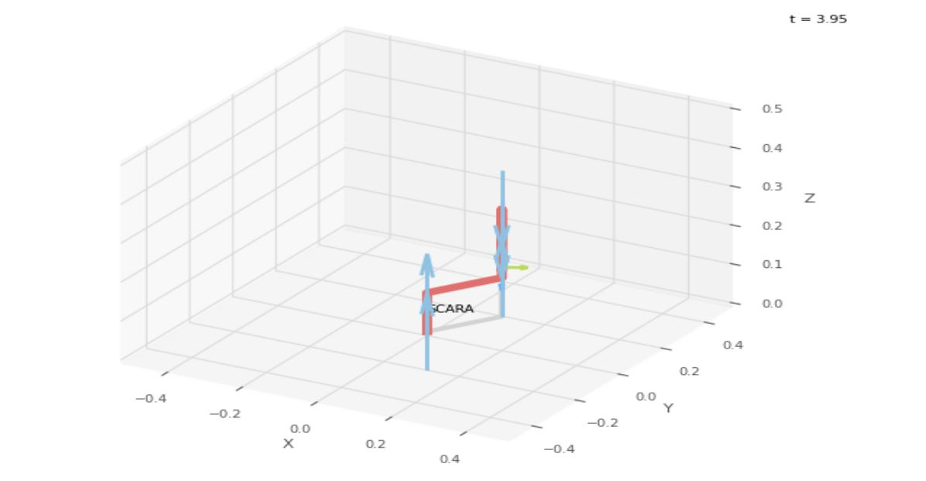
a4 | = | 20
a5 | = | 5
 |  |  |  | FK Joint Variables

 |  |  |  | 60 | 60 | 15
 |  |  |  | cm | deg | deg

 |  |  |  | Position Vector

 |  |  |  | 0 | 34.641 | 0
 |  |  |  | cm | deg | deg

 |  |  |  | IK Joint Variables

 |  |  |  | 60 | 60 | 15
 |  |  |  | cm | deg | deg

