Trial 1
a1 | = | 20
a2 | = | 30 | Forward Kinematics |  | Home |  | Inverse Kinematics
a3 | = | 10

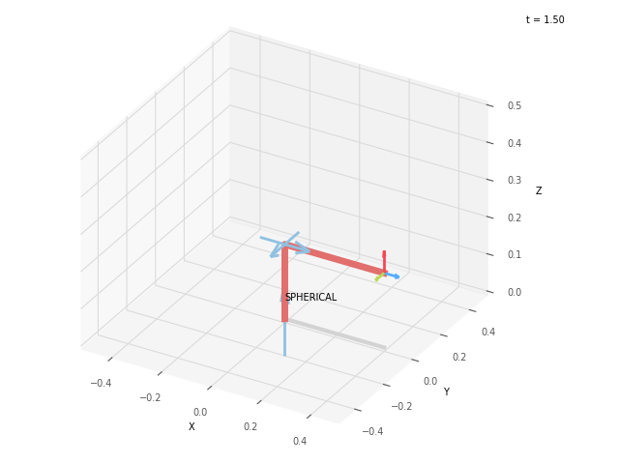

 |  |  |  | FK Joint Variables

 |  |  |  | 0 | 0 | 0
 |  |  |  | cm | deg | deg

 |  |  |  | Position Vector

 |  |  |  | 40 | 0 | 20
 |  |  |  | cm | deg | deg

 |  |  |  | IK Joint Variables

 |  |  |  | 0 | 0 | 0
 |  |  |  | cm | deg | deg

Trial 2
a1 | = | 20
a2 | = | 30 | Forward Kinematics |  | Home |  | Inverse Kinematics
a3 | = | 10

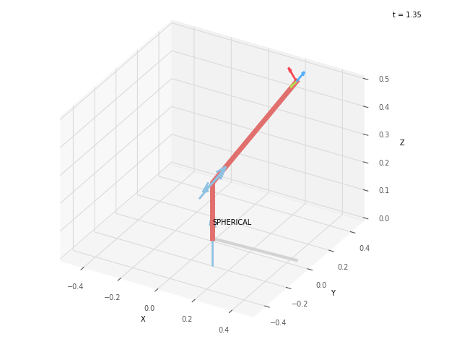
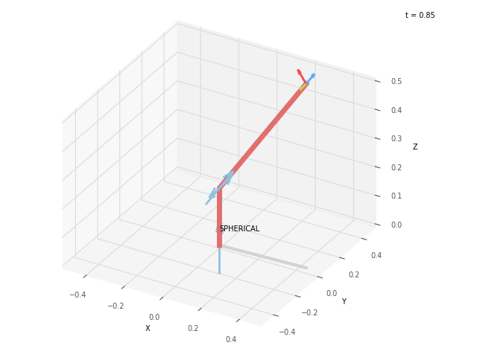
 |  |  |  | FK Joint Variables

 |  |  |  | 2.5 | 45 | 22.5
 |  |  |  | cm | deg | deg

 |  |  |  | Position Vector

 |  |  |  | 45.152 | 1.928 | 64.194
 |  |  |  | cm | deg | deg

 |  |  |  | IK Joint Variables

 |  |  |  | 2.5 | 45 | 22.5
 |  |  |  | cm | deg | deg

Trial 3
a1 | = | 20
a2 | = | 30 | Forward Kinematics |  | Home |  | Inverse Kinematics
a3 | = | 10

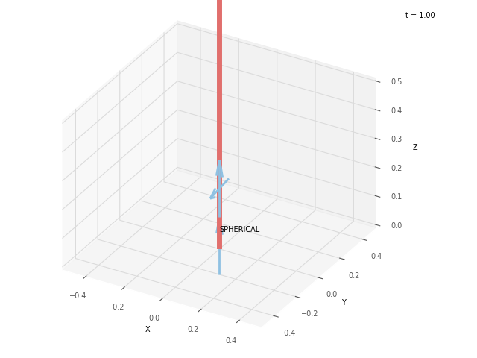
 |  |  |  | FK Joint Variables

 |  |  |  | 5 | 90 | 45
 |  |  |  | cm | deg | deg

 |  |  |  | Position Vector

 |  |  |  | 0 | 0 | 105.0
 |  |  |  | cm | deg | deg

 |  |  |  | IK Joint Variables

 |  |  |  | 5 | 90 | 45
 |  |  |  | cm | deg | deg

Trial 4
a1 | = | 20
a2 | = | 30 | Forward Kinematics |  | Home |  | Inverse Kinematics
a3 | = | 10

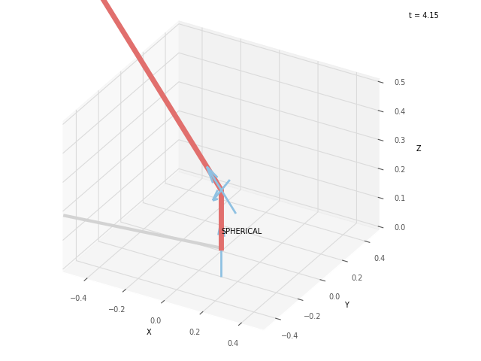
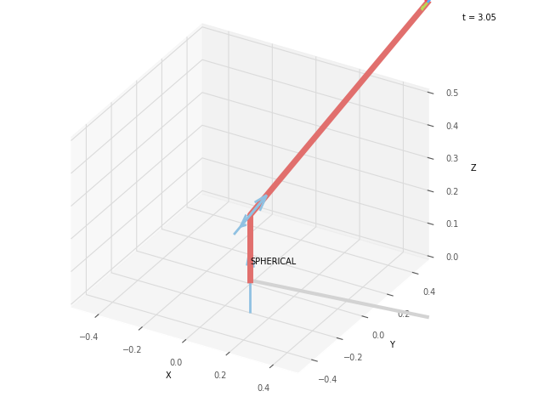
 |  |  |  | FK Joint Variables

 |  |  |  | 7.5 | 135 | 67.5
 |  |  |  | cm | deg | deg

 |  |  |  | Position Vector

 |  |  |  | -75.36 | -9.922 | 96.014
 |  |  |  | cm | deg | deg

 |  |  |  | IK Joint Variables

 |  |  |  | 7.5 | 45 | 67.5
 |  |  |  | cm | deg | deg

Trial 5
a1 | = | 20
a2 | = | 30 | Forward Kinematics |  | Home |  | Inverse Kinematics
a3 | = | 10

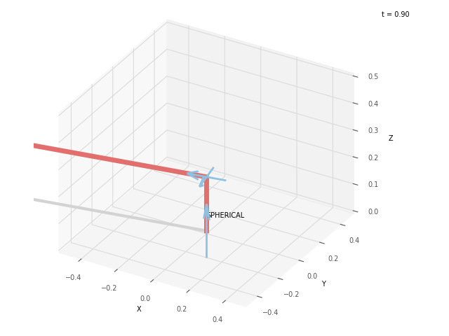
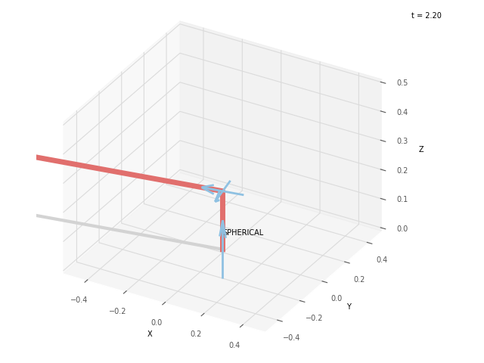
 |  |  |  | FK Joint Variables

 |  |  |  | 10 | 180 | 90
 |  |  |  | cm | deg | deg

 |  |  |  | Position Vector

 |  |  |  | -128.0 | -22.57 | 20.0
 |  |  |  | cm | deg | deg

 |  |  |  | IK Joint Variables

 |  |  |  | 10.0 | 0 | 90
 |  |  |  | cm | deg | deg

 |  |  |  |  |  |  |  | Tr

