Trial 1
a1 | = | 20
a2 | = | 30 | Forward Kinematics |  | Home |  | Inverse Kinematics
a3 | = | 10

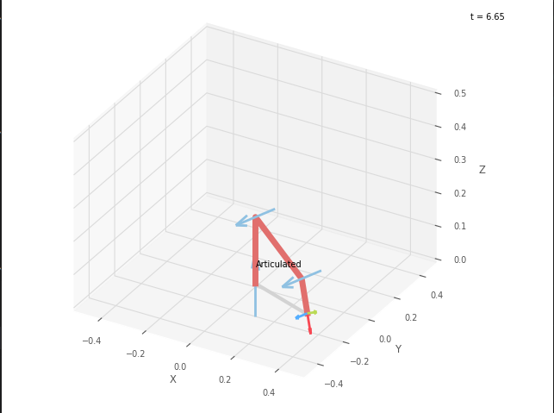
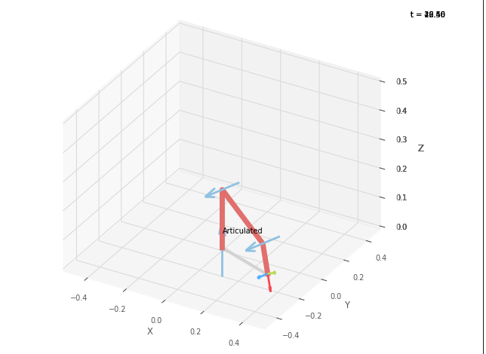
 |  |  |  | FK Joint Variables

 |  |  |  | -20 | -20 | -50
 |  |  |  | deg | deg | deg

 |  |  |  | Position Vector

 |  |  |  | 29.705 | -10.812 | 0.342
 |  |  |  | deg | deg | deg

 |  |  |  | IK Joint Variables

 |  |  |  | -20 | -20.002 | -49.994
 |  |  |  | deg | deg | deg

Trial 2
a1 | = | 20
a2 | = | 30 | Forward Kinematics |  | Home |  | Inverse Kinematics
a3 | = | 10

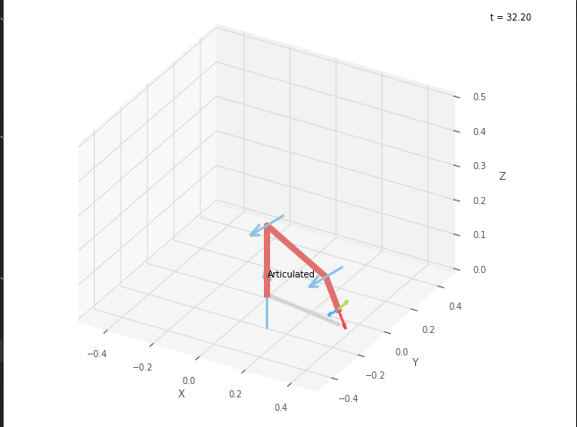
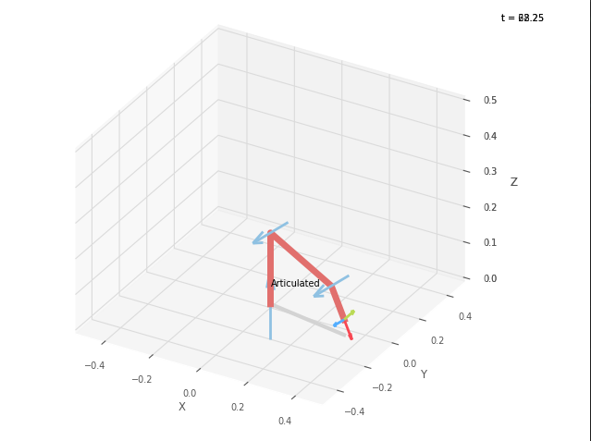
 |  |  |  | FK Joint Variables

 |  |  |  | -10 | -15 | -37.5
 |  |  |  | deg | deg | deg

 |  |  |  | Position Vector

 |  |  |  | 34.533 | -6.089 | 4.302
 |  |  |  | deg | deg | deg

 |  |  |  | IK Joint Variables

 |  |  |  | -10 | -15 | -37.497
 |  |  |  | deg | deg | deg

Trial 3
a1 | = | 20
a2 | = | 30 | Forward Kinematics |  | Home |  | Inverse Kinematics
a3 | = | 10

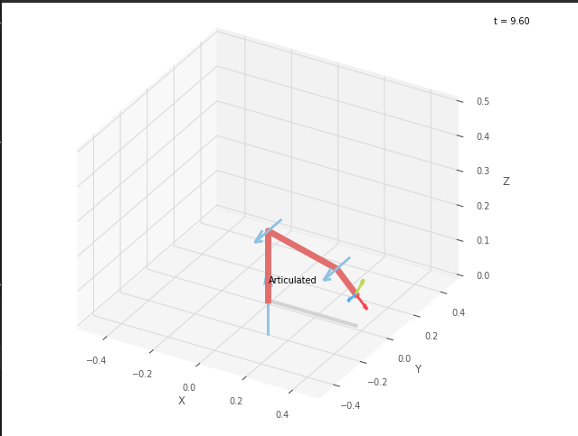
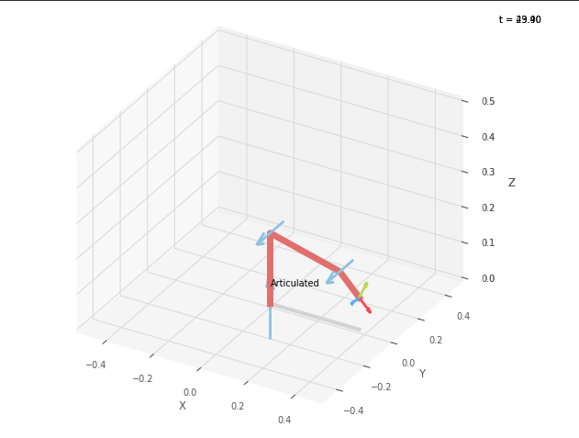
 |  |  |  | FK Joint Variables

 |  |  |  | 0 | -10 | -25
 |  |  |  | deg | deg | deg

 |  |  |  | Position Vector

 |  |  |  | 37.736 | 0 | 9.055
 |  |  |  | deg | deg | deg

 |  |  |  | IK Joint Variables

 |  |  |  | 0 | -10 | -24.997
 |  |  |  | deg | deg | deg

Trial 4
a1 | = | 20
a2 | = | 30 | Forward Kinematics |  | Home |  | Inverse Kinematics
a3 | = | 10

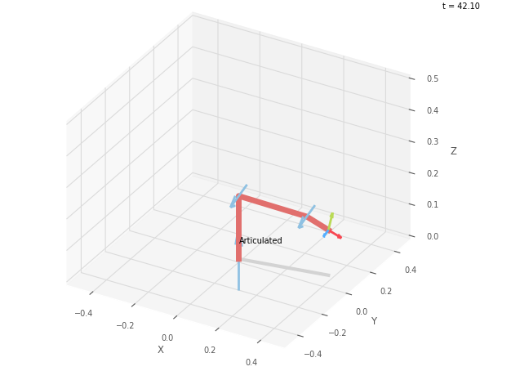
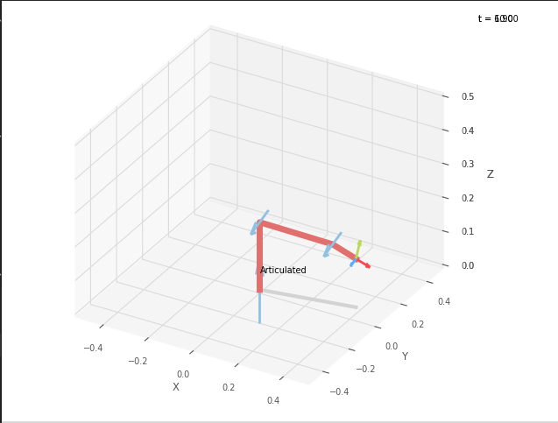
 |  |  |  | FK Joint Variables

 |  |  |  | 10 | -5 | -12.5
 |  |  |  | deg | deg | deg

 |  |  |  | Position Vector

 |  |  |  | 38.824 | 6.846 | 14.378
 |  |  |  | deg | deg | deg

 |  |  |  | IK Joint Variables

 |  |  |  | 10 | -5 | -12.5
 |  |  |  | deg | deg | deg

Trial 5
a1 | = | 20
a2 | = | 30 | Forward Kinematics |  | Home |  | Inverse Kinematics
a3 | = | 10

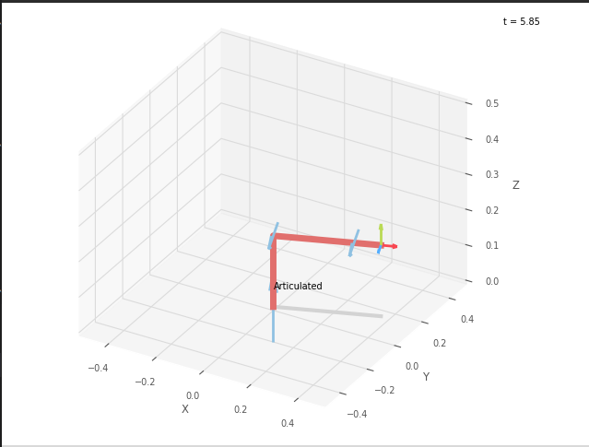
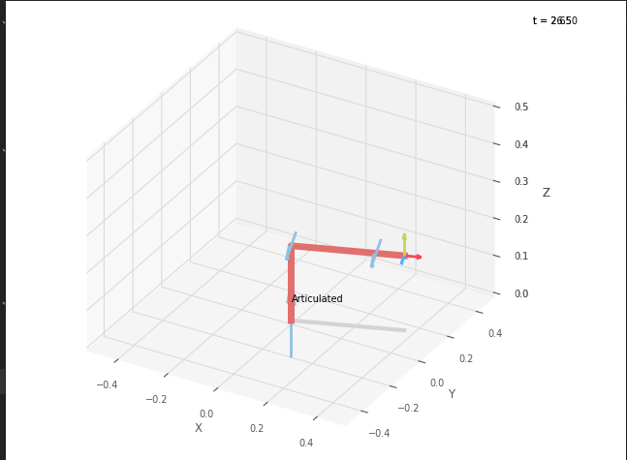
 |  |  |  | FK Joint Variables

 |  |  |  | 20 | 0 | 0
 |  |  |  | deg | deg | deg

 |  |  |  | Position Vector

 |  |  |  | 37.588 | 13.681 | 20
 |  |  |  | deg | deg | deg

 |  |  |  | IK Joint Variables

 |  |  |  | 20 | 0 | 0
 |  |  |  | deg | deg | deg

