Trial 1
a1 | = | 20
a2 | = | 20 | Forward Kinematics |  | Home |  | Inverse Kinematics
a3 | = | 30

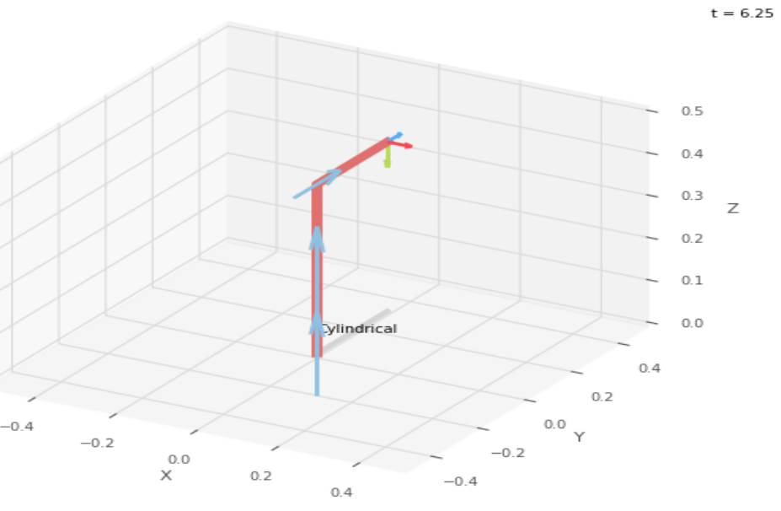
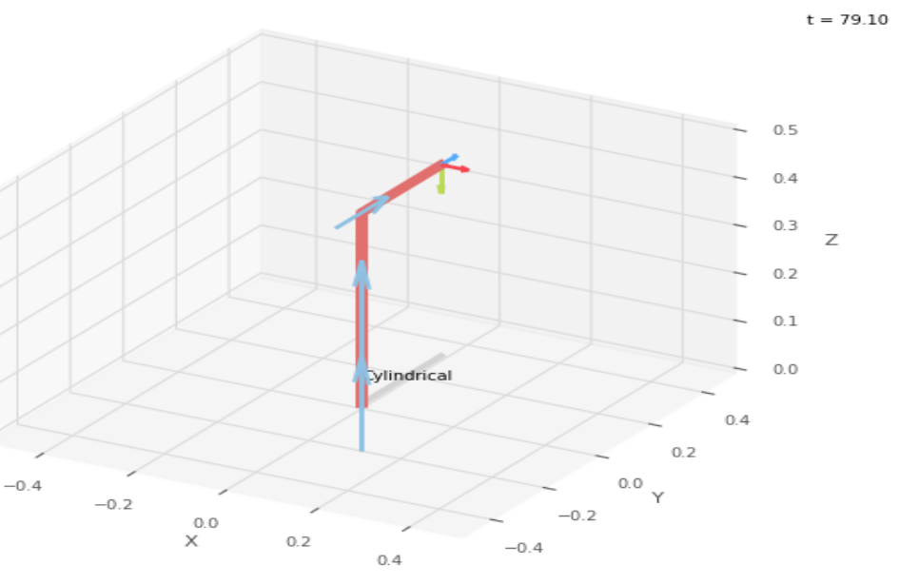
 |  |  |  | FK Joint Variables

 |  |  |  | 0 | 0 | 0
 |  |  |  | deg | cm | cm

 |  |  |  | Position Vector

 |  |  |  | 30 | 0 | 40
 |  |  |  | deg | cm | cm

 |  |  |  | IK Joint Variables

 |  |  |  | 0 | 0 | 0
 |  |  |  | deg | cm | cm

Trial 2
a1 | = | 20
a2 | = | 30 | Forward Kinematics |  | Home |  | Inverse Kinematics
a3 | = | 10

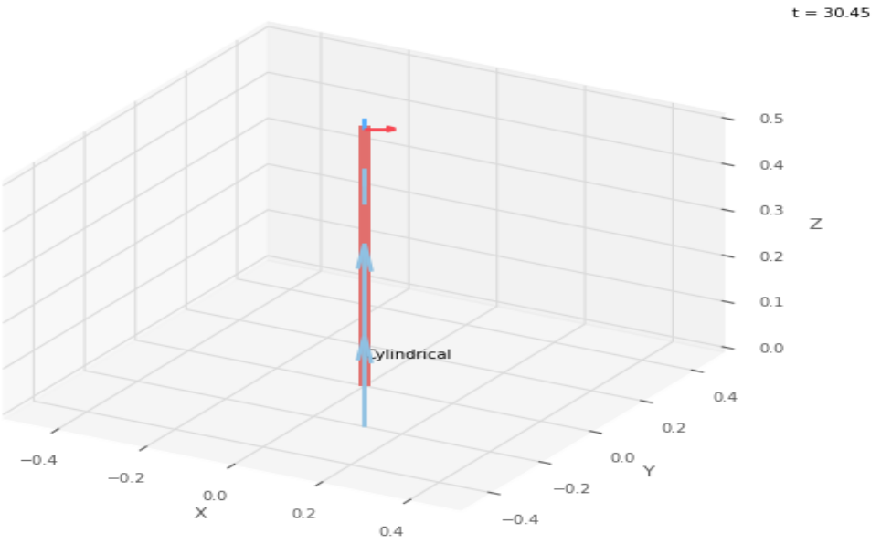
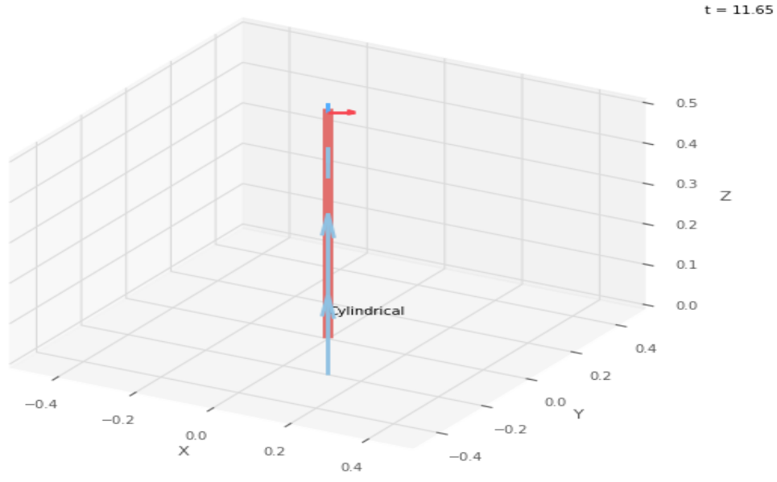
 |  |  |  | FK Joint Variables

 |  |  |  | 30 | 2.5 | 2.5
 |  |  |  | deg | cm | cm

 |  |  |  | Position Vector

 |  |  |  | 28.146 | 16.25 | 42.5
 |  |  |  | deg | cm | cm

 |  |  |  | IK Joint Variables

 |  |  |  | 30.001 | 2.5 | 2.5
 |  |  |  | deg | cm | cm

Trial 3
a1 | = | 20
a2 | = | 30 | Forward Kinematics |  | Home |  | Inverse Kinematics
a3 | = | 10

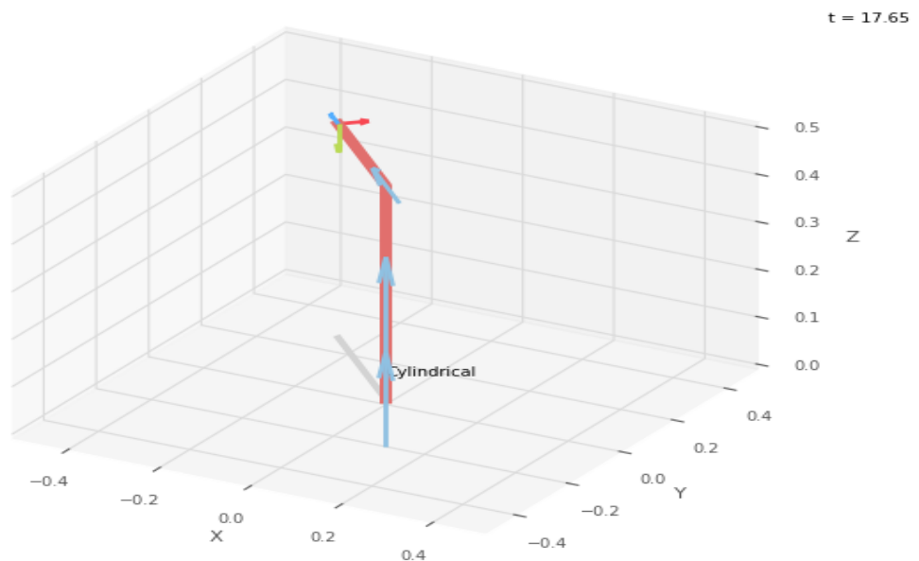
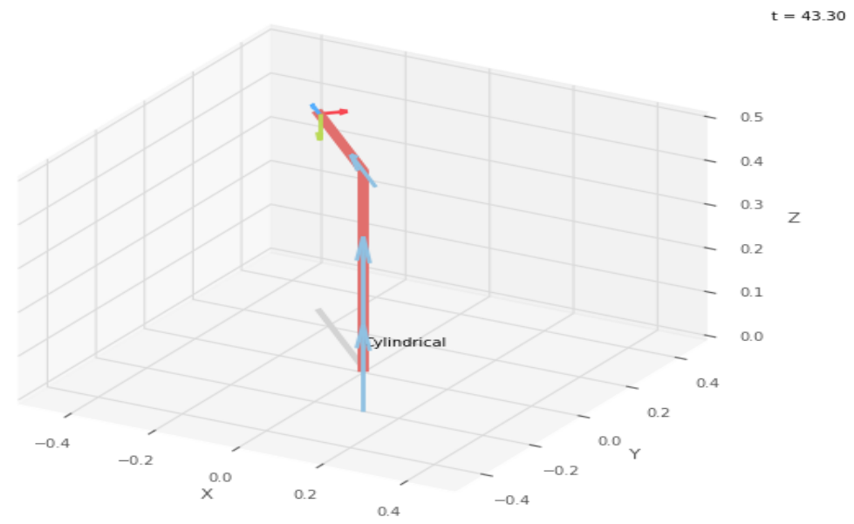
 |  |  |  | FK Joint Variables

 |  |  |  | 45 | 5 | 5
 |  |  |  | deg | cm | cm

 |  |  |  | Position Vector

 |  |  |  | 24.749 | 24.749 | 45
 |  |  |  | deg | cm | cm

 |  |  |  | IK Joint Variables

 |  |  |  | 45 | 5 | 5.001
 |  |  |  | deg | cm | cm

Trial 4
a1 | = | 20
a2 | = | 30 | Forward Kinematics |  | Home |  | Inverse Kinematics
a3 | = | 10

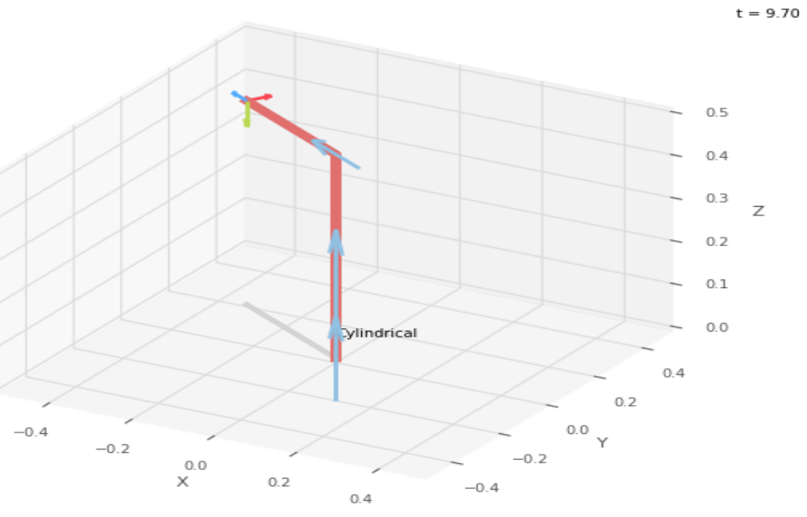
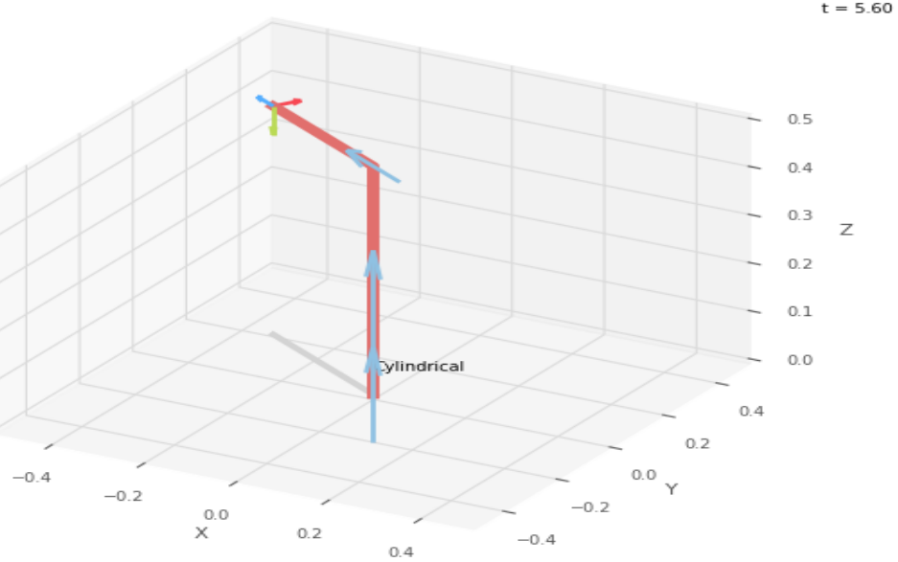
 |  |  |  | FK Joint Variables

 |  |  |  | 60 | 7.5 | 7.5
 |  |  |  | deg | cm | cm

 |  |  |  | Position Vector

 |  |  |  | 18.75 | 32.476 | 47.5
 |  |  |  | deg | cm | cm

 |  |  |  | IK Joint Variables

 |  |  |  | 59.999 | 7.5 | 7.5
 |  |  |  | deg | cm | cm

Trial 5
a1 | = | 20
a2 | = | 30 | Forward Kinematics |  | Home |  | Inverse Kinematics
a3 | = | 10

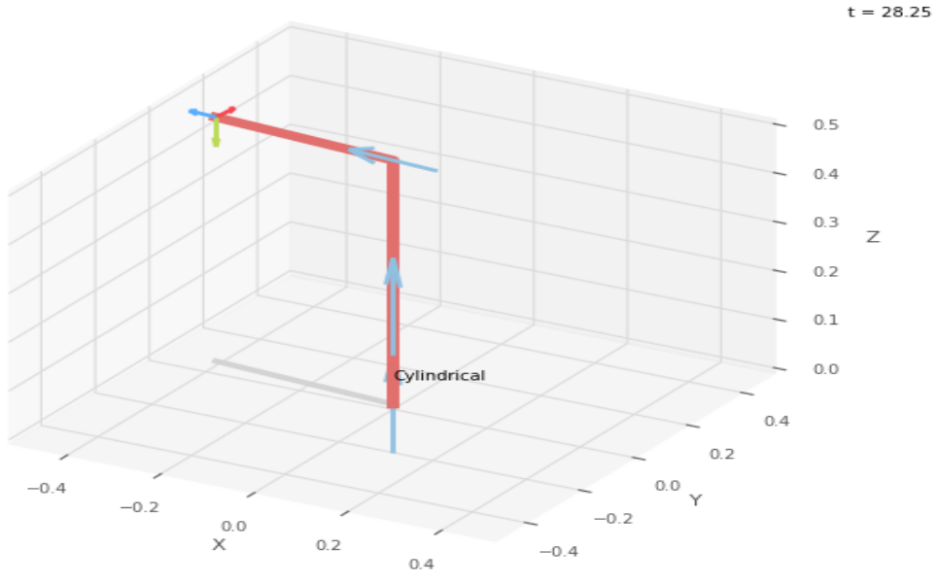

 |  |  |  | FK Joint Variables

 |  |  |  | 85 | 10 | 10
 |  |  |  | deg | cm | cm

 |  |  |  | Position Vector

 |  |  |  | 3.486 | 39.848 | 50
 |  |  |  | deg | cm | cm

 |  |  |  | IK Joint Variables

 |  |  |  | 85 | 10 | 10
 |  |  |  | deg | cm | cm

