Home
Republic of the Philippines
BATANGAS STATE UNIVERSITY
The National Engineering University
Alangilan Campus
Golden Country Homes, Alangilan Batangas City, Batangas, Philippines 4200
Tel Nos.: (+63 43) 425-0139 local 2121 / 2221
E-mail Address: ceafa@g.batstate-u.edu.ph | Website Address: http://www.batstate-u.edu.ph

College of Engineering – Department of Electronics Engineering
a1 | = | 20
a2 | = | 30
a3 | = | 10
a4 | = | 15
a5 | = | 5
 |  |  |  | SCARA(Selective Compliance Articulated Robot for Assembly)RRP Manipulator

x = (HigherRange - LowerRange) * %Range
 |  |  |  | Forward Kinematics |  |  |  |  |  | Inverse Kinematics
MidRange = LowerRange + x |  |  |  | Calibration Joint Variables |  |  | Position Vectors thru Forward Kinematics |  |  | Joint Variables thru Inverse Kinematics |  |  | Position Vectors thru Inverse Kinematics
 |  |  |  | Ѳ1 | Ѳ2 | d3 | x0_3 | y0_3 | z0_3 | Ѳ1 | Ѳ2 | d3 | x0_3 | y0_3 | z0_3
0% |  |  | Trial 1 | -30 | 0 | 0 | 38.971 | -22.5 | 25 | -30.095 | 0.285 | 0
25% |  |  | Trial 2 | -7.5 | 27.5 | 1.25 | 43.839 | 1.215 | 23.75 | -7.498 | 27.497 | 1.25
50% |  |  | Trial 3 | 15 | 55 | 2.5 | 34.108 | 21.86 | 22.5 | 15 | 55 | 2.5
75% |  |  | Trial 4 | 37.5 | 82.5 | 3.75 | 16.301 | 31.253 | 21.25 | 37.499 | 82.5 | 3.75
100% |  |  | Trial 5 | 60 | 110 | 5 | 0.228 | 28.585 | 20 | 60 | 110 | 5

 |  |  | Measuring Range :
 |  |  | Calibration Range: Standard range
 |  |  | Operation Range: range of operation

Trial 1
Republic of the Philippines
BATANGAS STATE UNIVERSITY
The National Engineering University
Alangilan Campus
Golden Country Homes, Alangilan Batangas City, Batangas, Philippines 4200
Tel Nos.: (+63 43) 425-0139 local 2121 / 2221
E-mail Address: ceafa@g.batstate-u.edu.ph | Website Address: http://www.batstate-u.edu.ph
College of Engineering – Department of Electronics Engineering
a1 | = | 20
a2 | = | 30
a3 | = | 10
a4 | = | 15
a5 | = | 5 | Forward Kinematics |  | Home |  | Inverse Kinematics

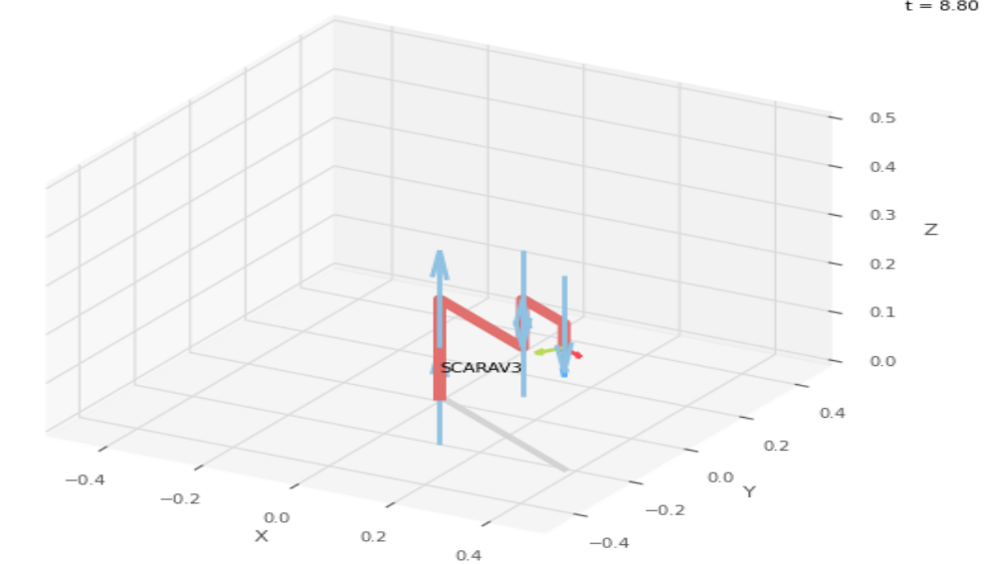
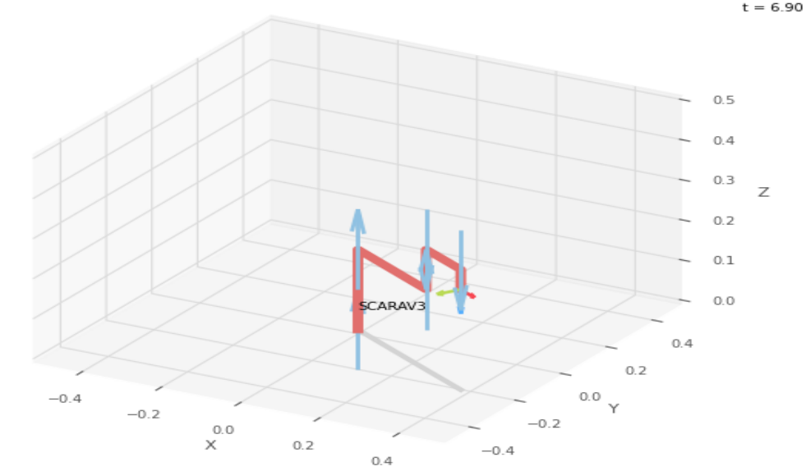

 |  |  |  | FK Joint Variables

 |  |  |  | -30 | 0 | 0
 |  |  |  | deg | deg | cm

 |  |  |  | Position Vector

 |  |  |  | 38.971 | -22.5 | 25
 |  |  |  | deg | deg | cm

 |  |  |  | IK Joint Variables

 |  |  |  | -30.095 | 0.285 | 0
 |  |  |  | deg | deg | cm

Trial 2
Republic of the Philippines
BATANGAS STATE UNIVERSITY
The National Engineering University
Alangilan Campus
Golden Country Homes, Alangilan Batangas City, Batangas, Philippines 4200
Tel Nos.: (+63 43) 425-0139 local 2121 / 2221
E-mail Address: ceafa@g.batstate-u.edu.ph | Website Address: http://www.batstate-u.edu.ph
College of Engineering – Department of Electronics Engineering
a1 | = | 20
a2 | = | 30
a3 | = | 10
a4 | = | 15
a5 | = | 5 | Forward Kinematics |  | Home |  | Inverse Kinematics

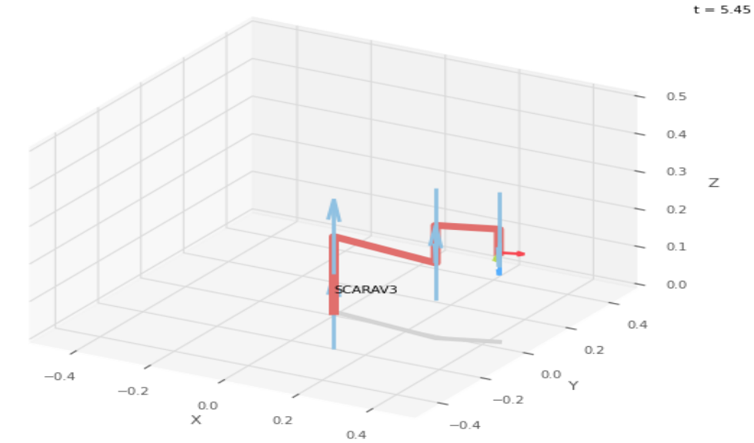
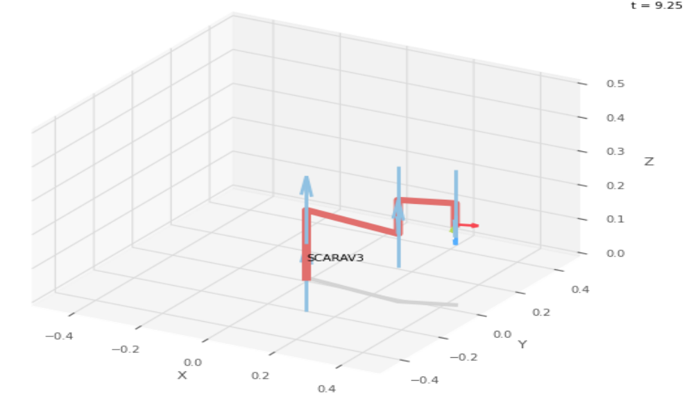

 |  |  |  | FK Joint Variables

 |  |  |  | -7.5 | 27.5 | 1.25
 |  |  |  | deg | deg | cm

 |  |  |  | Position Vector

 |  |  |  | 43.839 | 1.215 | 23.75
 |  |  |  | deg | deg | cm

 |  |  |  | IK Joint Variables

 |  |  |  | -7.498 | 27.497 | 1.25
 |  |  |  | deg | deg | cm

Trial 3
Republic of the Philippines
BATANGAS STATE UNIVERSITY
The National Engineering University
Alangilan Campus
Golden Country Homes, Alangilan Batangas City, Batangas, Philippines 4200
Tel Nos.: (+63 43) 425-0139 local 2121 / 2221
E-mail Address: ceafa@g.batstate-u.edu.ph | Website Address: http://www.batstate-u.edu.ph
College of Engineering – Department of Electronics Engineering
a1 | = | 20
a2 | = | 30
a3 | = | 10
a4 | = | 15
a5 | = | 5 | Forward Kinematics |  | Home |  | Inverse Kinematics

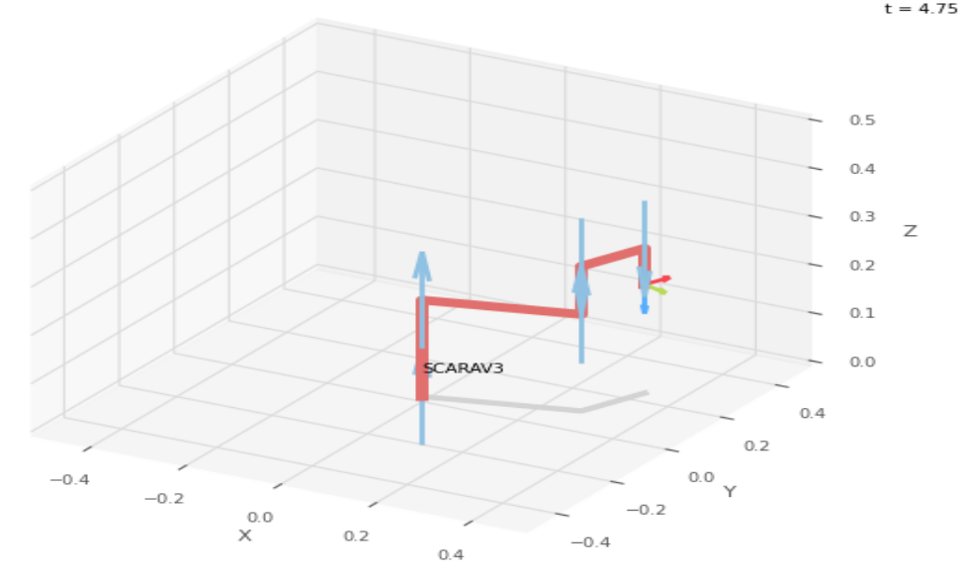
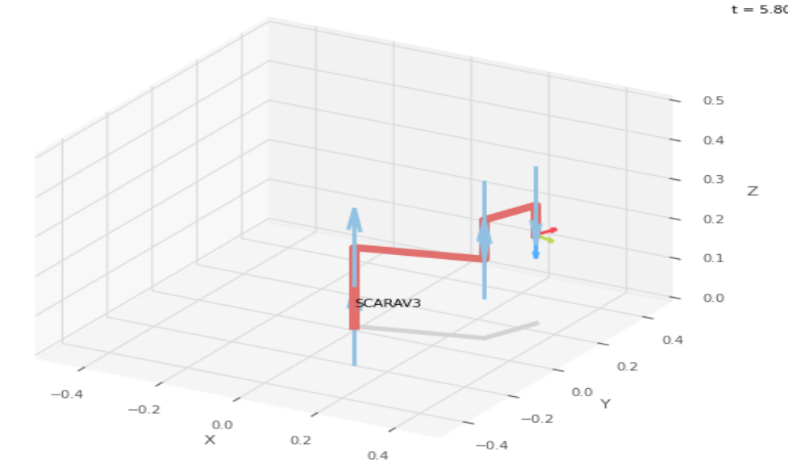

 |  |  |  | FK Joint Variables

 |  |  |  | 15 | 55 | 2.5
 |  |  |  | deg | deg | cm

 |  |  |  | Position Vector

 |  |  |  | 34.108 | 21.86 | 22.5
 |  |  |  | deg | deg | cm

 |  |  |  | IK Joint Variables

 |  |  |  | 15 | 55 | 2.5
 |  |  |  | deg | deg | cm

Trial 4
Republic of the Philippines
BATANGAS STATE UNIVERSITY
The National Engineering University
Alangilan Campus
Golden Country Homes, Alangilan Batangas City, Batangas, Philippines 4200
Tel Nos.: (+63 43) 425-0139 local 2121 / 2221
E-mail Address: ceafa@g.batstate-u.edu.ph | Website Address: http://www.batstate-u.edu.ph
College of Engineering – Department of Electronics Engineering
a1 | = | 20
a2 | = | 30
a3 | = | 10
a4 | = | 15
a5 | = | 5 | Forward Kinematics |  | Home |  | Inverse Kinematics

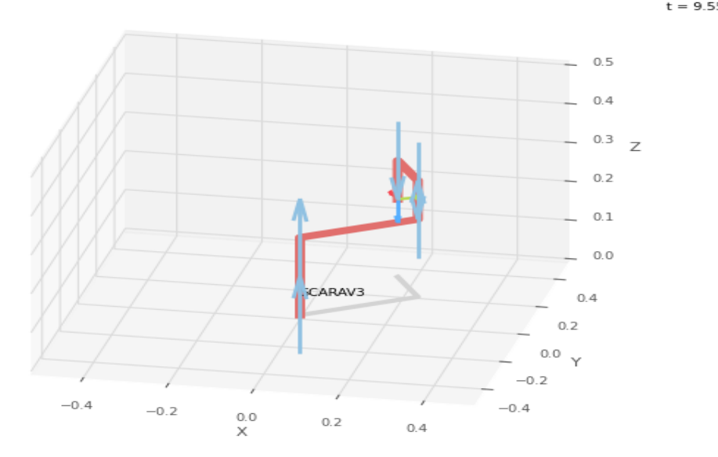
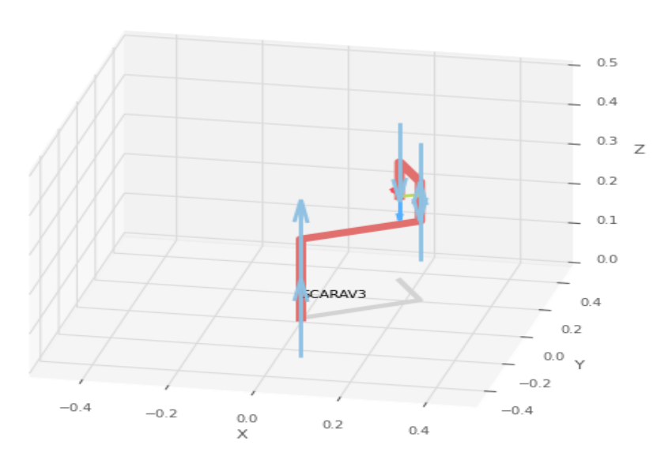

 |  |  |  | FK Joint Variables

 |  |  |  | 37.5 | 82.5 | 3.75
 |  |  |  | deg | deg | cm

 |  |  |  | Position Vector

 |  |  |  | 16.301 | 31.253 | 21.25
 |  |  |  | deg | deg | cm

 |  |  |  | IK Joint Variables

 |  |  |  | 37.499 | 82.5 | 3.75
 |  |  |  | deg | deg | cm

Trial 5
Republic of the Philippines
BATANGAS STATE UNIVERSITY
The National Engineering University
Alangilan Campus
Golden Country Homes, Alangilan Batangas City, Batangas, Philippines 4200
Tel Nos.: (+63 43) 425-0139 local 2121 / 2221
E-mail Address: ceafa@g.batstate-u.edu.ph | Website Address: http://www.batstate-u.edu.ph
College of Engineering – Department of Electronics Engineering
a1 | = | 20
a2 | = | 30
a3 | = | 10
a4 | = | 15
a5 | = | 5 | Forward Kinematics |  | Home |  | Inverse Kinematics

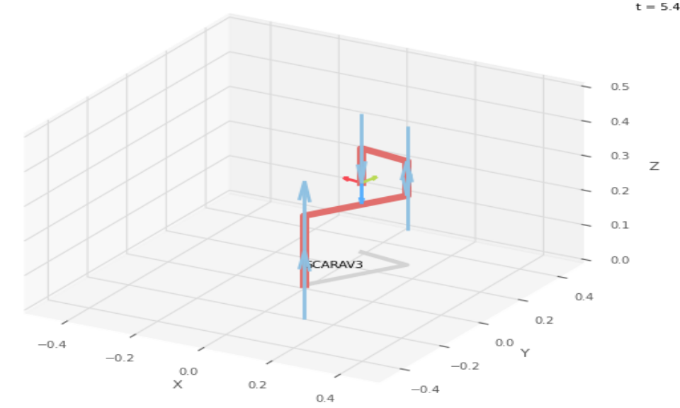
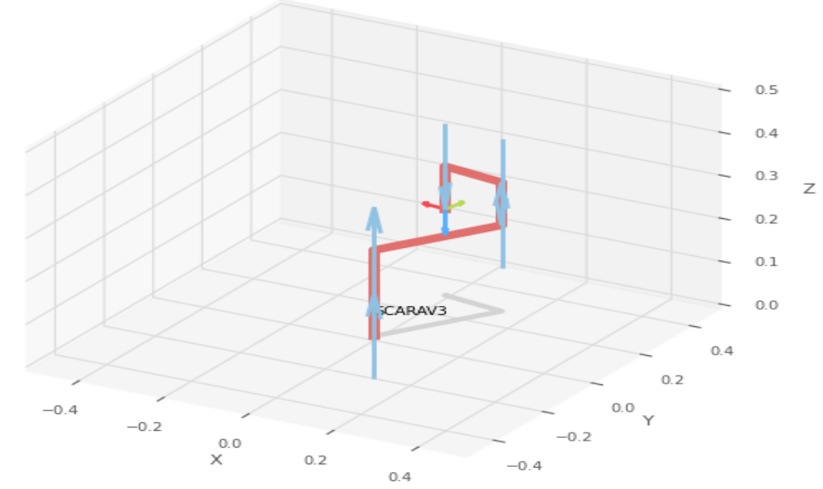

 |  |  |  | FK Joint Variables

 |  |  |  | 60 | 110 | 5
 |  |  |  | deg | deg | cm

 |  |  |  | Position Vector

 |  |  |  | 0.228 | 28.585 | 20
 |  |  |  | deg | deg | cm

 |  |  |  | IK Joint Variables

 |  |  |  | 60 | 110 | 5
 |  |  |  | deg | deg | cm

