Home
 Republic of the Philippines BATANGAS STATE UNIVERSITY The National Engineering University Alangilan Campus Golden Country Homes, Alangilan Batangas City, Batangas, Philippines 4200 Tel Nos.: (+63 43) 425-0139 local 2121 / 2221 E-mail Address: ceafa@g.batstate-u.edu.ph | Website Address: http://www.batstate-u.edu.ph
College of Engineering – Department of Electronics Engineering
a1 | = | 20
a2 | = | 30
a3 | = | 10

 |  |  |  | Spherical RRP Manipulator
x = (HigherRange - LowerRange) * %Range
 |  |  |  | Forward Kinematics |  |  |  |  |  | Inverse Kinematics
MidRange = LowerRange + x |  |  |  | Calibration Joint Variables |  |  | Position Vectors thru Forward Kinematics |  |  | Joint Variables thru Inverse Kinematics |  |  | Position Vectors thru Inverse Kinematics
 |  |  |  | Ѳ1 | Ѳ2 | d3 | x0_3 | y0_3 | z0_3 | Ѳ1 | Ѳ2 | d3 | x0_3 | y0_3 | z0_3
0% |  |  | Trial 1 | 0 | 0 | 0 | 40 | 0 | 20 | 0 | 0 | 0
25% |  |  | Trial 2 | 15 | 15 | 0.225 | 37.53 | 10.056 | 30.411 | 15 | 15 | 0.225
50% |  |  | Trial 3 | 30 | 30 | 0.45 | 30.338 | 17.515 | 40.225 | 29.999 | 30 | 0.45
75% |  |  | Trial 4 | 45 | 45 | 0.675 | 20.338 | 20.338 | 48.762 | 45 | 45 | 0.676
100% |  |  | Trial 5 | 60 | 60 | 0.9 | 10.225 | 17.71 | 55.42 | 60 | 60 | 0.9

 |  |  | Measuring Range :
 |  |  | Calibration Range: Standard range
 |  |  | Operation Range: range of operation

Trial 1
Republic of the Philippines BATANGAS STATE UNIVERSITY The National Engineering University Alangilan Campus Golden Country Homes, Alangilan Batangas City, Batangas, Philippines 4200 Tel Nos.: (+63 43) 425-0139 local 2121 / 2221 E-mail Address: ceafa@g.batstate-u.edu.ph | Website Address: http://www.batstate-u.edu.ph
College of Engineering – Department of Electronics Engineering
a1 | = | 20
a2 | = | 30 | Forward Kinematics |  | Home |  | Inverse Kinematics
a3 | = | 10

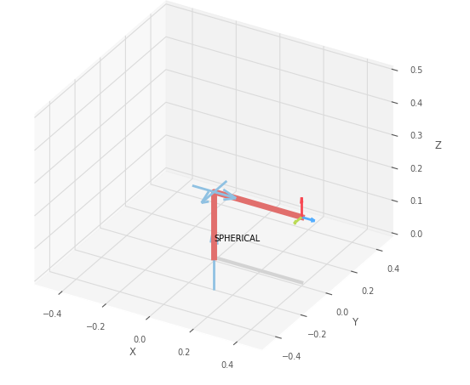
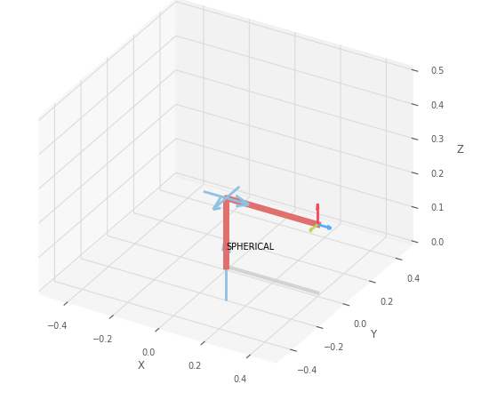
 |  |  |  | FK Joint Variables

 |  |  |  | 0 | 0 | 0
 |  |  |  | cm | deg | deg

 |  |  |  | Position Vector

 |  |  |  | 40 | 0 | 20
 |  |  |  | cm | deg | deg

 |  |  |  | IK Joint Variables

 |  |  |  | 0 | 0 | 0
 |  |  |  | cm | deg | deg

Trial 2
Republic of the Philippines BATANGAS STATE UNIVERSITY The National Engineering University Alangilan Campus Golden Country Homes, Alangilan Batangas City, Batangas, Philippines 4200 Tel Nos.: (+63 43) 425-0139 local 2121 / 2221 E-mail Address: ceafa@g.batstate-u.edu.ph | Website Address: http://www.batstate-u.edu.ph
College of Engineering – Department of Electronics Engineering
a1 | = | 20
a2 | = | 30 | Forward Kinematics |  | Home |  | Inverse Kinematics
a3 | = | 10

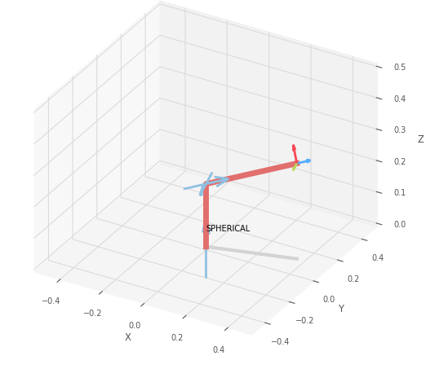
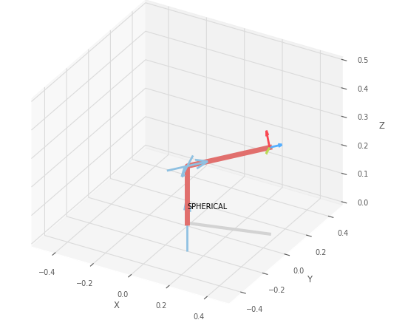
 |  |  |  | FK Joint Variables

 |  |  |  | 15 | 15 | 0.225
 |  |  |  | cm | deg | deg

 |  |  |  | Position Vector

 |  |  |  | 37.53 | 10.056 | 30.411
 |  |  |  | cm | deg | deg

 |  |  |  | IK Joint Variables

 |  |  |  | 15 | 15 | 0.225
 |  |  |  | cm | deg | deg

Trial 3
Republic of the Philippines BATANGAS STATE UNIVERSITY The National Engineering University Alangilan Campus Golden Country Homes, Alangilan Batangas City, Batangas, Philippines 4200 Tel Nos.: (+63 43) 425-0139 local 2121 / 2221 E-mail Address: ceafa@g.batstate-u.edu.ph | Website Address: http://www.batstate-u.edu.ph
College of Engineering – Department of Electronics Engineering
a1 | = | 20
a2 | = | 30 | Forward Kinematics |  | Home |  | Inverse Kinematics
a3 | = | 10

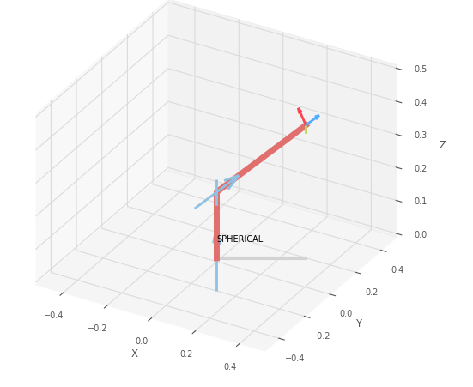
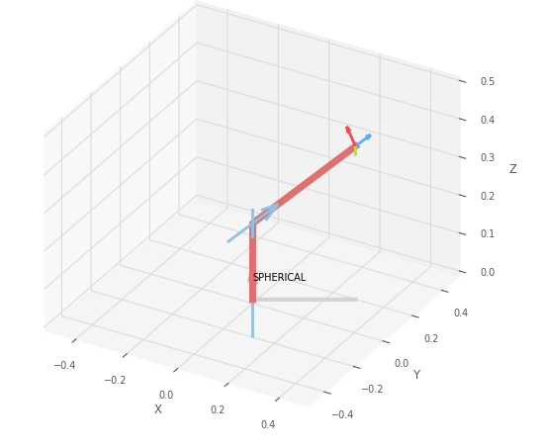
 |  |  |  | FK Joint Variables

 |  |  |  | 30 | 30 | 0.45
 |  |  |  | cm | deg | deg

 |  |  |  | Position Vector

 |  |  |  | 30.338 | 17.515 | 40.225
 |  |  |  | cm | deg | deg

 |  |  |  | IK Joint Variables

 |  |  |  | 29.999 | 30 | 0.45
 |  |  |  | cm | deg | deg

Trial 4
Republic of the Philippines BATANGAS STATE UNIVERSITY The National Engineering University Alangilan Campus Golden Country Homes, Alangilan Batangas City, Batangas, Philippines 4200 Tel Nos.: (+63 43) 425-0139 local 2121 / 2221 E-mail Address: ceafa@g.batstate-u.edu.ph | Website Address: http://www.batstate-u.edu.ph
College of Engineering – Department of Electronics Engineering
a1 | = | 20
a2 | = | 30 | Forward Kinematics |  | Home |  | Inverse Kinematics
a3 | = | 10

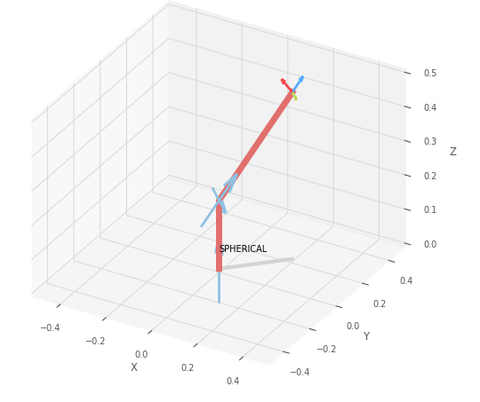
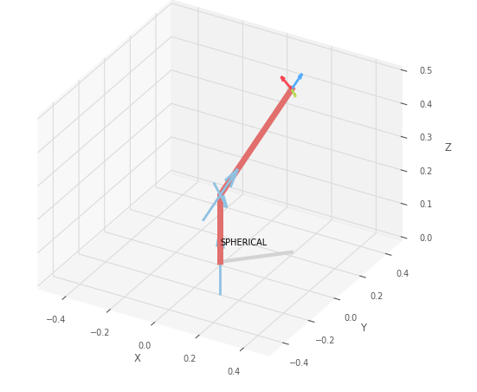
 |  |  |  | FK Joint Variables

 |  |  |  | 45 | 45 | 0.675
 |  |  |  | cm | deg | deg

 |  |  |  | Position Vector

 |  |  |  | 20.338 | 20.338 | 48.762
 |  |  |  | cm | deg | deg

 |  |  |  | IK Joint Variables

 |  |  |  | 45 | 45 | 0.676
 |  |  |  | cm | deg | deg

Trial 5
Republic of the Philippines BATANGAS STATE UNIVERSITY The National Engineering University Alangilan Campus Golden Country Homes, Alangilan Batangas City, Batangas, Philippines 4200 Tel Nos.: (+63 43) 425-0139 local 2121 / 2221 E-mail Address: ceafa@g.batstate-u.edu.ph | Website Address: http://www.batstate-u.edu.ph
College of Engineering – Department of Electronics Engineering
a1 | = | 20
a2 | = | 30 | Forward Kinematics |  | Home |  | Inverse Kinematics
a3 | = | 10

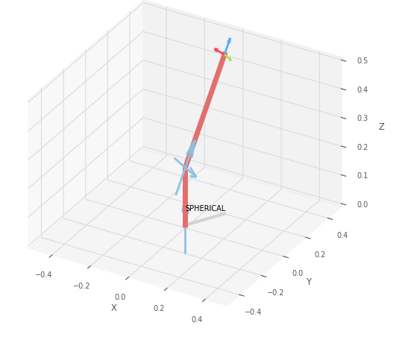
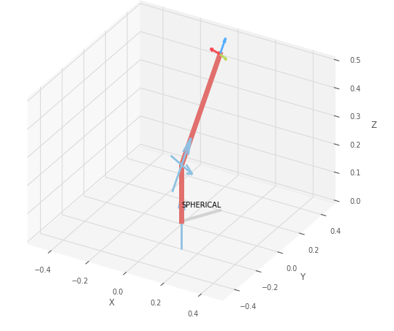
 |  |  |  | FK Joint Variables

 |  |  |  | 60 | 60 | 0.9
 |  |  |  | cm | deg | deg

 |  |  |  | Position Vector

 |  |  |  | 10.225 | 17.71 | 55.42
 |  |  |  | cm | deg | deg

 |  |  |  | IK Joint Variables

 |  |  |  | 60 | 60 | 0.9
 |  |  |  | cm | deg | deg

